GUI CGI SPEC
Xmind
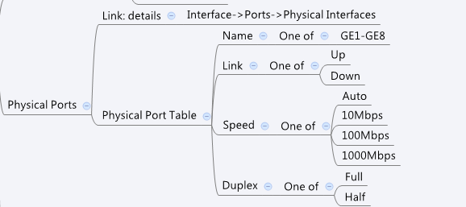

Behavior
* If Link is off, display nothing in Speed and Duplex
# Limitations: Max Port Table Size = 8
[UI Display Name] | [CGI Name] | [JSON Name] | [Description] | Range / Default Value / Units
N/A | dashboard_port.cgi | guiPortIfTNum | int
Name | dashboard_port.cgi | guiPortIfT.name | port name
Link | dashboard_port.cgi | guiPortIfT.link | 0: Down 1:Up
Speed | dashboard_port.cgi | guiPortIfT.speed | 0: Don't Display 10: 10Mbps 100: 100Mbps 1000: 1000Mbps
Duplex | dashboard_port.cgi | guiPortIfT.duplex | 1: Half 0: Full

JSON String
{"guiPortIfTNum":8,"guiPortIfT":[{"name":"GE1","link":0,"speed":0,"duplex":0},{"name":"GE2","link":1,"speed":1000,"duplex":1},{"name":"GE3","link":0,"speed":0,"duplex":0},{"name":"GE4","link":0,"speed":0,"duplex":0},{"name":"GE5","link":0,"speed":0,"duplex":0},{"name":"GE6","link":0,"speed":0,"duplex":0},{"name":"GE7","link":0,"speed":0,"duplex":0},{"name":"GE8","link":0,"speed":0,"duplex":0}]}

