GUI CGI SPEC
Xmind

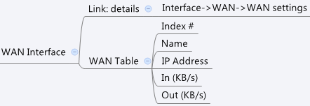

Behavior
# Limitations: Max WAN Table Size = 6

[UI Display Name] | [CGI Name] | [JSON Name] | [Description] | Range / Default Value / Units

Index | dashboard_wan.cgi | N/A
Name | dashboard_wan.cgi | guiWanIfT.name
IP Address | dashboard_wan.cgi | guiWanIfT.address
In (KB/s) | dashboard_wan.cgi | guiWanIfT.rx
Out (KB/s) | dashboard_wan.cgi | guiWanIfT.tx

JSON String
dashboard_wan.cgi
## GET WAN info for System Dashboard ##
{
"guiWanIfTNum":1,
"guiWanIfT":[
{
"name":"WAN1",
"address":"192.168.150.213",
"rx":"597",
"tx":"18"
}
]
}

