工作表1
Xmind
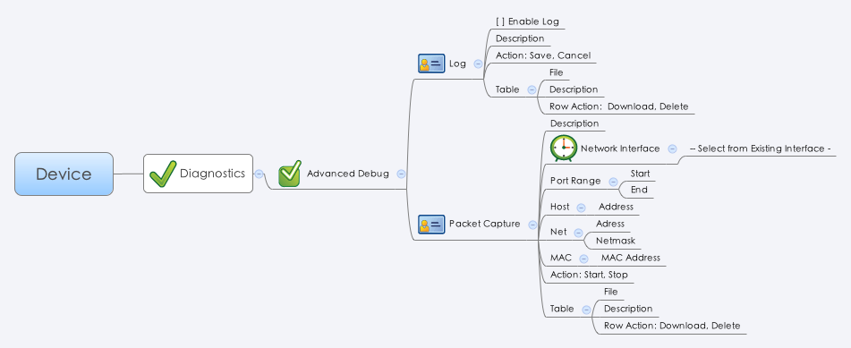

Behavior

1. 使用者點選 Row Action 的 Download 按鈕時，透過 advancedDebugDl.cgi (GET Method) 來下載檔案。 (example: https://192.168.180.102/cgi-bin/packetCaptureDl.cgi?fpath=/mnt/hda/archer/pcap/20131026154450.pcap) fpath 的值透過 advanced_log_list.cgi 與 advanced_pcap_list.cgi 裡的 filepath 欄位得到。
2. 使用者透過 pcap_file_list.cgi (POST Method) 來刪除檔案，刪除檔案需把 delete 欄位設成 1。

3. Max pcap file number is 400. Max log file number is 100.
4. 當使用者進入 Device > Diagnostic > Packet Capture 頁面時，需檢查 advancedDebug.cgi 裡的 pcapEnable 的值是否為 1，假如是的話要跳出警告訊息並說明兩者不能同時運作，請先前往 advanced debug 頁面關閉 packet capture 功能。

[UI Display Name] | [CGI Name] | [JSON Name] | [Description] | [Restrictions]
Log
Enable Log | advancedDebug.cgi | logEnable | 0/1
Description | advancedDebug.cgi | logDesc | String | length: 127
Log Table
File | advanced_log_list.cgi | guiFileT.filename | String
Description | advanced_log_list.cgi | guiFileT.desc | String
N/A | advanced_log_list.cgi | guiFileT.delete | 0/1. Default: 0.
Packet Capture
Description | advancedDebug.cgi | pcapDesc | String | length: 127 (Necessary)
Network Interface | advancedDebug.cgi | pcapIfName | Interface Name. Please use the common_if_list.cgi to form the drop down list. | length: 63 (Necessary)
Port Range Start | advancedDebug.cgi | pcapPortStart | Integer. Default: 0.
Port Range End | advancedDebug.cgi | pcapPortEnd | Integer. Never less than portStart. Default: 0.
Host Address | advancedDebug.cgi | pcapHost | Domain name or Host IP address | length: 127 (Optional)
Net Address | advancedDebug.cgi | pcapNetAddress | Network IP address | length: 32 (Optional)
Net Netmask | advancedDebug.cgi | pcapNetmask | netmask | length: 32 (Optional)
MAC Address | advancedDebug.cgi | pcapMac | MAC address | length: 32 (Optional)
N/A | advancedDebug.cgi | pcapEnable | 0/1. Default: 0.
Pcap Table
File | advanced_pcap_list.cgi | guiFileT.filename | String
Description | advanced_pcap_list.cgi | guiFileT.desc | String
N/A | advanced_pcap_list.cgi | guiFileT.delete | 0/1. Default: 0.

JSON String
## cgi name ##
advancedDebug.cgi
## GET & POST methods ##
{
"logEnable": 1,
"logDesc": "test",
"pcapEnable": 1,
"pcapDesc": "Hello World",
"pcapIfName": "WAN1",
"pcapPortStart": 0,
"pcapPortEnd": 0,
"pcapHost": "",
"pcapNetAddress": "",
"pcapNetmask": "",
"pcapMac": ""
}
## cgi name ##
advanced_log_list.cgi
## GET & POST methods ##
{
"guiFileTNum": 4,
"guiFileT": [
{
"filename": "20140520220001.log",
"desc": "test",
"filepath": "/mnt/hda/archer/debug_log/20140520220001.log",
"delete": 0
},
{
"filename": "20140520230001.log",
"desc": "test",
"filepath": "/mnt/hda/archer/debug_log/20140520230001.log",
"delete": 0
},
{
"filename": "20140521220001.log",
"desc": "test",
"filepath": "/mnt/hda/archer/debug_log/20140521220001.log",
"delete": 0
},
{
"filename": "20140521230001.log",
"desc": "test",
"filepath": "/mnt/hda/archer/debug_log/20140521230001.log",
"delete": 0
}
]
}
## cgi name ##
advanced_pcap_list.cgi
## GET & POST methods ##
{
"guiFileTNum": 3,
"guiFileT": [
{
"filename": "20140521221703.pcap",
"desc": "A packet capture file",
"filepath": "/mnt/hda/archer/debug_pcap/20140521221703.pcap",
"delete": 0
},
{
"filename": "20140521231703.pcap",
"desc": "A packet capture file",
"filepath": "/mnt/hda/archer/debug_pcap/20140521231703.pcap",
"delete": 0
},
{
"filename": "20140521232034.pcap",
"desc": "A packet capture file",
"filepath": "/mnt/hda/archer/debug_pcap/20140521232034.pcap",
"delete": 0
}
]
}

