工作表1
Xmind

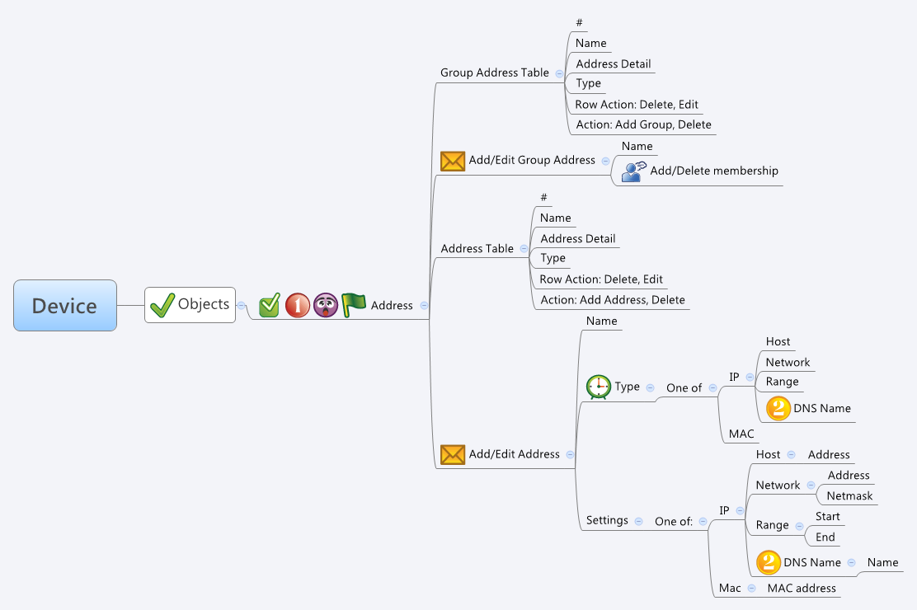

Behavior
1. Group Address Table 裡的 Address Detail 與Type 是要顯示出Member Address 的資訊。請參考下面的示意圖:

一個 Group Address 會有一個或多個 Member Address, Member Address 的資訊要從 guiGAddrT.num 與 guiGAddrT.idList 得知。當你得到 Member Address 的 Id 後就可以根據 guiAddrT (from common_addr_list.cgi) 去把相關資料拿出來顯示。

2. 當使用者在編輯 Group Address 的 Membership 時，按下 OK 的時候須把 Member 個數與它的 Id 分別填入 guiGAddrT.num 和 guiGAddrT.idList 裡。
下圖紅線所框起來的資料可以從 common_addr_list.cgi 拿到。

3. 當使用者在編輯 Address Table 時，當 Type 是 Host 時，該 Address 要填入 guiAddrT.startIp 與 guiAddrT.endIp。
4. 當使用者在編輯 Address Table 時，當 Type 是 Network 時，該 Address 要填入 guiAddrT.startIp，然後利用 Address 與 Netmask 算出要填入 guiAddrT.endIp 的 Address。
5. 當使用者在編輯 Address Table 時，當 Type 是 Range 時，將 Start 填入 guiAddrT.startIp，將 End 填入 guiAddrT.endIp。
6. 當使用者在編輯 Address Table 時，當 Type 是 Mac 時，將 Mac Address 填入 guiAddrT.mac。
7. Group Address Table / Address Table 的 Row Action 是 Delete 時，把 Name 清空，action 填1，其他欄位保留，傳給 common_updateGAddr.cgi / common_updateAddr.cgi。
8. 假如有多筆項目需要被 Delete，則一樣把 Name 清空，action 填1，其他欄位保留，批次的使用 common_updateGAddr.cgi / common_updateAddr.cgi。

For Address Table: |  |  |  | # Limitations: Max gAddr Table Size = 64 | # Limitations: Max gAddr Table Size = 64 | # Limitations: Max gAddr Table Size = 64 | # Limitations: Max gAddr Table Size = 64 | # Limitations: Max gAddr Table Size = 64 | # Limitations: Max gAddr Table Size = 64 | # Limitations: Max gAddr Table Size = 64 | # Limitations: Max gAddr Table Size = 64 | # Limitations: Max gAddr Table Size = 64 | # Limitations: Max gAddr Table Size = 64 | # Limitations: Max gAddr Table Size = 64 | # Limitations: Max gAddr Table Size = 64 | # Limitations: Max gAddr Table Size = 64 | # Limitations: Max gAddr Table Size = 64 | # Limitations: Max gAddr Table Size = 64 | # Limitations: Max gAddr Table Size = 64 | # Limitations: Max gAddr Table Size = 64 | # Limitations: Max gAddr Table Size = 64 | # Limitations: Max gAddr Table Size = 64 | # Limitations: Max gAddr Table Size = 64 | # Limitations: Max gAddr Table Size = 64 | # Limitations: Max gAddr Table Size = 64 | # Limitations: Max gAddr Table Size = 64 | # Limitations: Max gAddr Table Size = 64 | # Limitations: Max gAddr Table Size = 64 | # Limitations: Max gAddr Table Size = 64 | # Limitations: Max gAddr Table Size = 64 | # Limitations: Max gAddr Table Size = 64 | # Limitations: Max gAddr Table Size = 64 | # Limitations: Max gAddr Table Size = 64 | # Limitations: Max gAddr Table Size = 64 | # Limitations: Max gAddr Table Size = 64 | # Limitations: Max gAddr Table Size = 64 | # Limitations: Max gAddr Table Size = 64 | # Limitations: Max gAddr Table Size = 64 | # Limitations: Max gAddr Table Size = 64 | # Limitations: Max gAddr Table Size = 64 | # Limitations: Max gAddr Table Size = 64 | # Limitations: Max gAddr Table Size = 64 | # Limitations: Max gAddr Table Size = 64 | # Limitations: Max gAddr Table Size = 64 | # Limitations: Max gAddr Table Size = 64 | # Limitations: Max gAddr Table Size = 64 | # Limitations: Max gAddr Table Size = 64 | # Limitations: Max gAddr Table Size = 64 | # Limitations: Max gAddr Table Size = 64 | # Limitations: Max gAddr Table Size = 64 | # Limitations: Max gAddr Table Size = 64 | # Limitations: Max gAddr Table Size = 64 | # Limitations: Max gAddr Table Size = 64 | # Limitations: Max gAddr Table Size = 64 | # Limitations: Max gAddr Table Size = 64 | # Limitations: Max gAddr Table Size = 64 | # Limitations: Max gAddr Table Size = 64 | # Limitations: Max gAddr Table Size = 64 | # Limitations: Max gAddr Table Size = 64 | # Limitations: Max gAddr Table Size = 64 | # Limitations: Max gAddr Table Size = 64 | # Limitations: Max gAddr Table Size = 64 | # Limitations: Max gAddr Table Size = 64 | # Limitations: Max gAddr Table Size = 64 | # Limitations: Max gAddr Table Size = 64
# Limitations: Max mac Table Size = 512
# Limitations: Max ip Table Size = 512
For Group Address Table:
# Limitations: Max gAddr Table Size = 64
# Limitations: Max members per gAddr Object = 64

Group Address Table
# | N/A | N/A | An index caculated by GUI.
Name | common_gAddr_list.cgi | guiGAddrT.name | A string.
Address Detail | common_gAddr_list.cgi | N/A | Please see the Behavior section #1.
Type | common_gAddr_list.cgi | N/A | Please see the Behavior section #1.

Group Address Table - Edit
Name | common_updateGAddr.cgi | name | All viewable ASCII code except (whitespace) ‘ ` “ % ?
Add/Delete Membership | common_updateGAddr.cgi | num & idList | Please see the Behavior section #2.
 | common_updateGAddr.cgi | action | int: 0: add, 1: update

Address Table
# | N/A | N/A | An index caculated by GUI.
Name | common_addr_list.cgi | guiAddrT.name | A string.
Address Detail | common_addr_list.cgi | N/A | According to the guiAddrT.type, a composition string of guiAddrT.startIp, guiAddrT.endIp, guiAddrT.netmask, guiAddrT.mac is created. Please see the following examples: 1. Host: 192.168.75.1/255.255.255.255 (guiAddrT.startIp) 2. Network: 192.168.75.0/255.255.255.0 (guiAddrT.startIp + guiAddrT.netmask) 3: Range: 192.168.75.100-192.168.75.200 (guiAddrT.startIp + guiAddrT.endIp) 4: Mac: 00:01:BB:CC:DD:02 (guiAddrT.mac)
Type | common_addr_list.cgi | guiAddrT.type | int: 1:"Host", 2:"Network", 3:"Range", 4:"Mac"

Address Table - Edit
Name | common_updateAddr.cgi | name | All viewable ASCII code except (whitespace) ‘ ` “ % ?
Type | common_updateAddr.cgi | type | int: 1:"Host", 2:"Network", 3:"Range", 4:"Mac"
Settings - IP Host | common_updateAddr.cgi | startIp & endIp | ip address (Please see Behavior section #3)
Settings - IP Network | common_updateAddr.cgi | startIp & endIp | ip address (Please see Behavior section #4)
Settings - IP Range | common_updateAddr.cgi | startIp & endIp | ip address (Please see Behavior section #5)
Settings - Mac | common_updateAddr.cgi | mac | mac address (Please see Behavior section #6)
 | common_updateAddr.cgi | action | int: 0: add, 1: update

JSON String
None.

