工作表1
Xmind
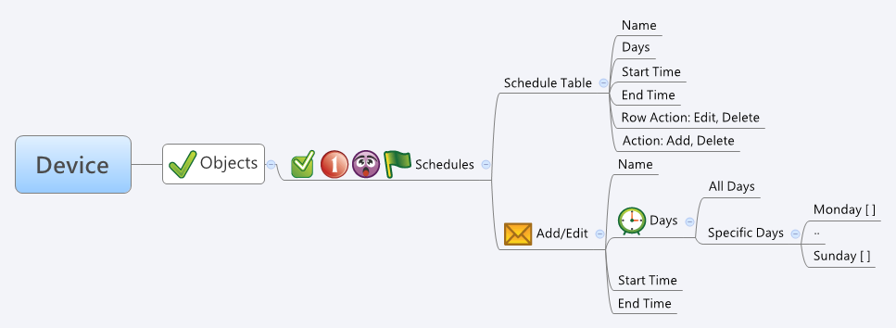

Behavior

1. Time Table 的 Row Action 是 Delete 時，把 Name 清空，action 填1，其他欄位保留，傳給 common_updateTime.cgi。
2. 假如有多筆項目需要被 Delete，則一樣把 Name 清空，action 填1，其他欄位保留，批次的使用 common_updateTime.cgi。

# Limitations: Max time Table Size = 64

[UI Display Name] | [CGI Name] | [JSON Name] | [Description]
Schedule Table
# | N/A | N/A | An index caculated by GUI.
Name | common_time_list.cgi | guiTimeT.name | A string.
 | common_time_list.cgi | guiTimeT.type | int: 1: all days+all time, 2: all day+spec time, 3: spec days+all time, 4: spec days+spec time
Days | common_time_list.cgi | guiTimeT.day | 1 means Monday, 2 means Tuesday, 4 means Wednesday, 8 means Thirsday, 16 means Friday, 32 means Saturday, 64 means Sunday. This is a bitmap for the Days field. Therefore, 3 means Monday + Tuesday.
Start Time | common_time_list.cgi | guiTimeT.startHour + guiTimeT.startMin | int
End Time | common_time_list.cgi | guiTimeT.endHour + guiTimeT.endMin | int

Schedule Table - Edit
Name | common_updateTime.cgi | name | All viewable ASCII code except (whitespace) ‘ ` “ % ?
 | common_updateTime.cgi | type | int: 1: all days+all time, 2: all day+spec time, 3: spec days+all time, 4: spec days+spec time
Days | common_updateTime.cgi | day | 1 means Monday, 2 means Tuesday, 4 means Wednesday, 8 means Thirsday, 16 means Friday, 32 means Saturday, 64 means Sunday. This is a bitmap for the Days field. Therefore, 3 means Monday + Tuesday.
Start Time | common_updateTime.cgi | startHour & startMin | int
End Time | common_updateTime.cgi | endHour & endMin | int
 | common_updateTime.cgi | action | int: 0: add, 1: update

JSON String
None.

