工作表1
Xmind
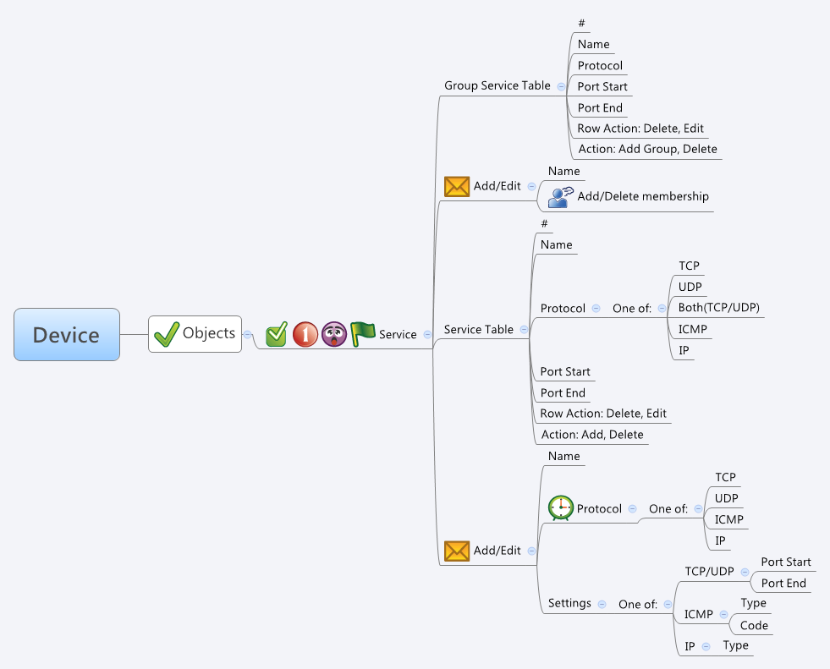

Behavior
1. Group Service Table 裡的 Protocol, Port Start, Port End 是要顯示出Member Service 的資訊。請參考下面的示意圖:

一個 Group Service 會有一個或多個 Member Service, Member Service 的資訊要從 guiGServiceT.num 與 guiGServiceT.idList 得知。當你得到 Member Service 的 Id 後就可以去 guiServiceT (from common_service_list.cgi) 去把相關資料拿出來顯示。

2. 當使用者在編輯 Group Service 的 Membership 時，按下 OK 的時候須把 Member 個數與它的 Id 分別填入 guiGServiceT.num 和 guiGServiceT.idList 裡。
下圖紅線所框起來的資料可以從 common_service_list.cgi 拿到。

3. Group Service Table / Service Table 的 Row Action 是 Delete 時，把 Name 清空，action 填1，其他欄位保留，傳給 common_updateGService.cgi / common_updateService.cgi。
4. 假如有多筆項目需要被 Delete，則一樣把 Name 清空，action 填1，其他欄位保留，批次的使用 common_updateGService.cgi / common_updateService.cgi。

For Service Table:
# Limitations: Max service Table Size = 256
For Group Service Table:
# Limitations: Max gService Table Size = 64
# Limitations: Max members per gService Object = 64

[UI Display Name] | [CGI Name] | [JSON Name] | [Description]
Group Service Table
# | N/A | N/A | An index caculated by GUI.
Name | common_gService_list.cgi | guiGServiceT.name | A string.
Protocol | common_gService_list.cgi | N/A | Please see the Behavior section #1.
Port Start | common_gService_list.cgi | N/A | Please see the Behavior section #1.
Port End | common_gService_list.cgi | N/A | Please see the Behavior section #1.

Group Service Table - Edit
Name | common_updateGService.cgi | name | All viewable ASCII code except (whitespace) ‘ ` “ % ?
Add/Delete Membership | common_updateGService.cgi | num & idList | Please see the Behavior section #2.
 | common_updateGService.cgi | action | int: 0: add, 1: update

Service Table
# | N/A | N/A | An index caculated by GUI.
Name | common_service_list.cgi | guiServiceT.name | A string.
Protocol | common_service_list.cgi | guiServiceT.type | int: 0: both (tcp/udp), 1: tcp, 2: udp, 3: icmp, 4: ip
Port Start | common_service_list.cgi | guiServiceT.param1 | int
Port End | common_service_list.cgi | guiServiceT.param2 | int

Service Table - Edit
Name | common_updateService.cgi | name | All viewable ASCII code except (whitespace) ‘ ` “ % ?
Protocol | common_updateService.cgi | type | int: 0: both (tcp/udp), 1: tcp, 2: udp, 3: icmp, 4: ip
Settings - TCP/UDP/Both | common_updateService.cgi | param1 & param2 | int
Settings - ICMP | common_updateService.cgi | param1 & param2 | int
Settings - IP | common_updateService.cgi | param1 | int
 | common_updateService.cgi | action | int: 0: add, 1: update

JSON String
None.

