GUI CGI SPEC
Xmind
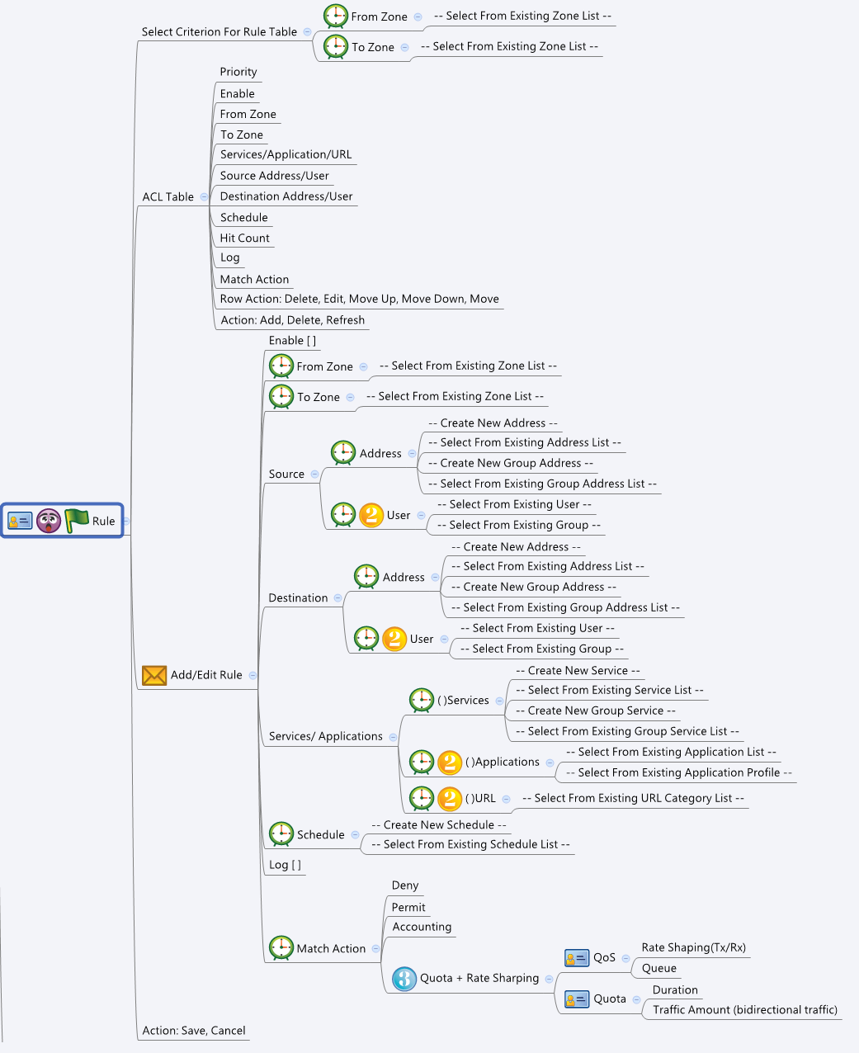

Behavior
# The "From Zone" and "To Zone" is used to query and filter the rules. When selected, show only those rules with the specific Zones
# There are 4 types of Rules: User Defined Rules (guiRulesT), VPN Rules (guiVpnRulesT), NAT Rules (guiNatRulesT) and Default Policies (guiDefaultRules)
# User can only add/edit/move User Defined Rules. Gray out the other types of rules.
# These 4 types of Rules are displayed in the tables, with the following sequence: User Defined Rules -> VPN Rules -> NAT Rules -> Default Policies
# Limitations: Max Rules Table Size = 100
[UI Display Name] | [CGI Name] | [JSON Name] | [Description] |  | Range / Default Value / Units
ACL Table / Add/Edit Rule
User Defined Rules
N/A | rules.cgi | guiRulesTNum | int, number of rules
N/A | rules.cgi | guiRulesT.gid | unique numeric ID
Enable | rules.cgi | guiRulesT.enabled | 0: disabled, 1: enabled |  | Default: 1
From Zone | rules.cgi | guiRulesT.fromZone | unique numeric ID of a zone object. Get information from common_zoneIf_list cgi. Show its name on GUI.
To Zone | rules.cgi | guiRulesT.toZone | unique numeric ID of a zone object. Get information from common_zoneIf_list cgi. Show its name on GUI.
Service/Application/URL | rules.cgi | guiRulesT.service | unique numeric ID of a service object. Get information from common_service_list and common_gService_list cgi. Show its name on GUI. | Note: only one of the service/application/url have value. If all of them are 0 or empty, it means "ANY" or "Don't care"
 | rules.cgi | guiRulesT.application | unique numeric ID of an application object. Not availible in this phase.
 | rules.cgi | guiRulesT.url | unique numeric ID of an application object. Not availible in this phase.
Source Address/User | rules.cgi | guiRulesT.sourceAddress | unique numeric ID of an address object. Get information from common_ip_list and common_gAddr_list cgi. Show its name on GUI. | Note: only one of the sourceAddress/sourecUser have value. If all of them are 0 or empty, it means "ANY" or "Don't care"
 | rules.cgi | guiRulesT.sourceUser | unique numeric ID of an user. Not availible in thie phase.
Destination Address/User | rules.cgi | guiRulesT.destinationAddress | unique numeric ID of an address object. Get information from common_ip_list and common_gAddr_list cgi. Show its name on GUI. | Note: only one of the destinationAddress/destinationUser have value. If all of them are 0 or empty, it means "ANY" or "Don't care"
 | rules.cgi | guiRulesT.destinationUser | unique numeric ID of an user. Not availible in thie phase.
Schedule | rules.cgi | guiRulesT.schedule | unique numeric ID of a schedule object. Get information from common_time_list cgi. Show its name on GUI.
Hit Count | rules.cgi | guiRulesT.hitCount | int
Log | rules.cgi | guiRulesT.log | 0: disabled, 1: enabled |  | Default: 0
Match Action | rules.cgi | guiRulesT.matchAction | 0: "Deny", 1: "Permit", 2: "Accounting" |  | Default: 0
N/A | rules.cgi | guiRulesT.cgiAction | 0: none, 1: add, 2: update, 3: delete
VPN Rules
N/A | rules.cgi | guiVpnRulesTNum | int, number of rules |  | Not Configurable
N/A | rules.cgi | guiVpnRulesT.gid | unique numeric ID |  | Not Configurable
Enable | rules.cgi | guiVpnRulesT.enabled | 0: disabled, 1: enabled |  | Not Configurable
From Zone | rules.cgi | guiVpnRulesT.fromZone | unique numeric ID of a zone object. Get information from common_zoneIf_list cgi. Show its name on GUI. |  | Not Configurable
To Zone | rules.cgi | guiVpnRulesT.toZone | unique numeric ID of a zone object. Get information from common_zoneIf_list cgi. Show its name on GUI. |  | Not Configurable
Service/Application/URL | rules.cgi | guiVpnRulesT.service | unique numeric ID of a service object. Get information from common_service_list and common_gService_list cgi. Show its name on GUI. | Note: only one of the service/application/url have value. If all of them are 0 or empty, it means "ANY" or "Don't care" | Not Configurable
 | rules.cgi | guiVpnRulesT.application | unique numeric ID of an application object. Not availible in this phase. |  | Not Configurable
 | rules.cgi | guiVpnRulesT.url | unique numeric ID of an application object. Not availible in this phase. |  | Not Configurable
Source Address/User | rules.cgi | guiVpnRulesT.sourceAddress | unique numeric ID of an address object. Get information from common_ip_list and common_gAddr_list cgi. Show its name on GUI. | Note: only one of the sourceAddress/sourecUser have value. If all of them are 0 or empty, it means "ANY" or "Don't care" | Not Configurable
 | rules.cgi | guiVpnRulesT.sourceUser | unique numeric ID of an user. Not availible in thie phase. |  | Not Configurable
Destination Address/User | rules.cgi | guiVpnRulesT.destinationAddress | unique numeric ID of an address object. Get information from common_ip_list and common_gAddr_list cgi. Show its name on GUI. | Note: only one of the destinationAddress/destinationUser have value. If all of them are 0 or empty, it means "ANY" or "Don't care" | Not Configurable
 | rules.cgi | guiVpnRulesT.destinationUser | unique numeric ID of an user. Not availible in thie phase. |  | Not Configurable
Schedule | rules.cgi | guiVpnRulesT.schedule | unique numeric ID of a schedule object. Get information from common_time_list cgi. Show its name on GUI. |  | Not Configurable
Hit Count | rules.cgi | guiVpnRulesT.hitCount | int |  | Not Configurable
Log | rules.cgi | guiVpnRulesT.log | 0: disabled, 1: enabled |  | Not Configurable
Match Action | rules.cgi | guiVpnRulesT.matchAction | 0: "Deny", 1: "Permit", 2: "Accounting" |  | Not Configurable
N/A | rules.cgi | guiVpnRulesT.cgiAction | 0: none, 1: add, 2: update, 3: delete |  | Not Configurable
NAT Rules
N/A | rules.cgi | guiNatRulesTNum | int, number of rules |  | Not Configurable
N/A | rules.cgi | guiNatRulesT.gid | unique numeric ID |  | Not Configurable
Enable | rules.cgi | guiNatRulesT.enabled | 0: disabled, 1: enabled |  | Not Configurable
From Zone | rules.cgi | guiNatRulesT.fromZone | unique numeric ID of a zone object. Get information from common_zoneIf_list cgi. Show its name on GUI. |  | Not Configurable
To Zone | rules.cgi | guiNatRulesT.toZone | unique numeric ID of a zone object. Get information from common_zoneIf_list cgi. Show its name on GUI. |  | Not Configurable
Service/Application/URL | rules.cgi | guiNatRulesT.service | unique numeric ID of a service object. Get information from common_service_list and common_gService_list cgi. Show its name on GUI. | Note: only one of the service/application/url have value. If all of them are 0 or empty, it means "ANY" or "Don't care" | Not Configurable
 | rules.cgi | guiNatRulesT.application | unique numeric ID of an application object. Not availible in this phase. |  | Not Configurable
 | rules.cgi | guiNatRulesT.url | unique numeric ID of an application object. Not availible in this phase. |  | Not Configurable
Source Address/User | rules.cgi | guiNatRulesT.sourceAddress | unique numeric ID of an address object. Get information from common_ip_list and common_gAddr_list cgi. Show its name on GUI. | Note: only one of the sourceAddress/sourecUser have value. If all of them are 0 or empty, it means "ANY" or "Don't care" | Not Configurable
 | rules.cgi | guiNatRulesT.sourceUser | unique numeric ID of an user. Not availible in thie phase. |  | Not Configurable
Destination Address/User | rules.cgi | guiNatRulesT.destinationAddress | unique numeric ID of an address object. Get information from common_ip_list and common_gAddr_list cgi. Show its name on GUI. | Note: only one of the destinationAddress/destinationUser have value. If all of them are 0 or empty, it means "ANY" or "Don't care" | Not Configurable
 | rules.cgi | guiNatRulesT.destinationUser | unique numeric ID of an user. Not availible in thie phase. |  | Not Configurable
Schedule | rules.cgi | guiNatRulesT.schedule | unique numeric ID of a schedule object. Get information from common_time_list cgi. Show its name on GUI. |  | Not Configurable
Hit Count | rules.cgi | guiNatRulesT.hitCount | int |  | Not Configurable
Log | rules.cgi | guiNatRulesT.log | 0: disabled, 1: enabled |  | Not Configurable
Match Action | rules.cgi | guiNatRulesT.matchAction | 0: "Deny", 1: "Permit", 2: "Accounting" |  | Not Configurable
N/A | rules.cgi | guiNatRulesT.cgiAction | 0: none, 1: add, 2: update, 3: delete |  | Not Configurable
Default Policy Rules
N/A | rules.cgi | guiDefaultRulesTNum | int, number of rules |  | Not Configurable
N/A | rules.cgi | guiDefaultRulesT.gid | unique numeric ID |  | Not Configurable
Enable | rules.cgi | guiDefaultRulesT.enabled | 0: disabled, 1: enabled |  | Not Configurable
From Zone | rules.cgi | guiDefaultRulesT.fromZone | unique numeric ID of a zone object. Get information from common_zoneIf_list cgi. Show its name on GUI. |  | Not Configurable
To Zone | rules.cgi | guiDefaultRulesT.toZone | unique numeric ID of a zone object. Get information from common_zoneIf_list cgi. Show its name on GUI. |  | Not Configurable
Service/Application/URL | rules.cgi | guiDefaultRulesT.service | unique numeric ID of a service object. Get information from common_service_list and common_gService_list cgi. Show its name on GUI. | Note: only one of the service/application/url have value. If all of them are 0 or empty, it means "ANY" or "Don't care" | Not Configurable
 | rules.cgi | guiDefaultRulesT.application | unique numeric ID of an application object. Not availible in this phase. |  | Not Configurable
 | rules.cgi | guiDefaultRulesT.url | unique numeric ID of an application object. Not availible in this phase. |  | Not Configurable
Source Address/User | rules.cgi | guiDefaultRulesT.sourceAddress | unique numeric ID of an address object. Get information from common_ip_list and common_gAddr_list cgi. Show its name on GUI. | Note: only one of the sourceAddress/sourecUser have value. If all of them are 0 or empty, it means "ANY" or "Don't care" | Not Configurable
 | rules.cgi | guiDefaultRulesT.sourceUser | unique numeric ID of an user. Not availible in thie phase. |  | Not Configurable
Destination Address/User | rules.cgi | guiDefaultRulesT.destinationAddress | unique numeric ID of an address object. Get information from common_ip_list and common_gAddr_list cgi. Show its name on GUI. | Note: only one of the destinationAddress/destinationUser have value. If all of them are 0 or empty, it means "ANY" or "Don't care" | Not Configurable
 | rules.cgi | guiDefaultRulesT.destinationUser | unique numeric ID of an user. Not availible in thie phase. |  | Not Configurable
Schedule | rules.cgi | guiDefaultRulesT.schedule | unique numeric ID of a schedule object. Get information from common_time_list cgi. Show its name on GUI. |  | Not Configurable
Hit Count | rules.cgi | guiDefaultRulesT.hitCount | int |  | Not Configurable
Log | rules.cgi | guiDefaultRulesT.log | 0: disabled, 1: enabled |  | Not Configurable
Match Action | rules.cgi | guiDefaultRulesT.matchAction | 0: "Deny", 1: "Permit", 2: "Accounting" |  | Not Configurable
N/A | rules.cgi | guiDefaultRulesT.cgiAction | 0: none, 1: add, 2: update, 3: delete |  | Not Configurable

Common Zone
N/A | common_zoneIf_list.cgi | guiZoneIfTNum | int
N/A | common_zoneIf_list.cgi | guiZoneIfT.gid | int, unique id of zone object
N/A | common_zoneIf_list.cgi | guiZoneIfT.name | All viewable ASCII code except (whitespace) ‘ ` “ % ?
N/A | common_zoneIf_list.cgi | guiZoneIfT.userDefined | 0: Not user defined, 1: User defined
N/A | common_zoneIf_list.cgi | guiZoneIfT.seurityLevel | int
Common Service
N/A | common_service_list.cgi | guiServiceTNum | int
N/A | common_service_list.cgi | guiServiceT.gid | int
N/A | common_service_list.cgi | guiServiceT.name | All viewable ASCII code except (whitespace) ‘ ` “ % ?
N/A | common_service_list.cgi | guiServiceT.userDefined | 0/1
N/A | common_service_list.cgi | guiServiceT.type | int: 0: both (tcp/udp), 1: tcp, 2: udp, 3: icmp, 4: ip
N/A | common_service_list.cgi | guiServiceT.param1 | int
N/A | common_service_list.cgi | guiServiceT.param2 | int
Common IP
N/A | common_ip_list.cgi | guiIpTNum | int
N/A | common_ip_list.cgi | guiIpT.gid | int
N/A | common_ip_list.cgi | guiIpT.name | All viewable ASCII code except (whitespace) ‘ ` “ % ?
N/A | common_ip_list.cgi | guiIpT.userDefined | 0/1
N/A | common_ip_list.cgi | guiIpT.type | int: 1: host, 2: network, 3: range
N/A | common_ip_list.cgi | guiIpT.startIp | ipaddr
N/A | common_ip_list.cgi | guiIpT.endIp | ipaddr
N/A | common_ip_list.cgi | guiIpT.netmask | netmask
Common Time
N/A | common_time_list.cgi | guiTimeTNum | int
N/A | common_time_list.cgi | guiTimeT.gid | int
N/A | common_time_list.cgi | guiTimeT.name | All viewable ASCII code except (whitespace) ‘ ` “ % ?
N/A | common_time_list.cgi | guiTimeT.type | int: 1: all days+all time, 2: all day+spec time, 3: spec days+all time, 4: spec days+spec time
N/A | common_time_list.cgi | guiTimeT.userDefined | 0/1
N/A | common_time_list.cgi | guiTimeT.day | int
N/A | common_time_list.cgi | guiTimeT.startHour | Range: 0~23, Default: 1
N/A | common_time_list.cgi | guiTimeT.startMin | Range: 0~59, Default: 0
N/A | common_time_list.cgi | guiTimeT.endHour | Range: 0~23, Default: 1
N/A | common_time_list.cgi | guiTimeT.endMin | Range: 0~59, Default: 0

JSON String

common_zoneIf_list.cgi
## GET for get previous settings ##
{
"guiZoneIfTNum":"2", "guiZoneIfT":[{"gid":"9990", "name":"Zone1", "userDefined":"1", "securityLevel":"0"}, {"gid":"9999", "name":"Zone2", "userDefined":"1", "securityLevel":"0"}]
}
## NO POST Method
rules.cgi
## GET & POST methods ##
{
"guiRulesTNum": "1",
"guiVpnRulesTNum": "1",
"guiNatRulesTNum": "1",
"guiDefaultRulesTNum": "1",
"guiRulesT": [
{
"gid": "999000",
"enabled": "1",
"fromZone": "9990",
"toZone": "9999",
"service": "4710",
"application": "",
"url": "",
"sourceAddress": "10",
"sourceUser": "",
"destinationAddress": "0",
"destinationUser": "",
"schedule": "70",
"hitCount": "199",
"log": "1",
"matchAction": "0",
"cgiAction": "0"
}
],
"guiVpnRulesT": [
{
"gid": "1000000",
"enabled": "1",
"fromZone": "0",
"toZone": "0",
"service": "0",
"application": "",
"url": "",
"sourceAddress": "10",
"sourceUser": "",
"destinationAddress": "0",
"destinationUser": "",
"schedule": "70",
"hitCount": "199",
"log": "1",
"matchAction": "0",
"cgiAction": "0"
}
],
"guiNatRulesT": [
{
"gid": "989000",
"enabled": "1",
"fromZone": "9999",
"toZone": "0",
"service": "4711",
"application": "",
"url": "",
"sourceAddress": "0",
"sourceUser": "",
"destinationAddress": "0",
"destinationUser": "",
"schedule": "0",
"hitCount": "99",
"log": "1",
"matchAction": "0",
"cgiAction": "0"
}
],
"guiDefaultRulesT": [
{
"gid": "970000",
"enabled": "1",
"fromZone": "9999",
"toZone": "9991",
"service": "0",
"application": "",
"url": "",
"sourceAddress": "0",
"sourceUser": "",
"destinationAddress": "0",
"destinationUser": "",
"schedule": "0",
"hitCount": "199",
"log": "1",
"matchAction": "1",
"cgiAction": "0"
}
]
}

## cgi name ##
common_service_list.cgi
## GET methods ##
{
"guiServiceTNum": 1,
"guiServiceT": [
{
"gid": 4710,
"name": "DNS",
"type": 0,
"userDefined": 0,
"param1": 53,
"param2": 53
}
]
}

## cgi name ##
common_ip_list.cgi
## GET methods ##
{
"guiIpTNum": 1,
"guiIpT": [
{
"gid": 10,
"name": "DEFAULT_IP",
"userDefined": 0,
"type": 1,
"startIp": "192.168.75.1",
"endIp": "192.168.75.1",
"netmask": "255.255.255.255"
}
]
}

## cgi name ##
common_time_list.cgi
## GET methods ##
{
"guiTimeTNum": 1,
"guiTimeT": [
{
"gid": 70,
"name": "DEFAULT",
"type": 0,
"userDefined": 0,
"day": 0,
"startHour": 1,
"startMin": 0,
"endHour": 9,
"endMin": 0
}
]
}

