GUI CGI SPEC
Xmind
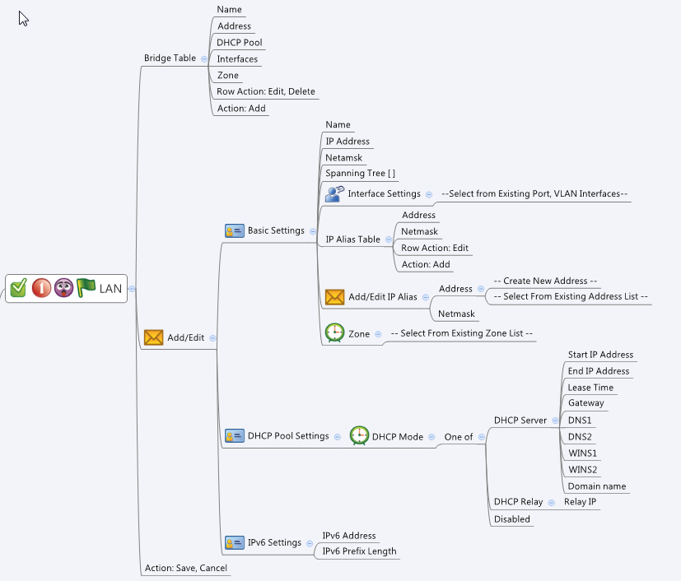

Behavior
# If user did not fill both "IP Address" and "Netmask", gray out "IP Alias Table"
# End IP Address must greater than Start IP Address
# Use the routing.cgi to get "protoType". If "protoType" != 3, grayout the IPv6 Setting page.
# If userDefined=0, this LAN interface cannot be delete. Gray out the delete row action button if that is the case
# IP alias addresses should be choose from the common_ip_list cgi. They must be "Host" type.
# Hide the corresponding DHCP options according to DHCP mode.
# Limitations: Max LAN Table Size = 32
# Limitations: Max number of members per LAN = 16
# Limitations: Max number of IP alias per LAN = 8
[UI Display Name] | [CGI Name] | [JSON Name] | [Description] | Range / Default Value / Units
Bridge Table: |  |  |  | Table size: 32
N/A | lan.cgi | guiLanIfTNum | int
N/A | lan.cgi | guiLanIfT.gid | unique numeric ID
Name | lan.cgi | guiLanIfT.name | All viewable ASCII code except (whitespace) ‘ ` “ % ? | length: 63
N/A | lan.cgi | guiLanIfT.userDefined | 0: non-user defined, 1: user defined.
Address | lan.cgi | guiLanIfT.address | IPv4 address
DHCP Pool | lan.cgi | guiLanIfT.dhcpPool | alphabet & numberical (unique), name of the IP address object
Interfaces | lan.cgi | guiLanIfT.interfaces | int list of the gid of joined VLAN or Port interfaces. Display their name
Zone | lan.cgi | guiLanIfT.zoneId | unique numeric ID of the zoneIf object. Display its name on GUI
N/A | lan.cgi | guiLanIfT.cgiAction | int: 0:none, 1:add, 2:update, 3:delete

Basic Settings:
Name | lan.cgi | guiLanIfT.name | All viewable ASCII code except (whitespace) ‘ ` “ % ? | length: 63
IP Address | lan.cgi | guiLanIfT.address | IPv4 address
Netmask | lan.cgi | guiLanIfT.netmask | IPv4 netmask
Spanning Tree | lan.cgi | guiLanIfT.stp | 0: Disabled, 1: Enabled | Default: 0
Interface | lan.cgi | guiLanIfT.interface | int list of the gid of joined VLAN or Port interfaces. Display their name | Max: 16
Zone | lan.cgi | guiLanIfT.zoneId | unique numeric ID of the zoneIf object. Display its name on GUI

IP Alias Table: |  |  |  | Table size: 32
N/A | port.cgi | guiIpAliasTNum | int
N/A | port.cgi | guiIpAliasT.ipAliasCnt | int
Address | port.cgi | guiIpAliasT.address | List of IP address objects. Get this information from common_ip_list. Display its IP address on GUI. It must be Host type.
Netmask | port.cgi | guiIpAliasT.netmask | List of IPv4 netmask.

DHCP Pool Settings: | lan.cgi
N/A | lan.cgi | guiDhcpsTNum | int
N/A | lan.cgi | guiDhcpsT.gid | unique numeric ID
DHCP Type | lan.cgi | guiDhcps.type | Disable (0), DHCP server (1) or DHCP Relay (2) | Default: 1
Start IP Address | lan.cgi | guiDhcpsT.startIp | IPv4 address
End IP Address | lan.cgi | guiDhcpsT.endIp | IPv4 address
Lease Time | lan.cgi | guiDhcpsT.leaseTime | int, unit is second | Range:1800-86400 , Default:86400, Unit: second
Gateway | lan.cgi | guiDhcpsT.gateway | IPv4 address
DNS1 | lan.cgi | guiDhcpsT.dns1 | IPv4 address
DNS2 | lan.cgi | guiDhcpsT.dns2 | IPv4 address
WINS1 | lan.cgi | guiDhcpsT.wins1 | IPv4 address
WINS2 | lan.cgi | guiDhcpsT.wins2 | IPv4 address
Domain name | lan.cgi | guiDhcpsT.domainName | FQDN string
Relay IP | lan.cgi | guiDhcpsT.relayIp | IPv4 address

IPv6 Settings
IPv6 Address | lan.cgi | guiLanIfT.ipv6Address | ipv6 address
IPv6 Prefix Length | lan.cgi | guiLanIfT.ipv6PrefixLength | int, 0~128

guiZoneIfT:
N/A | common_zoneIf_list.cgi | guiZoneIfTNum | int
N/A | common_zoneIf_list.cgi | guiZoneIfT.gid | int, unique id of zone object
N/A | common_zoneIf_list.cgi | guiZoneIfT.name | All viewable ASCII code except (whitespace) ‘ ` “ % ?
N/A | common_zoneIf_list.cgi | guiZoneIfT.userDefined | 0: Not user defined, 1: User defined
N/A | common_zoneIf_list.cgi | guiZoneIfT.seurityLevel | int

N/A | common_PortIf_list.cgi | guiPortIfTNum | int

N/A | common_PortIf_list.cgi | guiPortIfTNum | int
guiPortIfT:
N/A | common_PortIf_list.cgi | guiPortIfT.gid | int, unique id of zone object
N/A | common_PortIf_list.cgi | guiPortIfT.name | GE1~GE8
N/A | common_PortIf_list.cgi | guiPortIfT.type | 0: LAN 1:WAN, 2: Bridged

N/A | common_vLanIf_list.cgi | guiVlanIfTNum | int
guiVlanIfT:
N/A | common_vLanIf_list.cgi | guiVlanIfT.gid | int, unique id of zone object
N/A | common_vLanIf_list.cgi | guiVlanIfT.name | All viewable ASCII code except (whitespace) ‘ ` “ % ?
N/A | common_vLanIf_list.cgi | guiVlanIfT.vid | 1~4094
N/A | common_vLanIf_list.cgi | guiVlanIfT.userDefined | 0: not user defined, 1: user defined
N/A | common_vLanIf_list.cgi | guiVlanIfT.ip | IPv4 address
N/A | common_vLanIf_list.cgi | guiVlanIfT.netmask | IPv4 netmask

common_zoneIf_list.cgi
## GET for get previous settings ##
{
"guiZoneIfTNum":2, "guiZoneIfT":[{"gid":9990, "name":"Zone1", "userDefined":1, "securityLevel":0}, {"gid":9999, "name":"Zone2", "userDefined":1, "securityLevel":0}]
}
## NO POST Method
JSON String
lan.cgi
## GET/POST for get previous settings ##
{
"guiLanIfTNum": 1,
"guiLanIfT": [
{
"gid": 7000,
"name": "Bridge01",
"userDefined":1,
"address": "10.10.10.1",
"netmask": "25.255.255.0",
"stp": 0,
"dhcpPool": "Bridge01_DHCP_POOL",
"interfaces": "1000;1001;8000",
"zone": 9990,
"ipv6Address":"fd7a:b34f:1e85::1",
"ipv6PrefixLength":64,
"cgiAction": 0
}
],
"guiIpAliasTNum": 1,
"guiIpAliasT": [
{
"ipAliasCnt": 2,
"address": "9000;9001",
"netmask": "255.255.255.0; 255.255.255.0"
}
],
"guiDhcpsTNum": 1,
"guiDhcpsT": [
{
"gid": 2019,
"type": "1",
"startIp": "10.10.10.200",
"endIp": "10.10.10.250",
"relayIp": "",
"leaseTime": 1440,
"gateway": "10.10.10.1",
"dns1": "8.8.8.8",
"dns2": "",
"wins1": "",
"wins2": "",
"domainName": "myDomain"
}
]
}

common_portIf_list.cgi
## GET for get previous settings ##
{
"guiPortIfTNum":2, "guiPortIfIfT":[{"gid":1000, "name":"GE1", "type":0}, {"gid":1001, "name":"GE2", "type":1}]
}
## NO POST Method

common_vlanIpIf_list.cgi
## GET for get previous settings ##
{
"guiVlanIfTNum":2, "guiVlanIfT":[{"gid":8000, "name":"VLAN1", "vid":2, "userDefined":1, "ip":"192.168.2.1", "netmask":"255.255.255.0"}, {"gid":8001, "name":"VLAN2", "vid":3, "userDefined":1, "ip":"192.168.3.1", "netmask":"255.255.255.0"}]
}

## cgi name ##
routing.cgi
## GET methods ##
{
"routeMode": 0,
"protoType": 1
}

## cgi name ##
common_ip_list.cgi
## GET methods ##
{
"guiIpTNum": 3,
"guiIpT": [
{
"gid": 9000,
"name": "LAN1_Alias1",
"userDefined": 1,
"type": 1,
"startIp": "1.1.1.1",
"endIp": "1.1.1.254",
"netmask": ""
}
{
"gid": 9001,
"name": "LAN1_Alias2",
"userDefined": 1,
"type": 1,
"startIp": "1.1.1.2",
"endIp": "1.1.1.254",
"netmask": ""
}
{
"gid": 9002,
"name": "WAN2_Alias1",
"userDefined": 1,
"type": 1,
"startIp": "2.2.2.1",
"endIp": "2.2.2.254",
"netmask": ""
}
]
}

