GUI CGI SPEC
Xmind
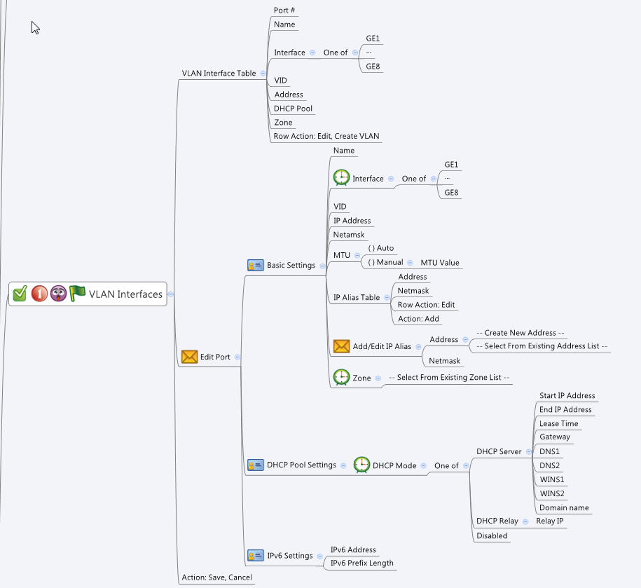

Behavior
# If user did not fill both "IP Address" and "Netmask", gray out "IP Alias Table"
# If a VLAN belongs to either a bridge or WAN interface, gray out the "Edit" row action button of this VLAN (see guiVlanIpIfT.type)
# If a vlan belongs to either a bridge or WAN interface, make its IP addresses unconfiguation
# VID should be unique within a Physical Interface
# End IP Address must greater than Start IP Address
# Use the routing.cgi to get "protoType". If "protoType" != 3, grayout the IPv6 Setting page.
# IP alias addresses should be choose from the common_ip_list cgi. They must be "Host" type.
# Hide the corresponding DHCP options according to DHCP mode.
# When "MTU" is set to "Auto", gray out "MTU Value" input field
# Limitations: Max VLAN Table Size = 128
# Limitations: Max number of IP alias per VLAN = 8
# Have an alert(not block) if user set a MTU lower than 1280bytes when ipv6 enable. "MTU setting lower than minimum IPv6 link MTU, IPv6 function won't work "
[UI Display Name] | [CGI Name] | [JSON Name] | [Description] | Range / Default Value / Units
VLAN Table: |  |  |  | Table size: 128
N/A | vlan.cgi | guiVlanIfTNum | int
N/A | vlan.cgi | guiVlanIfT.gid | unique numeric ID
Port # | vlan.cgi | guiVlanIfT.port | int, index
Name | vlan.cgi | guiVlanIfT.name | All viewable ASCII code except (whitespace) ‘ ` “ % ? | Length: 15 (not configurable)
N/A | vlan.cgi | guiVlanIfT.type | 0: LAN, 1: WAN, 2: Bridged | Default: 0
Interface | vlan.cgi | guiVlanIfT.interface | GE1 ~ GE8
VID | vlan.cgi | guiVlanIfT.vid | int, 1~4094 | Range: 1~4094
Address | vlan.cgi | guiVlanIfT.address | IPv4 address
DHCP Pool | vlan.cgi | guiVlanIfT.dhcpPool | All viewable ASCII code except (whitespace) ‘ ` “ % ? , name of the IP address object
Zone | vlan.cgi | guiVlanIfT.zoneId | unique numeric ID of the zoneIf object. Display its name on GUI
N/A | vlan.cgi | guiVlanIfT.cgiAction | int: 0:none, 1:add, 2:update, 3:delete

Basic Settings:
Name | vlan.cgi | guiVlanIfT.name | All viewable ASCII code except (whitespace) ‘ ` “ % ? | Length: 15 (not configurable)
Interface | vlan.cgi | guiVlanIfT.interface | GE1 ~ GE8
VID | vlan.cgi | guiVlanIfT.vid | int, 1~4094 | Range: 1~4094
IP Address | vlan.cgi | guiVlanIfT.address | IPv4 address
Netmask | vlan.cgi | guiVlanIfT.netmask | IPv4 netmask
MTU | vlan.cgi | guiVlanIfT.mtuMode | Auto (0) or Manual (1) | Default: 0
MTU Value | vlan.cgi | guiVlanIfT.mtuValue | "Range: 576~1500, Default: 1500, Units: Bytes If IPv6 is enabled, the range is changed to 1280 ~ 1500. If the original mtu is less than 1280, it will be set to 1280. "
Zone | vlan.cgi | guiVlanIfT.zoneId | unique numeric ID of the zoneIf object. Display its name on GUI

IP Alias Table: |  |  |  | Table size: 32
N/A | vlan.cgi | guiIpAliasTNum | int
N/A | vlan.cgi | guiIpAliasT.ipAliasCnt | int
Address | vlan.cgi | guiIpAliasT.address | List of IP address objects. Get this information from common_ip_list. Display its IP address on GUI. It must be Host type.
Netmask | vlan.cgi | guiIpAliasT.netmask | List of IPv4 netmask.

DHCP Pool Settings: | vlan.cgi
N/A | vlan.cgi | guiDhcpsTNum | int
N/A | vlan.cgi | guiDhcpsT.gid | unique numeric ID
DHCP Type | vlan.cgi | guiDhcpsT.type | Disable (0), DHCP server (1) or DHCP Relay (2) | Default: 1
Start IP Address | vlan.cgi | guiDhcpsT.startIp | IPv4 address
End IP Address | vlan.cgi | guiDhcpsT.endIp | IPv4 address
Lease Time | vlan.cgi | guiDhcpsT.leaseTime | int, unit is second | Range:1800-86400 , Default:86400, Unit: second
Gateway | vlan.cgi | guiDhcpsT.gateway | IPv4 address
DNS1 | vlan.cgi | guiDhcpsT.dns1 | IPv4 address
DNS2 | vlan.cgi | guiDhcpsT.dns2 | IPv4 address
WINS1 | vlan.cgi | guiDhcpsT.wins1 | IPv4 address
WINS2 | vlan.cgi | guiDhcpsT.wins2 | IPv4 address
Domain name | vlan.cgi | guiDhcpsT.domainName | FQDN string
Relay IP | vlan.cgi | guiDhcpsT.relayIp | IPv4 address

IPv6 Settings | vlan.cgi
IPv6 Address | vlan.cgi | guiVlanIfT.ipv6Address | ipv6 address
IPv6 Prefix Length | vlan.cgi | guiVlanIfT.ipv6PrefixLength | int, 0~128

guiZoneIfT:
N/A | common_zoneIf_list.cgi | guiZoneIfTNum | int
N/A | common_zoneIf_list.cgi | guiZoneIfT.gid | int, unique id of zone object
N/A | common_zoneIf_list.cgi | guiZoneIfT.name | All viewable ASCII code except (whitespace) ‘ ` “ % ?
N/A | common_zoneIf_list.cgi | guiZoneIfT.userDefined | 0: Not user defined, 1: User defined
N/A | common_zoneIf_list.cgi | guiZoneIfT.seurityLevel | int

JSON String

vlan.cgi
## GET & POST for get previous settings ##
{
"guiVlanIfTNum": "2",
"guiVlanIfT": [
{
"gid": 8080,
"port": 1,
"name": "VLAN1",
"type": 0,
"interface": "GE1",
"vid": 9,
"address": "192.168.9.1",
"netmask": "255.255.255.0",
"dhcpPool": "VLAN1_POOL",
"mtuMode": 0,
"mtuValue": "1500",
"zoneId": 9999,
"ipv6Address":"fd7a:b34f:1e85::1",
"ipv6PrefixLength":64,
"cgiAction": 0
},
{
"gid": 8081,
"port": 2,
"name": "VLAN2",
"type": 0,
"interface": "GE1",
"vid": 19,
"address": "192.168.19.1",
"netmask": "255.255.255.0",
"dhcpPool": "",
"mtuMode": 0,
"mtuValue": 1500,
"zoneId": 9999,
"ipv6Address":"fd20:2755:3d3e::1",
"ipv6PrefixLength":64,
"cgiAction": 0
}
],
"guiIpAliasTNum": 2,
"guiIpAliasT": [
{
"ipAliasCnt": 1,
"address": "9000",
"netmask": "255.255.255.0"
},
{
"ipAliasCnt": 2,
"address": "9001;9002",
"netmask": "255.255.0.0;255.0.0.0"
}
],
"guiDhcpsTNum": 2,
"guiDhcpsT": [
{
"gid": 2010,
"type": 1,
"startIp": "192.168.9.100",
"endIp": "192.168.9.200",
"relayIp": "",
"leaseTime": 1440,
"gateway": "192.168.9.1",
"dns1": "8.8.8.8",
"dns2": "",
"wins1": "",
"wins2": "",
"domainName": "myDomain"
},
{
"gid": 2011,
"type": 2,
"startIp": "",
"endIp": "",
"relayIp": "12.34.56.78",
"leaseTime": "",
"gateway": "",
"dns1": "",
"dns2": "",
"wins1": "",
"wins2": "",
"domainName": ""
}
],
}
common_zoneIf_list.cgi
## GET for get previous settings ##
{
"guiZoneIfTNum":2, "guiZoneIfT":[{"gid":9990, "name":"Zone1", "userDefined":1, "securityLevel":0}, {"gid":9999, "name":"Zone2", "userDefined":1, "securityLevel":0}]
}
## NO POST Method

## cgi name ##
routing.cgi
## GET methods ##
{
"routeMode": 0,
"protoType": 1
}

## cgi name ##
common_ip_list.cgi
## GET methods ##
{
"guiIpTNum": 3,
"guiIpT": [
{
"gid": 9000,
"name": "VLAN_Alias1",
"userDefined": 1,
"type": 1,
"startIp": "1.1.1.1",
"endIp": "1.1.1.254",
"netmask": ""
}
{
"gid": 9001,
"name": "VLAN_Alias2",
"userDefined": 1,
"type": 1,
"startIp": "1.1.1.2",
"endIp": "1.1.1.254",
"netmask": ""
}
{
"gid": 9002,
"name": "VLAN_Alias3",
"userDefined": 1,
"type": 1,
"startIp": "2.2.2.1",
"endIp": "2.2.2.254",
"netmask": ""
}
]
}

