GUI CGI SPEC
Xmind
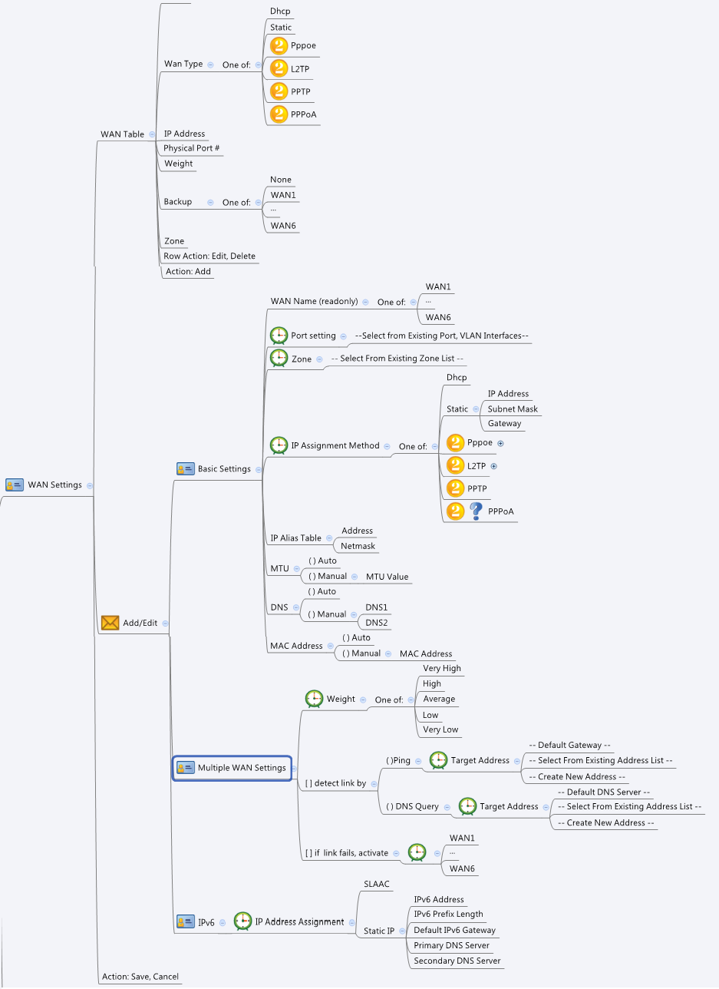

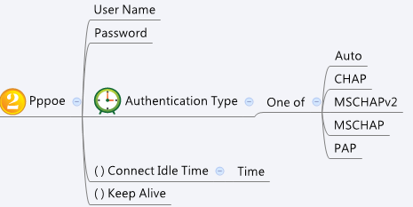

Behavior
# "Name" is not configurable and should always be grayed out
# if "[ ] detect link by" is not enabled, grayed out "( )Ping", " ( ) DNS Query" and "[ ] if link fails, activate" settings
# if "[ ] if link fails, activate" is not enabled, grayed out its selection
# Use the routing.cgi to get "protoType". If "protoType" != 3, grayout the IPv6 page.
# IP alias addresses should be choose from the common_ip_list cgi. They must be "Host" type.
# When user changes "IP Assignment Method", GUI should show the corresponding previous setting of the Method (include MTU and DNS settings)
# For 'Static' IP Assignment Method the, DNS mode MUST be Manual (change to Auto if user choose other method)
# Limitations: Max WAN Table Size = 6
# Limitations: Max IP Alias Table Size for each WAN = 8
# Have an alert(not block) if user set a MTU lower than 1280bytes when ipv6 enable. "MTU setting lower than minimum IPv6 link MTU, IPv6 function won't work "
# Gray out IP Alias tab if IP Assigment Method is PPPoE
#Please have a message to notify user that "IP Alias settings will be auto-removed" when user select PPPoE as the WAN protocol

[UI Display Name] | [CGI Name] | [JSON Name] | [Description] | [Example]
WAN Table:
N/A | wan.cgi | wanIpIfT.gid |  | 32154212
Name | wan.cgi | wanIpIfT.name | WAN1~6 (readonly) | WAN1
Description | wan.cgi | wanIpIfT.description | length: 100 | My PPPoE Hinet 1
Wan Type | wan.cgi | wanIpIfT.wanProto | 0: Static, 1: DHCP, 2: PPPoE, 3: L2TP, 4: PPTP | 1
IP Address | wan.cgi | wanIpIfT.address | If wanProto=0, show the staticip settings; Otherwise, show wanIpIfT.address | 172.16.100.100/24
Interface | wan.cgi | wanIpIfT.portId | unique numeric ID (gid) of Port (ethPhyIfT.gid) or VLAN (guiVlanIpIfT.gid) Interface. Display its name on GUI | GE1 or GE1.1
Weight | wan.cgi | wanIpIfT.weight | ~20:"Very Low", 21~40:"Low", 41~60:"Average", 61~80:"High", 81~:"Very High" | 50
Backup | wan.cgi | wanIpIfT.backupWanName | "WANx" | WAN2
Zone | wan.cgi | wanIpIfT.zoneId | unique numeric ID (gid) of the zoneIf object. Display its name on GUI | WAN
N/A | wan.cgi | wanIpIfT.cgiAction | int: 0:none, 1:add, 2:update, 3:delete | none

Basic Settings:
Name | wan.cgi | wanIpIfT.name | WAN1~6 (readonly)
Description | wan.cgi | wanIpIfT.description | len:100 | My PPPoE Hinet 1
Port setting | wan.cgi | wanIpIfT.portId | --Select from Existing Port, VLAN Interfaces--, gid of Port/VLAN Interfaces
Zone | wan.cgi | wanIpIfT.zoneId | -- Select From Existing Zone List -- (default: WAN)
IP Assignment Method | wan.cgi | wanIpIfT.wanProto | 0: Static, 1: DHCP, 2: PPPoE, 3: L2TP, 4: PPTP (default: DHCP)

== wanProto - Static IP:
IP Address | wan.cgi | staticipT.ip | ipaddr, ip and gateway should in the same subnet
Subnet Mask | wan.cgi | staticipT.netmask | netmask, ip and gateway should in the same subnet
Gateway | wan.cgi | staticipT.gateway | ipaddr, ip and gateway should in the same subnet
(mtuMode) | wan.cgi | staticipT.mtuMode | 0: Auto, 1: Manual (default: 0)
MTU | wan.cgi | staticipT.mtu | "Range: 68~1500, Default: 1500, Units: Bytes If IPv6 is enabled, the range is changed to 1280 ~ 1500. If the original mtu is less than 1280, it will be set to 1280. "
(dnsMode) | wan.cgi | staticipT.dnsMode | 0: Auto, 1: Manual (default and must: 1)
DNS1 | wan.cgi | staticipT.userDns1 | ipaddr
DNS2 | wan.cgi | staticipT.userDns2 | ipaddr

== wanProto - DHCP:
(mtuMode) | wan.cgi | dhcpcT.mtuMode | 0: Auto, 1: Manual (default: 0)
MTU | wan.cgi | dhcpcT.mtu | (default: 1500)
(dnsMode) | wan.cgi | dhcpcT.dnsMode | 0: Auto, 1: Manual (default: 0)
DNS1 | wan.cgi | dhcpcT.userDns1 | ipaddr
DNS2 | wan.cgi | dhcpcT.userDns2 | ipaddr

== wanProto - PPPoE:
User Name | wan.cgi | pppoecT.username | length: 63
Password | wan.cgi | pppoecT.password | length: 63
Authentication Type | wan.cgi | pppoecT.authType | int, 0: Auto, 1: PAP, 2: CHAP, 3: MSCHAP, 4: MSCHAPv2
Keep Alive / Connect Idle Time | wan.cgi | pppoecT.ondemand | int, 0: Keep Alive, 1: Connect Idle (dial on demand) (default: 0)
(idle time) | wan.cgi | pppoecT.maxIdleTime | int, 5- 999 minutes (default: 10)
(mtuMode) | wan.cgi | pppoecT.mtuMode | 0: Auto, 1: Manual (default: 0)
MTU | wan.cgi | pppoecT.mtu | (576~1492, default: 1492)
(dnsMode) | wan.cgi | pppoecT.dnsMode | 0: Auto, 1: Manual (default: 0)
DNS1 | wan.cgi | pppoecT.userDns1 | ipaddr
DNS2 | wan.cgi | pppoecT.userDns2 | ipaddr

N/A | wan.cgi | ipAliasT.ipAliasCnt | int, number of ip alias for this WAN interface
IP Alias Table: Address | wan.cgi | ipAliasT.address | List of ipId array. The entries are gid of each ip object. They must be host type. | "9000;9001"
IP Alias Table: Netmask | wan.cgi | ipAliasT.netmask | "255.255.255.0;255.255.255.0;"

(macMode) | wan.cgi | wanIpIfT.macCloneEnable | 0: Auto, 1: Manual (default: 0)
MAC Address | wan.cgi | wanIpIfT.macClone | MAC Address

Multiple WAN Settings:
Weight | wan.cgi | wanIpIfT.weight | int, "Very Low":10, "Low":30, "Average":50, "High"70, "Very High":90, Default:50
[ ] detect link by | wan.cgi | wanIpIfT.netDetectEnable | 0: disable, 1: enable, Default:0
( )Ping / ( ) DNS Query | wan.cgi | wanIpIfT.netDetectMethod | 0: ping, 1: dns, Default:0
Ping - Target Address | wan.cgi | wanIpIfT.netDetectPingIpId | 0: -- Default Gateway --, others(guiIpT.gid): -- Select From Existing Address List --
DNS Query - Target Address | wan.cgi | wanIpIfT.netDetectDnsIpId | 0: -- Default DNS Server --, others(guiIpT.gid): -- Select From Existing Address List --
[ ] if link fails, activate | wan.cgi | wanIpIfT.failoverEnable | 0: disable, 1: enable, Default:0
if link fails, activate | wan.cgi | wanIpIfT.backupWanName | empty string "", or other WAN's name

IPv6:
IP Address Assignment | wan.cgi | wanIpIfT.wanProto_v6 | 0: Static IP, 1: SLAAC
IPv6 Address | wan.cgi | staticip6T.ip
IPv6 Prefix Length | wan.cgi | staticip6T.prefix
Default IPv6 Gateway | wan.cgi | staticip6T.gateway
Primary DNS Server | wan.cgi | staticip6T.userDns1
Secondary DNS Server | wan.cgi | staticip6T.userDns2

ipTNum | common_ip_list.cgi | guiIpTNum | int
gid | common_ip_list.cgi | guiIpT.gid | int
name | common_ip_list.cgi | guiIpT.name | All viewable ASCII code except (whitespace) ‘ ` “ % ?
userDefined | common_ip_list.cgi | guiIpT.userDefined | 0/1
type | common_ip_list.cgi | guiIpT.type | int: 1: host, 2: network, 3: range
startIp | common_ip_list.cgi | guiIpT.startIp | ipaddr
endIp | common_ip_list.cgi | guiIpT.endIp | ipaddr
netmask | common_ip_list.cgi | guiIpT.netmask | netmask

JSON String

wan.cgi
## GET for get previous settings ##
{
"wanIpIfT":[
{"gid":"851974", "name":"WAN1", "description":"My Hinet","wanProto":"1", "wanProto_v6":"0", "address":"192.168.100.100/24", "portId":"269484032", "zoneId":"1048577", "macCloneEnable":"0", "macClone":"", "weight":"50", "netDetectEnable":"1", "netDetectMethod":"0", "netDetectPingIpId":"0", "netDetectDnsIpId":"0", "failoverEnable":"1", "backupWanName":"WAN2", "cgiAction":"0"},
{"gid":"851975", "name":"WAN2", "description":"My Seednet","wanProto":"0", "wanProto_v6":"0", "address":"192.168.100.254/24", "portId":"269484033", "zoneId":"1048577", "macCloneEnable":"0", "macClone":"", "weight":"50", "netDetectEnable":"0", "netDetectMethod":"0", "netDetectPingIpId":"0", "netDetectDnsIpId":"0", "failoverEnable":"0", "backupWanName":"0", "cgiAction":"0"}
],
"ipAliasT":[
{"ipAliasCnt":2,"address":"9000;9001", "netmask":"255.255.255.0;255.255.255.255"},
{"ipAliasCnt":1,"address":"9002", "netmask":"255.255.0.0"}
],
"staticipT":[
{"gid":"269025280", "ip":"", "netmask":"255.255.255.0", "gateway":"", "mtuMode":"0", "mtu":"1500", "dnsMode":"0", "userDns1":"", "userDns2":""},
{"gid":"269025281", "ip":"192.168.100.254", "netmask":"255.255.255.0", "gateway":"192.168.100.1", "mtuMode":"0", "mtu":"1500", "dnsMode":"1", "userDns1":"168.95.1.1", "userDns2":"168.95.1.2"}
],
"dhcpcT":[
{"gid":"271122432", "mtuMode":"0", "mtu":"1500", "dnsMode":"0", "userDns1":"", "userDns2":""},
{"gid":"271122433", "mtuMode":"0", "mtu":"1500", "dnsMode":"0", "userDns1":"", "userDns2":""}
],
"pppoecT":[
{"gid":270401536,"username":"admin","password":"admin","authType":0,"ondemand":0,"maxIdleTime":5,"mtuMode":0,"mtu":1492,"dnsMode":0,"userDns1":"","userDns2":""},
{"gid":270401537,"username":"","password":"","authType":0,"ondemand":0,"maxIdleTime":5,"mtuMode":0,"mtu":1492,"dnsMode":0,"userDns1":"","userDns2":""}
],
"staticip6T":[
{"gid":"268500992", "ip":"::","prefix":"0","gateway":"::","userDns1":"::","userDns1":"::"},
{"gid":"268500993", "ip":"::","prefix":"0","gateway":"::","userDns1":"::","userDns2":"::"}
]
}
## POST for set new settings ##
{
"wanIpIfT":[
{"gid":"851974", "name":"WAN1", "description":"My Hinet", "wanProto":"1", "wanProto_v6":"0", "address":"192.168.100.100/24", "portId":"269484032", "zoneId":"1048577", "macCloneEnable":"0", "macClone":"", "weight":"50", "netDetectEnable":"1", "netDetectMethod":"0", "netDetectPingIpId":"0", "netDetectDnsIpId":"0", "failoverEnable":"1", "backupWanName":"WAN2", "cgiAction":"0"},
{"gid":"851975", "name":"WAN2", "description":"My Hinet2", "wanProto":"0", "wanProto_v6":"0", "address":"192.168.100.254/24", "portId":"269484034", "zoneId":"1048577", "macCloneEnable":"0", "macClone":"", "weight":"50", "netDetectEnable":"0", "netDetectMethod":"0", "netDetectPingIpId":"0", "netDetectDnsIpId":"0", "failoverEnable":"0", "backupWanName":"0", "cgiAction":"2"},
{"gid":"0", "name":"WAN3", "wanProto":"1", "wanProto_v6":"0", "address":"", "portId":"269484035", "zoneId":"1048577", "macCloneEnable":"0", "macClone":"", "weight":"90", "netDetectEnable":"0", "netDetectMethod":"0", "netDetectPingIpId":"0", "netDetectDnsIpId":"0", "failoverEnable":"0", "backupWanName":"0", "cgiAction":"1"}
],
"ipAliasT":[
{"ipAliasCnt":2,"address":"9000;9001", "netmask":"255.255.255.0;255.255.255.255"},
{"ipAliasCnt":1,"address":"9002", "netmask":"255.255.0.0"}
{"ipAliasCnt":0,"address":"", "netmask":""}
],
"staticipT":[
{"gid":"269025280", "ip":"", "netmask":"255.255.255.0", "gateway":"", "mtuMode":"0", "mtu":"1500", "dnsMode":"0", "userDns1":"", "userDns2":""},
{"gid":"269025281", "ip":"192.168.100.254", "netmask":"255.255.255.0", "gateway":"192.168.100.1", "mtuMode":"0", "mtu":"1500", "dnsMode":"1", "userDns1":"168.95.1.1", "userDns2":"168.95.1.2"},
{"gid":"0", "ip":"", "netmask":"255.255.255.0", "gateway":"", "mtuMode":"0", "mtu":"1500", "dnsMode":"0", "userDns1":"", "userDns2":""},
],
"dhcpcT":[
{"gid":"271122432", "mtuMode":"0", "mtu":"1500", "dnsMode":"0", "userDns1":"", "userDns2":""},
{"gid":"271122433", "mtuMode":"0", "mtu":"1500", "dnsMode":"0", "userDns1":"", "userDns2":""},
{"gid":"0", "mtuMode":"0", "mtu":"1500", "dnsMode":"0", "userDns1":"", "userDns2":""}
],
"pppoecT":[
{"gid":270401536,"username":"admin","password":"admin","authType":0,"ondemand":0,"maxIdleTime":5,"mtuMode":0,"mtu":1492,"dnsMode":0,"userDns1":"","userDns2":""},
{"gid":270401537,"username":"","password":"","authType":0,"ondemand":0,"maxIdleTime":5,"mtuMode":0,"mtu":1492,"dnsMode":0,"userDns1":"","userDns2":""},
{"gid":0,"username":"","password":"","authType":0,"ondemand":0,"maxIdleTime":5,"mtuMode":0,"mtu":1492,"dnsMode":0,"userDns1":"","userDns2":""}
],
"staticip6T":[
{"gid":"268500992", "ip":"::","prefix":"0","gateway":"::","userDns1":"::","userDns1":"::"},
{"gid":"268500993", "ip":"::","prefix":"0","gateway":"::","userDns1":"::","userDns2":"::"},
{"gid":"0", "ip":"::","prefix":"0","gateway":"::","userDns1":"::","userDns2":"::"}
]
}

## cgi name ##
routing.cgi
## GET methods ##
{
"routeMode": 0,
"protoType": 1
}

## cgi name ##
common_ip_list.cgi
## GET methods ##
{
"guiIpTNum": 3,
"guiIpT": [
{
"gid": 9000,
"name": "WAN1_Alias1",
"userDefined": 1,
"type": 1,
"startIp": "1.1.1.1",
"endIp": "1.1.1.254",
"netmask": ""
}
{
"gid": 9001,
"name": "WAN1_Alias2",
"userDefined": 1,
"type": 1,
"startIp": "1.1.1.2",
"endIp": "1.1.1.254",
"netmask": ""
}
{
"gid": 9002,
"name": "WAN2_Alias1",
"userDefined": 1,
"type": 1,
"startIp": "2.2.2.1",
"endIp": "2.2.2.254",
"netmask": ""
}
]
}

