工作表1
Xmind
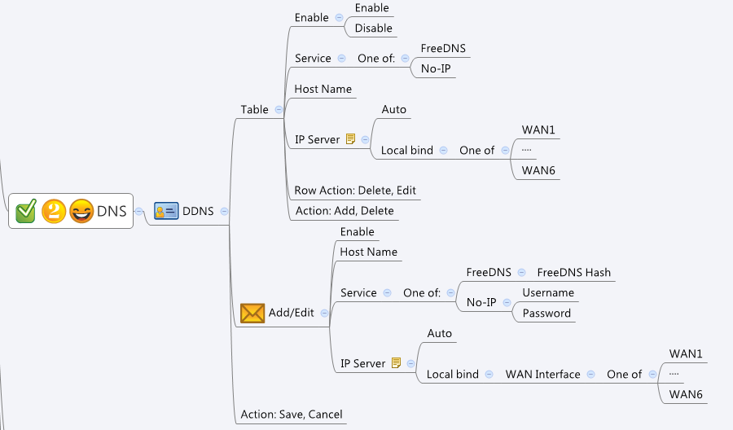

Behavior
FreeDNS needs "hash"; NoIP needs username/password
Limitations: Max Table Size = 8

[UI Display Name] | [CGI Name] | [JSON Name] | [Description] | Range / Default Value / Unit
 | ddns.cgi | staticDnsT.gid | gid | len:255
Service | ddns.cgi | staticDnsT.type | 0|1 | 0: FreeDNS, 1: No-IP
Enable | ddns.cgi | staticDnsT.enable | 0|1 | 0|1, default: 1
Domain Name | ddns.cgi | staticDnsT.hostname | string, domain name, unique
Username | ddns.cgi | staticDnsT.username | string | len:63
Password | ddns.cgi | staticDnsT.password | string | len:63
FreeDNS Hash | ddns.cgi | staticDnsT.hash | The hash for FreeDNS authorization | len:63, [0-9a-zA-Z]
IP Server | ddns.cgi | staticDnsT.ipServeType | 0: Auto, 1:Local bind | 0|1, default: 0
Local bind WAN Interface | ddns.cgi | staticDnsT.bindWanId | gid of binded WAN | 0, if ipServeType is 0
 | ddns.cgi | staticDnsT.cgiAction | int, 0:none, 1:add, 2:update, 3:delete | default: 0

JSON String
## GET && POST methods ##
{
"ddnsT": [
{
"gid": 272367616,
"type": 1,
"enable": 1,
"hostname": "ttwan1.no-ip.org",
"username": "tester@gmail.com",
"password": "tester",
"hash": "",
"ipServeType": 1,
"bindWanId": 983040,
"cgiAction": 0
},
{
"gid": 272367617,
"type": 0,
"enable": 1,
"hostname": "ttWAN2.mooo.com",
"username": "",
"password": "",
"hash": "T0JmaHJHc3UmZUcWpJN0E4VDc0Y1ZWcwOjEyODY3NzE4",
"ipServeType": 0,
"bindWanId": 0,
"cgiAction": 0
}
]
}

