工作表1
Xmind
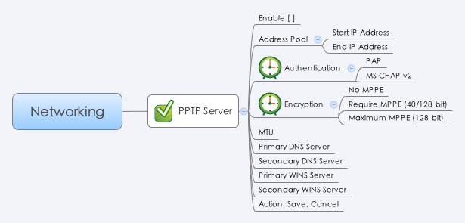

Behavior
1. Disable 時，其他欄位都是 Grayout 狀態。
2. startIp 與 endIp 需同網段。

[UI Display Name] | [CGI Name] | [JSON Name] | [Description] | [Range / Default Value / Units]
Enable | pptps.cgi | enable | 0:disable, 1:enable | Default: 0
Address Pool - Start IP Address | pptps.cgi | startIp | IP Address | Necessary
Address Pool - End IP Address | pptps.cgi | endIp | IP Address | Necessary
Authentication | pptps.cgi | authType | Integer. 0:PAP, 1:MS-CHAP v2 | Default: 1
Encryption | pptps.cgi | encryptionType | Integer. 0:No MPPE, 1:Require MPPE(40/128 bits), 2:Maximum MPPE(128 bits) | Default: 1
MTU | pptps.cgi | mtu | Integer. | Range: 128-1460. Default: 1400
Primary DNS Server | pptps.cgi | dns1 | IP Address | Necessary
Secondary DNS Server | pptps.cgi | dns2 | IP Address | Optional
Primary WINS Server | pptps.cgi | wins1 | IP Address | Optional
Secondary WINS Server | pptps.cgi | wins2 | IP Address | Optional

JSON String
## cgi name ##
pptps.cgi
## GET & POST methods ##
{
"enable": 1,
"startIp": "192.168.200.100",
"endIp": "192.168.200.150",
"authType": 1,
"encryptionType": 1,
"mtu": 1400,
"dns1": "8.8.8.8",
"dns2": "",
"wins1": "",
"wins2": ""
}

