GUI CGI SPEC
Xmind

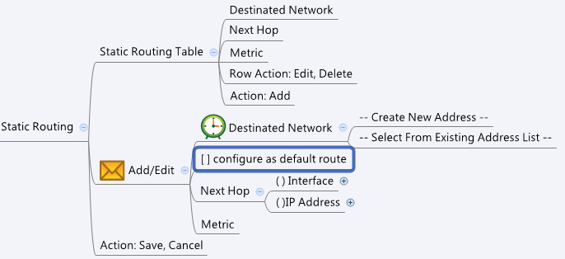

Behavior
1. "Destinated Network" 不能重複。
2. 只能有一筆是"configure as default route"
3. 使用者選用"configure as default route"的話, 就不用選"Destinated Network"(disable下拉選單)
4. 使用者選用"configure as default route"的話, Next Hop Interface 只能選 WAN interface (common_wanIf_list.cgi)
5. 若 routing mode 不是 routing table mode (multiwan.cgi) 須提示使用者 : [ The "configure as default route" option only works in routing table mode ]

Limitations: Max Static Routing Table Size = 100

[UI Display Name] | [CGI Name] | [JSON Name] | [Description] | [Restrictions]
Static Routing Table
Destinated Network | staticRoute.cgi | guiStaticRouteT.isDefaultRt or guiStaticRouteT.dstIpId | If the guiStaticRouteT.isDefaultRt = 1, display "default" else use the dstIpId to get name from common_ip_list.cgi
Next Hop | staticRoute.cgi | guiStaticRouteT.nhIfId or guiStaticRouteT.nhIpId | If the guiStaticRouteT.nhType = 0, use the gid to get name from common_portIf_list.cgi, common_vlanIf_list.cgi, common_lanIf_list.cgi, and common_wanIf_list.cgi If the guiStaticRouteT.nhType = 1, use the gid to get name from common_ip_list.cgi | For common_portIf_list.cgi & common_vlanIf_list.cgi, please only show the object name which its type is LAN and it have the IP address. (20130325)
Metric | staticRoute.cgi | guiStaticRouteT.metric | Range: 0-255, Default: 0
Add / Edit
Destinated Network | staticRoute.cgi | guiStaticRouteT.dstIpId | An integer gid from common_ip_list.cgi | The ip type is Host or Network.
Configure as Default Route | staticRoute.cgi | guiStaticRouteT.isDefaultRt | 0/1 | only one record can be 1, others should be 0
Next Hop | staticRoute.cgi | guiStaticRouteT.nhType | int: 0: Interface, 1: IP Address
 | staticRoute.cgi | guiStaticRouteT.nhIfId | An integer gid from common_portIf_list.cgi, common_vlanIf_list.cgi, common_lanIf_list.cgi, and common_wanIf_list.cgi
 | staticRoute.cgi | guiStaticRouteT.nhIpId | An integer gid from common_ip_list.cgi | The ip type is Host only.
Metric | staticRoute.cgi | guiStaticRouteT.metric | Range: 0-255, Default: 0 | Range: 0-255, Default: 0
N/A | staticRoute.cgi | guiStaticRouteT.cgiAction | int: 0:none, 1:add, 2:update, 3:delete

JSON String
## cgi name ## staticRoute.cgi
## GET & POST ## {
"guiStaticRouteTNum": 2,
"guiStaticRouteT": [
{
"gid": 271450112,
"name": "test",
"dstIpId": 65548,
"nhType": 0,
"nhIfId": 983040,
"nhIpId": 62731,
"metric": 100,
"isDefaultRt":0,
"cgiAction": 0
},
{
"gid": 271450113,
"name": "theDefaultRoute",
"dstIpId": 0,
"nhType": 0,
"nhIfId": 983041,
"nhIpId": 0,
"metric": 0,
"isDefaultRt":1,
"cgiAction": 0
}
]
}

