GUI CGI SPEC
Xmind

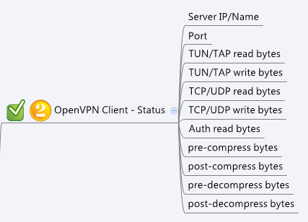

Behavior
1. Gray out this page if openVpnClientEnable = 0.

[UI Display Name] | [CGI Name] | [JSON Name] | [Description] | Range / Default Value / Units
OpenVPN Client Status
 | openvpnClient.cgi | openVpnClientEnable | 0: disable, 1:enable

Server IP/Name | openvpnClientStatus.cgi | remote | Remote IP or FQDN
Port | openvpnClientStatus.cgi | port | L4 port number
TUN/TAP read bytes | openvpnClientStatus.cgi | interfaceRx | unit: kbytes
TUN/TAP write bytes | openvpnClientStatus.cgi | interfaceTx | unit: kbytes
TCP/UDP read bytes | openvpnClientStatus.cgi | protoRx | unit: kbytes
TCP/UDP write bytes | openvpnClientStatus.cgi | protoTx | unit: kbytes
Auth read bytes | openvpnClientStatus.cgi | authRx | unit: kbytes
pre-compress bytes | openvpnClientStatus.cgi | preComp | unit: kbytes
post-compress bytes | openvpnClientStatus.cgi | postComp | unit: kbytes
pre-decompress bytes | openvpnClientStatus.cgi | preDeComp | unit: kbytes
post-decompress bytes | openvpnClientStatus.cgi | postDeComp | unit: kbytes

JSON String
openvpnClient.cgi
## GET for get openvpn client status info ##
{
"remote":"192.168.100.181",
"port":1150,
"interfaceRx":432,
"interfaceTx":321,
"protoRx":321,
"protoTx":2314,
"authRx":1,
"preComp":0,
"post Comp":0,
"preDeComp":0,
"postDeComp":0
}

