GUI CGI SPEC
Xmind

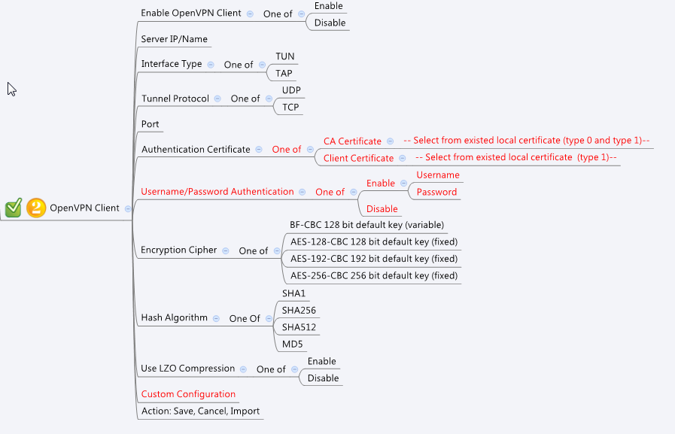

Behavior
1. Except "Enable OpenVPN Client", gray out all openvpn client page components if openVpnServerEnable = 1.
2. To import openvpn policy, please use openvpnClientImport.cgi, please check below html sample to get the parameters to be inputed.
3. When user configure openVpnClientEnable to 1, if openVpnServerEnable is 1 at that time, have a warning message "This will turn off Open VPN Server, is it ok?". If user confirm, please set openVpnClientEnable to 1and set openVpnServerEnable to 0.
4. After importing from openvpnClientImport.cgi, please refresh openvpnClient page to get updated information
5. "Username/Password Authentication = Disable" AND "CA Certificate is selected" is not allowed, Pleas have warning messages to user like "OpenVPN need client certificate to work if no username/password are given"

[UI Display Name] | [CGI Name] | [JSON Name] | [Description] | Range / Default Value / Units
OpenVPN Client
Enable OpenVPN Client | openvpnClient.cgi | openVpnClientEnable | 0: disable, 1:enable
 | openvpnClient.cgi | openVpnServerEnable | 0: disable, 1:enable

Server IP/Name | openvpnClient.cgi | remote | Remote IP or FQDN | MUST
Interface Type | openvpnClient.cgi | interfaceType | 0: TUN, 1: TAP
Tunnel Protocol | openvpnClient.cgi | tunnelProto | 0: UDP, 1: TCP
Port | openvpnClient.cgi | port | L4 port number | MUST
CA Certificate | openvpnClient.cgi | certificateId | When user select CA Certificate, please filter certificate id using certmngReadList.cgi with type = 0 and type 1
Client Certificate | openvpnClient.cgi | certificateId | When user select Client Certificate, please filter certificate id using certmngReadList.cgi with type 1
Username/Password Authentication | openvpnClient.cgi | authMethod | 0: "Username/Password Authentication = Enabled" AND "Client Certificate is selected"
 |  |  | 1: "Username/Password Authentication = Disable" AND "Client Certificate is selected"
 |  |  | 2: "Username/Password Authentication = Enabled" AND "CA certificate is selected"
Encryption Cipher | openvpnClient.cgi | encryptCipher | 0: BF-CBC, 1: AES-128, 2:AES-192, 3:AES-256
Hash Algorithm | openvpnClient.cgi | hashAlg | 0: SHA1, 1: SHA256, 2: SHA512, 3: MD5
Use LZO Compression | openvpnClient.cgi | lzoComp | 0: disable, 1:enable
User name | openvpnClient.cgi | username | username. Alphanumeric, underbar ('_'), dash ('-'), dot ('.'), and at ('@').
Password | openvpnClient.cgi | password | Any "printable" character except CR or LF. Printable is defined to be a character which will cause the C library isprint() function to return true.
Custom Configuration | openvpnClient.cgi | customConf |  | Max: 2047 Bytes, Please use "\n" for new line, please refer to json sample

Type | openvpnClientImport.cgi | type | 0: no password 1: has password
Password | openvpnClientImport.cgi | password
Policy Name | openvpnClientImport.cgi | name

JSON String
openvpnClient.cgi
## GET for get openvpn server policy list ##
{
"openVpnServerEnable":0,
"openVpnClientEnable":0,
"remote":"",
"interfaceType":0,
"tunnelProto":0,
"port":0,
"authMethod":0,
"certificateId":0,
"encryptCipher":0,
"hashAlg":0,
"lzoComp":0,
"username":"",
"password":"",
"customConf":"#test1\n#test2"
}
<!DOCTYPE HTML PUBLIC "-//W3C//DTD HTML 4.0 Transitional//EN" >
<html>
<head>
<title>Test OpenVPN Example</title>
</head>
<body>
<h3><a href="./index.html">CGI Tester</a> Profile Tester</h3>
<hr>
<h1>Import OpenVPN Example</h1>
<h2>Import OpenVPN Profile from PC</h2>
<form method="post" action="/cgi-bin/openvpnClientImport.cgi" enctype="multipart/form-data">
Type: <input type="text" name="type"><br>
Password: <input type="text" name="password"><br>
Name: <input type="text" name="name"><br>
Select file: <input type="file" name="binary">
<br><input type="submit" value="IMPORT OpenVPN profile">
</form>
<hr>
</body>
</html>
~

