工作表1
Xmind
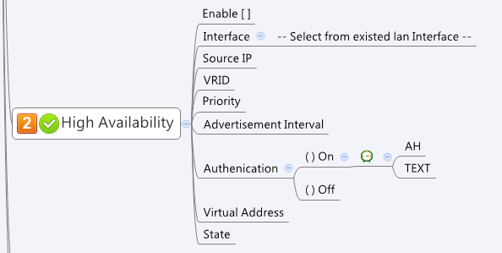

Behavior
1. Please grey out the AH and TEXT if Authentication is 0.
2. Please ignore preempt value in json

[UI Display Name] | [CGI Name] | [JSON Name] | [Description] | Range / Default Value / Unit

Enable Virtual Router Redundancy Protocol (VRRP) |  | vrrpd.enable
Interface |  | common_lanIf_list.name | Please use vrrpd.ifId to get the info from common_lanIf_list.cgi
Source IP |  | common_lanIf_list.ip | Please use vrrpd.ifId to get the info from common_lanIf_list.cgi
VRID |  | vrrpd.VRID |  | Range: 1~255, Default: 1
Priority |  | vrrpd.priority |  | Range: 1~254, Default: 100
Advertisement Interval |  | vrrpd.advertInterval |  | Range: 1~255, Default: 1
Authentication |  | vrrpd.authType | 0: None, 1: TEXT, 2: AH
TEXT |  | vrrpd.pass |  | Length:1~8
AH |  | vrrpd.ahKey |  | Hex digits for Authentication Header. hexkey=[0-9a-fA-F]+ Len: 1~24 Hex digits
Virtual IP Address |  | vrrpd.virtualIp |  | IP format

State |  | vrrpd.status | read-only to reflect the VRRP state. Display directly from what CGI reply.

JSON String
## cgi name ##
vrrpd.cgi
## GET && POST methods ##
{
"enable":1,
"ifId":7000,
"VRID":2,
"priority":101,
"advertInterval":1,
"authType":0,
"pass":"",
"ahKey":"",
"virtualIp":"192.168.1.254",
"preempt":0,
"status":"Master"
}

common_lanIf_list.cgi
## GET for get previous settings ##
{
"guiLanIfTNum":2, "guiLanIfT":[{"gid":7000, "name":"LAN1", "userDefined":1, "type":0,"ip":"9.9.9.9", "netmask":"255.0.0.0"}, {"gid":7001, "name":"LAN2", "userDefined":1, "type":0,"ip":"10.10.10.10", "netmask":"255.0.0.0"}]
}
## NO POST Method

