GUI CGI SPEC
Xmind
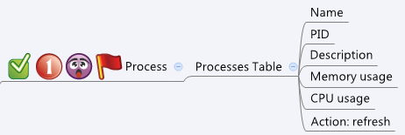

Behavior
# Auto refresh every 10 sec
# When press "Refresh" button, GET cgi again for new data
# Limitations: Max Process Table Size = 200
[UI Display Name] | [CGI Name] | [JSON Name] | [Description]
Process Table:
Name | process.cgi | guiProcessT.name | String, name of a process
PID | process.cgi | guiProcessT.pid | Int
Description | process.cgi | guiProcessT.description | String
Memory | process.cgi | guiProcessT.memory | String
CPU Usage | process.cgi | guiProcessT.cpu | String

JSON String
process.cgi
## GET ##
{
"guiProcesseT": [
{
"name": "httpd",
"pid": 60000,
"description": "HTTP server",
"memory": "10.1",
"cpu": "0.9"
},
{
"name": "vpnd",
"pid": 60001,
"description": "VPN server",
"memory": "9.0",
"cpu": "1.0"
}
]
}

