GUI CGI SPEC
Xmind
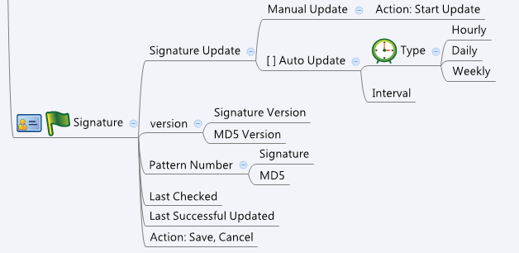

Behavior
1. "version", "Last Checked", "Last Successful Updated" and "Pattern Number" cannot be editted.
2. If Action:Start Update is triggered, modification of the other settings should be canceled.
3. Please grey out this page if av_general.cgi->enable = 0 or av_general.cgi->licensed = 0 or 1

[UI Display Name] | [CGI Name] | [JSON Name] | [Description]
AutoUpdate | av_sig.cgi | autoUpdate | 0:unchecked, 1:checked

Schedule/interval | av_sig.cgi | number | int: hourly: 1~24 daily: 1~30 weekly: 1~4
Schedule/type | av_sig.cgi | type | 0:hourly, 1:daily, 2:weekly
version/signature version | av_sig.cgi | version | string. Cannot be editted
version/md5 version | av_sig.cgi | md5Version | string. Cannot be editted
Last Checked | av_sig.cgi | lastChecked | string. Cannot be editted
Last Successful Updated | av_sig.cgi | lastUpdated | string. Cannot be editted
Pattern Number/Signature | av_sig.cgi | ptnNum | int. Cannot be editted
Pattern Number/MD5 | av_sig.cgi | md5PtnNum | int. Cannot be editted
Action: Start Update | av_sig.cgi | startUpdate | 0: save, 1:start update

## cgi name ## av_sig.cgi ## GET for get previous settings ## { "version": "0.000", "md5Version": "0.000", "lastChecked": "Thu Jan 1 08:00:00 1970", "lastUpdated": "Thu Jan 1 08:00:00 1970", "ptnNum": 0, "md5PtnNum": 0, "autoUpdate": 0, "number": 3, "type": 0 } ## POST for set new settings ## { "version": "0.000", "md5Version": "0.000", "lastChecked": "Thu Jan 1 08:00:00 1970", "lastUpdated": "Thu Jan 1 08:00:00 1970", "ptnNum": 0, "md5PtnNum": 0, "autoUpdate": 0, "number": 3, "type": 0 }
JSON String

