GUI CGI SPEC
Xmind
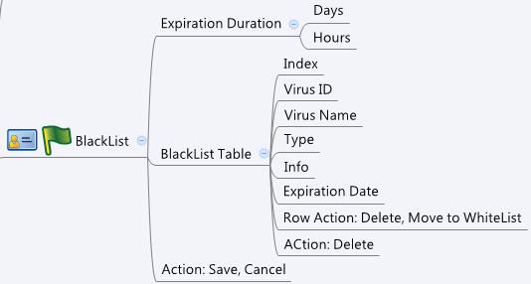

Behavior
1. Please grey out this page if av_general.cgi->enable = 0 or av_general.cgi->licensed = 0 or 1
2. Move one blacklist rule to whitelist shall include other same virus ID rules and pop up alert "move with other same virus ID blacklist" at GUI
3. Delete one blacklist rule shall include other same virus ID rules and pop up alert delete with other same virus ID blacklist" at GUI

[UI Display Name] | [CGI Name] | [JSON Name] | [Description]
 | av_blacklist.cgi | number | number of whitelist url
Expiration Duration/Days | av_blacklist.cgi | expiration_days | Range: 0-30
Expiration Duration/Hours | av_blacklist.cgi | expiration_hours | Range: 0-23
BlackList/Virus ID | av_blacklist.cgi | urlT.virusID
BlackList/Virus Name | av_blacklist.cgi | urlT.virusName | string
BlackList/Type | av_blacklist.cgi | urlT.type | string
BlackList/Info | av_blacklist.cgi | urlT.url | blacklist information
BlackList/Expiration Date | av_blacklist.cgi | urlT.expiration | in seconds. Please translate to actual time based on current time
BlacList/action | av_blacklist.cgi | urlT.act | 0: move to whitelist, 1: delete

## cgi name ## av_blacklist.cgi ## GET for get previous settings ## {"number":2,"expiration_days":2,"expiration_hours":3,"urlT":[{"virusID":"11111","virusName":"virus 1","type":"http-download","url":"http://aaa.bbb.ccc/a.exe","expiration":2000},{"virusID":"22222","virusName":"virus 2","type":"http-upload","url":"http://aaa.bbb.ccc/a.exe","expiration":3000}]}
## POST for set new settings ##
## When posting, number means "number of deleted URL or entries that move to whitelist", urlT stores theURLs user deleted ## {"number":1,"expiration_days":2,"expiration_hours":3,"urlT":[{"virusID":"11111","type":"http-download","url":"http://aaa.bbb.ccc/a.exe","expiration":3000,"act":0}]}
JSON String

