GUI CGI SPEC
Xmind
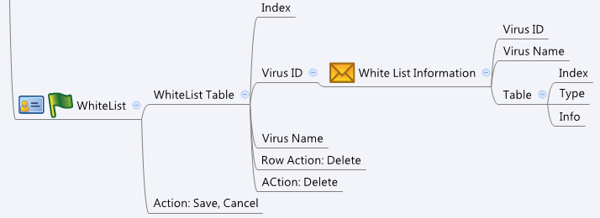

Behavior
1. Please grey out this page if av_general.cgi->enable = 0 or av_general.cgi->licensed = 0 or 1
2. Max White List number is 4096
3. Please make sure all the virusID are unique when calling post av_whiltelist.cgi

[UI Display Name] | [CGI Name] | [JSON Name] | [Description]
 | av_whitelist.cgi | number | number of whitelist url

WhiteList/Virus ID | av_whitelist.cgi | urlT.virusID | int
WhiteList/Virus Name | av_whitelist.cgi | urlT.virusName | string
WhiteList/Type | av_whitelist.cgi | urlT.type | string
WhiteList/Info | av_whitelist.cgi | urlT.info | string

WhiteList/Virus ID | av_whitelist_info.cgi | virusId | int. GUI posts virus id to CGI to get all history type and info.
WhiteList/Virus Name | av_whitelist_info.cgi | virusName | string
 | av_whitelist_info.cgi | number | whitelist info number of virus id
WhiteList/Type | av_whitelist_info.cgi | historyT.type | string
WhiteList/Info | av_whitelist_info.cgi | historyT.Info | string. whitelist info of virus id

## cgi name ## av_whitelist.cgi
## GET for get previous settings ## {"number":2,"urlT":[{"virusID":"11111","virusName":"eicar.com"},{"virusID":"22222","virusName":"eicar-2.com"}]} ## POST for set new settings ## {"number":1,"urlT":[{"virusID":"11111"}]}
## cgi name ## av_whitelist_info.cgi
## POST for set new settings ## {"virusID":"111111"}
## read return JSON from POST to get history information ## {"virusID":"11111","virusName":"eicar.com","number":2,"historyT":[{"type":"http-download","Info":"http://aaa.bbb.ccc/b.exe"},{"type":"POP3","Info":"Mail-tilte: Hello world, Sender: abc@abc.com"}]}
JSON String

