Summary
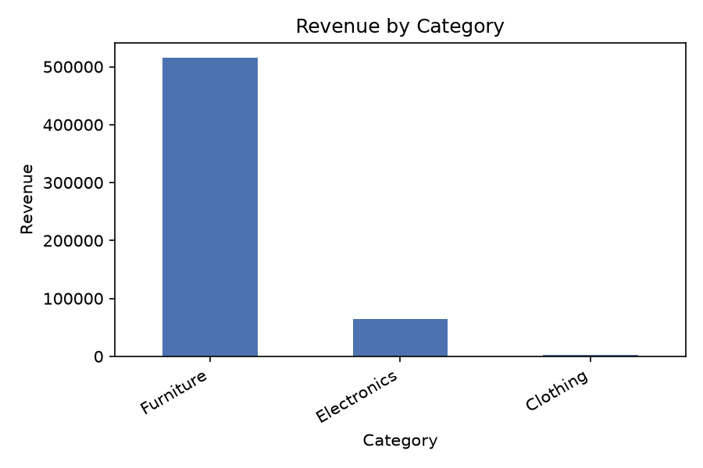
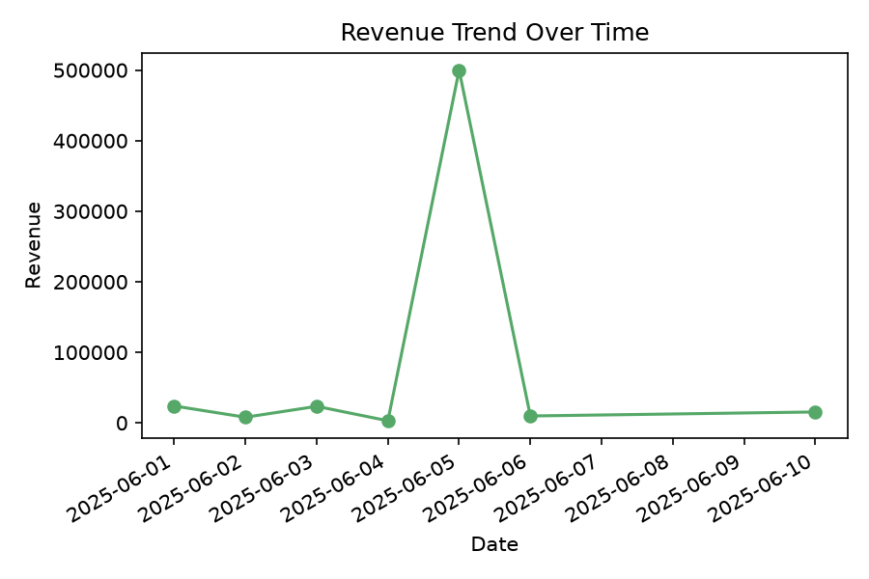
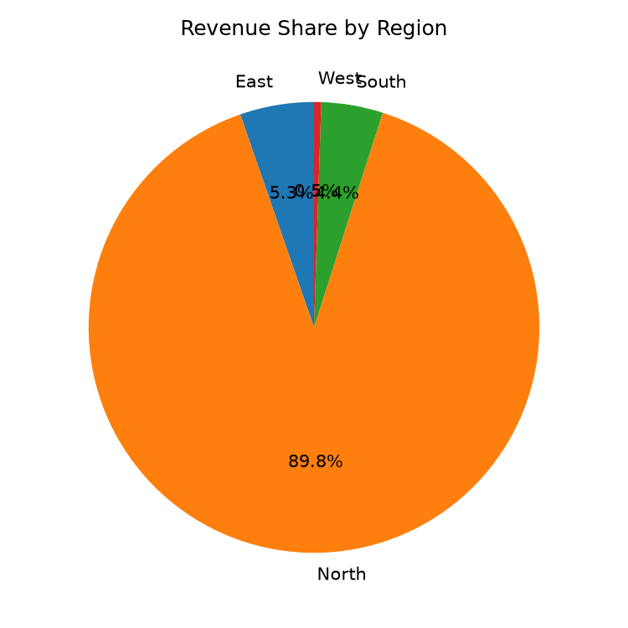
Annualy Sales Report

Period | 2026-07-31 to 2026-08-31
Generated | 2026-08-31 22:08
Total Records | 9
Validation Errors | 0
Validation Warnings | 0

