Summary
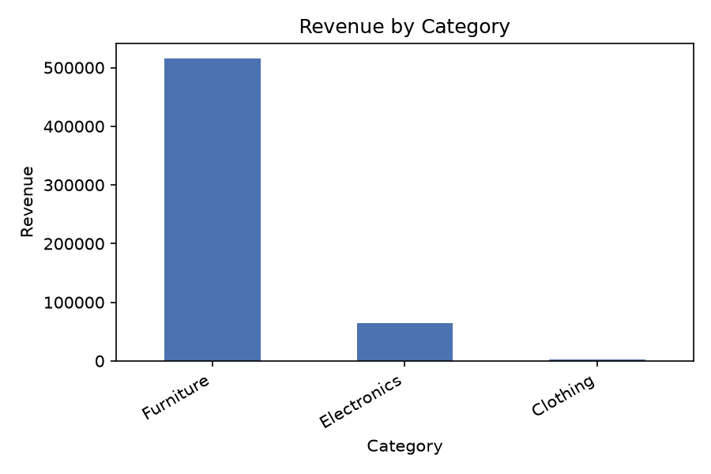
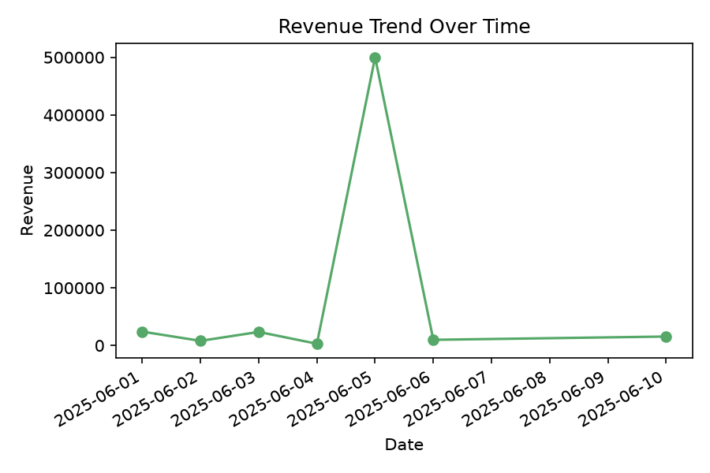
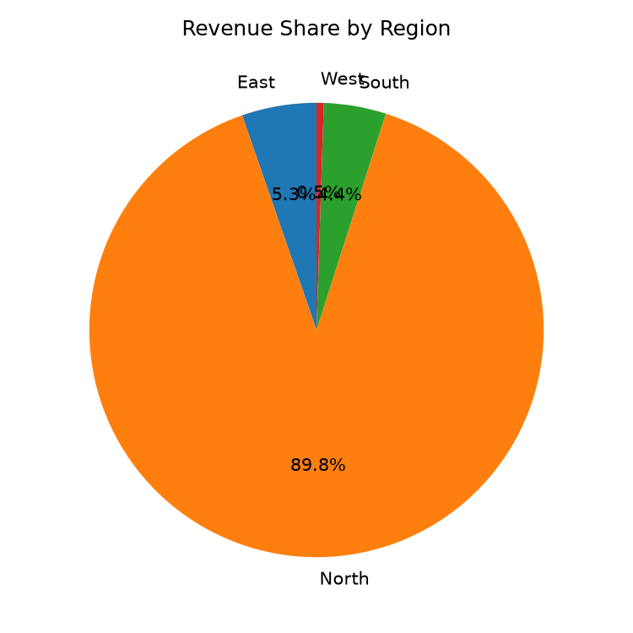
Monthly Sales Report

Period | 2026-08-31 to 2026-08-31
Generated | 2026-08-31 21:22
Total Records | 9
Validation Errors | 1
Validation Warnings | 0

