Sheet1
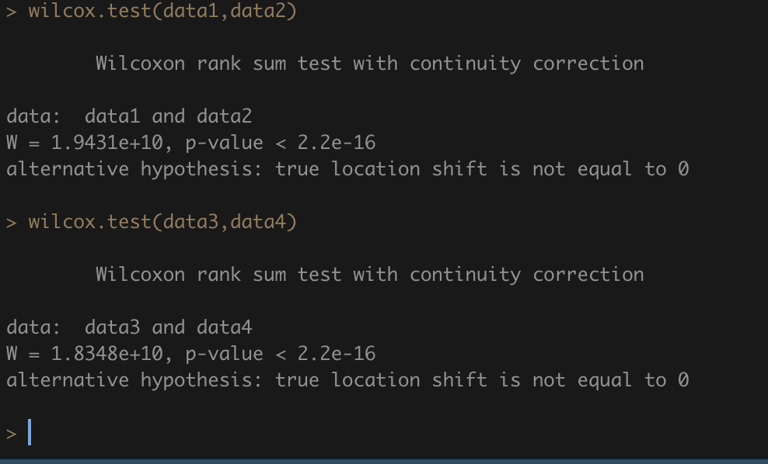
gap_months | record_cnt |  | rate cumulated |  | country_change | cnt | person_cnt
0 | 320,243 | 320243 | 54% |  | 0 | 393124 | 226250
1 | 71,500 | 391743 | 66% |  | 1 | 116235 | 81813
2 | 21,786 | 413529 | 70%
3 | 15,840 | 429369 | 73% |  | country_change | city_change | cnt | person_cnt
4 | 10,640 | 440009 | 74% |  | 0 | 0 | 194642 | 128781 | 38.21% | 0.49511604481
5 | 8,718 | 448727 | 76% |  | 0 | 1 | 198482 | 139848 | 38.97% | 0.50488395519
6 | 8,052 | 456779 | 77% |  | 1 | 0 | 299 | 282 | 0.06%
7 | 7,267 | 464046 | 78% |  | 1 | 1 | 115936 | 81646 | 22.76%
yrs Cumulative Distribution
8 | 6,967 | 471013 | 80% |  |  |  | 509359
9 | 6,148 | 477161 | 81%
10 | 4,773 | 481934 | 81% |  | role_change | cnt | person_cnt |  |  | country_change | role_change | cnt | person_cnt
11 | 4,055 | 485989 | 82% |  | 0 | 80631 | 64161 | 0.15829896007 |  | 0 | 0 | 61940 | 50798 | 12.2%
12 | 23,370 | 509359 | 86% |  | 1 | 428728 | 236895 | 0.84170103993 |  | 0 | 1 | 331184 | 199880 | 65.0% | 84.2%
>12 | 82,559 | 591918 | 100% |  |  | 509359 |  |  |  | 1 | 0 | 18691 | 16097 | 3.7%
 |  |  |  |  |  |  |  |  |  | 1 | 1 | 97544 | 71609 | 19.2% | 83.9%
 |  |  |  |  |  |  |  |  |  |  |  | 509359

last_duration_year | cnt | person_cnt |  |  |  | role_change | last_duration_year | cnt | person_cnt |  |  |  | role_change | last_duration_year | cnt | person_cnt |  |  |  | yrs Cumulative Distribution | total | role_change_0 | role_change_1 | last_duration_year | cnt | role_change |  | country_change |  | lasted_year | country_change_ratio
0 | 11315 | 7361 | 1.9% | 1.9% |  | 0 | 0 | 2018 | 1566 | 2.3% | 2% | 0.4% | 1 | 0 | 9297 | 6311 | 1.8% | 2% |  | 0 | 2% | 2% | 2% | 0 | 11315 | 9297 | 82% | 3096 | 27% | 0 | 27%
1 | 171713 | 112759 | 29.0% | 30.9% |  | 0 | 1 | 29322 | 24543 | 33.0% | 35% | 5.1% | 1 | 1 | 142391 | 98317 | 28.3% | 30% |  | 1 | 31% | 35% | 30% | 1 | 171713 | 142391 | 83% | 47128 | 27% | 1 | 27%
2 | 117284 | 95033 | 19.8% | 50.7% |  | 0 | 2 | 18602 | 17354 | 20.9% | 56% | 6.4% | 1 | 2 | 98682 | 81836 | 19.6% | 50% |  | 2 | 51% | 56% | 50% | 2 | 117284 | 98682 | 84% | 32792 | 28% | 2 | 28%
3 | 84654 | 73347 | 14.3% | 65.0% |  | 0 | 3 | 12254 | 11776 | 13.8% | 70% | 5.8% | 1 | 3 | 72400 | 63586 | 14.4% | 64% |  | 3 | 65% | 70% | 64% | 3 | 84654 | 72400 | 86% | 22205 | 26% | 3 | 26%
4 | 59694 | 54406 | 10.1% | 75.1% |  | 0 | 4 | 7481 | 7323 | 8.4% | 78% | 3.8% | 1 | 4 | 52213 | 47940 | 10.4% | 75% |  | 4 | 75% | 78% | 75% | 4 | 59694 | 52213 | 87% | 14199 | 24% | 4 | 24%
country change ratio
5 | 42042 | 39197 | 7.1% | 82.2% |  | 0 | 5 | 4976 | 4871 | 5.6% | 84% |  | 1 | 5 | 37066 | 34683 | 7.4% | 82% |  | 5 | 82% | 84% | 82% | 5 | 42042 | 37066 | 88% | 8818 | 21% | 5 | 21%
6 | 19382 | 18661 | 3.3% | 85.5% |  | 0 | 6 | 2223 | 2200 | 2.5% | 86% |  | 1 | 6 | 17159 | 16548 | 3.4% | 85% |  | 6 | 86% | 86% | 85% | 6 | 19382 | 17159 | 89% | 3899 | 20% | 6 | 20%
7 | 21856 | 20974 | 3.7% | 89.2% |  | 0 | 7 | 2603 | 2566 | 2.9% | 89% |  | 1 | 7 | 19253 | 18517 | 3.8% | 89% |  | 7 | 89% | 89% | 89% | 7 | 21856 | 19253 | 88% | 3557 | 16% | 7 | 16%
8 | 14224 | 13822 | 2.4% | 91.6% |  | 0 | 8 | 1904 | 1894 | 2.1% | 92% |  | 1 | 8 | 12320 | 11998 | 2.4% | 92% |  | 8 | 92% | 92% | 92% | 8 | 14224 | 12320 | 87% | 2139 | 15% | 8 | 15%
9 | 10166 | 9979 | 1.7% | 93.3% |  | 0 | 9 | 1400 | 1393 | 1.6% | 93% |  | 1 | 9 | 8766 | 8612 | 1.7% | 93% |  | 9 | 93% | 93% | 93% | 9 | 10166 | 8766 | 86% | 1455 | 14% | 9 | 14%
10 | 7567 | 7456 | 1.3% | 94.6% |  | 0 | 10 | 1071 | 1067 | 1.2% | 94% |  | 1 | 10 | 6496 | 6406 | 1.3% | 95% |  | 10 | 95% | 94% | 95% | 10 | 7567 | 6496 | 86% | 973 | 13% | 10 | 13%
11 | 6300 | 6224 | 1.1% | 95.7% |  | 0 | 11 | 962 | 958 | 1.1% | 95% |  | 1 | 11 | 5338 | 5285 | 1.1% | 96% |  |  |  |  |  | 11 | 6300 | 5338 | 85% | 830 | 13% | 11 | 13%
12 | 4334 | 4294 | 0.7% | 96.4% |  | 0 | 12 | 610 | 609 | 0.7% | 96% |  | 1 | 12 | 3724 | 3689 | 0.7% | 96% |  | yrs Cumulative Distribution | total | country_change_0 | country_change_1 | 12 | 4334 | 3724 | 86% | 564 | 13% | 12 | 13%
13 | 3771 | 3745 | 0.6% | 97.0% |  | 0 | 13 | 598 | 596 | 0.7% | 97% |  | 1 | 13 | 3173 | 3153 | 0.6% | 97% |  | 0 | 2% | 2% | 2% | 13 | 3771 | 3173 | 84% | 450 | 12% | 13 | 12%
yrs Cumulative Distribution
14 | 2878 | 2858 | 0.5% | 97.5% |  | 0 | 14 | 446 | 444 | 0.5% | 97% |  | 1 | 14 | 2432 | 2418 | 0.5% | 98% |  | 1 | 31% | 30% | 35% | 14 | 2878 | 2432 | 85% | 365 | 13% | 14 | 13%
15 | 2506 | 2496 | 0.4% | 97.9% |  | 0 | 15 | 424 | 424 | 0.5% | 98% |  | 1 | 15 | 2082 | 2076 | 0.4% | 98% |  | 2 | 51% | 49% | 58% | 15 | 2506 | 2082 | 83% | 305 | 12% | 15 | 12%
16 | 1940 | 1932 | 0.3% | 98.3% |  | 0 | 16 | 327 | 326 | 0.4% | 98% |  | 1 | 16 | 1613 | 1608 | 0.3% | 98% |  | 3 | 65% | 62% | 73% | 16 | 1940 | 1613 | 83% | 226 | 12% | 16 | 12%
17 | 1596 | 1594 | 0.3% | 98.5% |  | 0 | 17 | 275 | 275 | 0.3% | 98% |  | 1 | 17 | 1321 | 1320 | 0.3% | 99% |  | 4 | 75% | 73% | 83% | 17 | 1596 | 1321 | 83% | 192 | 12% | 17 | 12%
18 | 1245 | 1243 | 0.2% | 98.8% |  | 0 | 18 | 223 | 223 | 0.3% | 99% |  | 1 | 18 | 1022 | 1020 | 0.2% | 99% |  | 5 | 82% | 80% | 89% | 18 | 1245 | 1022 | 82% | 151 | 12% | 18 | 12%
19 | 1096 | 1095 | 0.2% | 98.9% |  | 0 | 19 | 189 | 189 | 0.2% | 99% |  | 1 | 19 | 907 | 907 | 0.2% | 99% |  | 6 | 86% | 84% | 92% | 19 | 1096 | 907 | 83% | 131 | 12% | 19 | 12%
20 | 911 | 909 | 0.2% | 99.1% |  | 0 | 20 | 155 | 155 | 0.2% | 99% |  | 1 | 20 | 756 | 754 | 0.2% | 99% |  | 7 | 89% | 88% | 94% | 20 | 911 | 756 | 83% | 124 | 14% | 20 | 14%
21 | 885 | 884 | 0.1% | 99.2% |  | 0 | 21 | 139 | 139 | 0.2% | 99% |  | 1 | 21 | 746 | 745 | 0.1% | 99% |  | 8 | 92% | 90% | 96%
22 | 652 | 650 | 0.1% | 99.4% |  | 0 | 22 | 120 | 120 | 0.1% | 99% |  | 1 | 22 | 532 | 530 | 0.1% | 99% |  | 9 | 93% | 92% | 97%
23 | 571 | 571 | 0.1% | 99.4% |  | 0 | 23 | 95 | 95 | 0.1% | 99% |  | 1 | 23 | 476 | 476 | 0.1% | 99% |  | 10 | 95% | 94% | 97%
24 | 469 | 469 | 0.1% | 99.5% |  | 0 | 24 | 87 | 87 | 0.1% | 100% |  | 1 | 24 | 382 | 382 | 0.1% | 100%
25 | 403 | 403 | 0.1% | 99.6% |  | 0 | 25 | 63 | 63 | 0.1% | 100% |  | 1 | 25 | 340 | 340 | 0.1% | 100%
26 | 377 | 377 | 0.1% | 99.7% |  | 0 | 26 | 57 | 57 | 0.1% | 100% |  | 1 | 26 | 320 | 320 | 0.1% | 100%
27 | 281 | 281 | 0.0% | 99.7% |  | 0 | 27 | 49 | 49 | 0.1% | 100% |  | 1 | 27 | 232 | 232 | 0.0% | 100%
28 | 268 | 268 | 0.0% | 99.8% |  | 0 | 28 | 28 | 28 | 0.0% | 100% |  | 1 | 28 | 240 | 240 | 0.0% | 100%
29 | 217 | 217 | 0.0% | 99.8% |  | 0 | 29 | 36 | 36 | 0.0% | 100% |  | 1 | 29 | 181 | 181 | 0.0% | 100%
30 | 175 | 175 | 0.0% | 99.8% |  | 0 | 30 | 24 | 24 | 0.0% | 100% |  | 1 | 30 | 151 | 151 | 0.0% | 100%
31 | 192 | 192 | 0.0% | 99.8% |  | 0 | 31 | 23 | 23 | 0.0% | 100% |  | 1 | 31 | 169 | 169 | 0.0% | 100%
32 | 143 | 143 | 0.0% | 99.9% |  | 0 | 32 | 20 | 20 | 0.0% | 100% |  | 1 | 32 | 123 | 123 | 0.0% | 100%
33 | 127 | 127 | 0.0% | 99.9% |  | 0 | 33 | 25 | 25 | 0.0% | 100% |  | 1 | 33 | 102 | 102 | 0.0% | 100%
34 | 102 | 102 | 0.0% | 99.9% |  | 0 | 34 | 11 | 11 | 0.0% | 100% |  | 1 | 34 | 91 | 91 | 0.0% | 100%
35 | 92 | 92 | 0.0% | 99.9% |  | 0 | 35 | 9 | 9 | 0.0% | 100% |  | 1 | 35 | 83 | 83 | 0.0% | 100%
36 | 88 | 88 | 0.0% | 99.9% |  | 0 | 36 | 13 | 13 | 0.0% | 100% |  | 1 | 36 | 75 | 75 | 0.0% | 100%
37 | 91 | 91 | 0.0% | 100.0% |  | 0 | 37 | 13 | 13 | 0.0% | 100% |  | 1 | 37 | 78 | 78 | 0.0% | 100%
38 | 54 | 54 | 0.0% | 100.0% |  | 0 | 38 | 8 | 8 | 0.0% | 100% |  | 1 | 38 | 46 | 46 | 0.0% | 100%
39 | 53 | 53 | 0.0% | 100.0% |  | 0 | 39 | 10 | 10 | 0.0% | 100% |  | 1 | 39 | 43 | 43 | 0.0% | 100%
40 | 33 | 33 | 0.0% | 100.0% |  | 0 | 40 | 8 | 8 | 0.0% | 100% |  | 1 | 40 | 25 | 25 | 0.0% | 100%
41 | 27 | 27 | 0.0% | 100.0% |  | 0 | 41 | 7 | 7 | 0.0% | 100% |  | 1 | 41 | 20 | 20 | 0.0% | 100%
42 | 30 | 30 | 0.0% | 100.0% |  | 0 | 42 | 2 | 2 | 0.0% | 100% |  | 1 | 42 | 28 | 28 | 0.0% | 100%
43 | 12 | 12 | 0.0% | 100.0% |  | 0 | 43 | 1 | 1 | 0.0% | 100% |  | 1 | 43 | 11 | 11 | 0.0% | 100%
44 | 9 | 9 | 0.0% | 100.0% |  | 0 | 45 | 1 | 1 | 0.0% | 100% |  | 1 | 44 | 9 | 9 | 0.0% | 100%
45 | 12 | 12 | 0.0% | 100.0% |  | 0 | 47 | 1 | 1 | 0.0% | 100% |  | 1 | 45 | 11 | 11 | 0.0% | 100%
46 | 7 | 7 | 0.0% | 100.0% |  | 0 | 48 | 1 | 1 | 0.0% | 100% |  | 1 | 46 | 7 | 7 | 0.0% | 100%
47 | 3 | 3 | 0.0% | 100.0% |  | 0 | 53 | 1 | 1 | 0.0% | 100% |  | 1 | 47 | 2 | 2 | 0.0% | 100%
48 | 6 | 6 | 0.0% | 100.0% |  |  |  | 88915 | 81604 |  |  |  | 1 | 48 | 5 | 5 | 0.0%
49 | 1 | 1 | 0.0% | 100.0% |  |  |  |  |  |  |  |  | 1 | 49 | 1 | 1 | 0.0%
53 | 1 | 1 | 0.0% | 100.0% |  |  |  |  |  |  |  |  | 1 | 55 | 1 | 1 | 0.0%
55 | 1 | 1 | 0.0% | 100.0% |  |  |  |  |  |  |  |  | 1 | 69 | 1 | 1 | 0.0%
69 | 1 | 1 | 0.0% | 100.0% |  |  |  |  |  |  |  |  |  |  | 502942 | 421512
sum | 591857 | 484765 | 100.0%

 |  |  |  |  |  | country_change | last_duration_year | cnt | person_cnt |  |  |  | country_change | last_duration_year | cnt | person_cnt
 |  |  |  |  |  | 0 | 0 | 8219 | 5546 | 2% | 2% |  | 1 | 0 | 3096 | 2351 | 2% | 2% | 0%
 |  |  |  |  |  | 0 | 1 | 124585 | 86795 | 28% | 30% |  | 1 | 1 | 47128 | 37822 | 33% | 35% | 5%
 |  |  |  |  |  | 0 | 2 | 84492 | 71358 | 19% | 49% |  | 1 | 2 | 32792 | 29521 | 23% | 58% | 9%
 |  |  |  |  |  | 0 | 3 | 62449 | 55599 | 14% | 62% |  | 1 | 3 | 22205 | 20736 | 15% | 73% | 10%
 |  |  |  |  |  | 0 | 4 | 45495 | 42081 | 10% | 73% |  | 1 | 4 | 14199 | 13663 | 10% | 83% | 10%
 |  |  |  |  |  | 0 | 5 | 33224 | 31209 | 7% | 80% |  | 1 | 5 | 8818 | 8580 | 6% | 89%
 |  |  |  |  |  | 0 | 6 | 15483 | 14966 | 3% | 84% |  | 1 | 6 | 3899 | 3845 | 3% | 92%
 |  |  |  |  |  | 0 | 7 | 18299 | 17585 | 4% | 88% |  | 1 | 7 | 3557 | 3527 | 2% | 94%
 |  |  |  |  |  | 0 | 8 | 12085 | 11771 | 3% | 90% |  | 1 | 8 | 2139 | 2121 | 1% | 96%
 |  |  |  |  |  | 0 | 9 | 8711 | 8562 | 2% | 92% |  | 1 | 9 | 1455 | 1447 | 1% | 97%
 |  |  |  |  |  | 0 | 10 | 6594 | 6503 | 1% | 94% |  | 1 | 10 | 973 | 965 | 1% | 97%
 |  |  |  |  |  | 0 | 11 | 5470 | 5403 | 1% | 95% |  | 1 | 11 | 830 | 829 | 1% | 98%
 |  |  |  |  |  | 0 | 12 | 3770 | 3736 | 1% | 96% |  | 1 | 12 | 564 | 560 | 0% | 98%
 |  |  |  |  |  | 0 | 13 | 3321 | 3299 | 1% | 97% |  | 1 | 13 | 450 | 448 | 0% | 99%
 |  |  |  |  |  | 0 | 14 | 2513 | 2493 | 1% | 97% |  | 1 | 14 | 365 | 365 | 0% | 99%
 |  |  |  |  |  | 0 | 15 | 2201 | 2191 | 0% | 98% |  | 1 | 15 | 305 | 305 | 0% | 99%
 |  |  |  |  |  | 0 | 16 | 1714 | 1706 | 0% | 98% |  | 1 | 16 | 226 | 226 | 0% | 99%
 |  |  |  |  |  | 0 | 17 | 1404 | 1403 | 0% | 98% |  | 1 | 17 | 192 | 191 | 0% | 99%
 |  |  |  |  |  | 0 | 18 | 1094 | 1092 | 0% | 99% |  | 1 | 18 | 151 | 151 | 0% | 99%
 |  |  |  |  |  | 0 | 19 | 965 | 964 | 0% | 99% |  | 1 | 19 | 131 | 131 | 0% | 100%
 |  |  |  |  |  | 0 | 20 | 787 | 785 | 0% | 99% |  | 1 | 20 | 124 | 124 | 0% | 100%
 |  |  |  |  |  | 0 | 21 | 770 | 769 | 0% | 99% |  | 1 | 21 | 115 | 115 | 0% | 100%
 |  |  |  |  |  | 0 | 22 | 573 | 571 | 0% | 99% |  | 1 | 22 | 79 | 79 | 0% | 100%
 |  |  |  |  |  | 0 | 23 | 504 | 504 | 0% | 99% |  | 1 | 23 | 67 | 67 | 0% | 100%
 |  |  |  |  |  | 0 | 24 | 424 | 424 | 0% | 99% |  | 1 | 24 | 45 | 45 | 0% | 100%
 |  |  |  |  |  | 0 | 25 | 359 | 359 | 0% | 100% |  | 1 | 25 | 44 | 44 | 0% | 100%
 |  |  |  |  |  | 0 | 26 | 346 | 346 | 0% | 100% |  | 1 | 26 | 31 | 31 | 0% | 100%
 |  |  |  |  |  | 0 | 27 | 257 | 257 | 0% | 100% |  | 1 | 27 | 24 | 24 | 0% | 100%
 |  |  |  |  |  | 0 | 28 | 236 | 236 | 0% | 100% |  | 1 | 28 | 32 | 32 | 0% | 100%
 |  |  |  |  |  | 0 | 29 | 197 | 197 | 0% | 100% |  | 1 | 29 | 20 | 20 | 0% | 100%
 |  |  |  |  |  | 0 | 30 | 148 | 148 | 0% | 100% |  | 1 | 30 | 27 | 27 | 0% | 100%
 |  |  |  |  |  | 0 | 31 | 175 | 175 | 0% | 100% |  | 1 | 31 | 17 | 17 | 0% | 100%
 |  |  |  |  |  | 0 | 32 | 119 | 119 | 0% | 100% |  | 1 | 32 | 24 | 24 | 0% | 100%
 |  |  |  |  |  | 0 | 33 | 111 | 111 | 0% | 100% |  | 1 | 33 | 16 | 16 | 0% | 100%
 |  |  |  |  |  | 0 | 34 | 93 | 93 | 0% | 100% |  | 1 | 34 | 9 | 9 | 0% | 100%
 |  |  |  |  |  | 0 | 35 | 85 | 85 | 0% | 100% |  | 1 | 35 | 7 | 7 | 0% | 100%
 |  |  |  |  |  | 0 | 36 | 82 | 82 | 0% | 100% |  | 1 | 36 | 6 | 6 | 0% | 100%
 |  |  |  |  |  | 0 | 37 | 85 | 85 | 0% | 100% |  | 1 | 37 | 6 | 6 | 0% | 100%
 |  |  |  |  |  | 0 | 38 | 53 | 53 | 0% | 100% |  | 1 | 38 | 1 | 1 | 0% | 100%
 |  |  |  |  |  | 0 | 39 | 45 | 45 | 0% | 100% |  | 1 | 39 | 8 | 8 | 0% | 100%
 |  |  |  |  |  | 0 | 40 | 29 | 29 | 0% | 100% |  | 1 | 40 | 4 | 4 | 0% | 100%
 |  |  |  |  |  | 0 | 41 | 24 | 24 | 0% | 100% |  | 1 | 41 | 3 | 3 | 0% | 100%
 |  |  |  |  |  | 0 | 42 | 26 | 26 | 0% | 100% |  | 1 | 42 | 4 | 4 | 0% | 100%
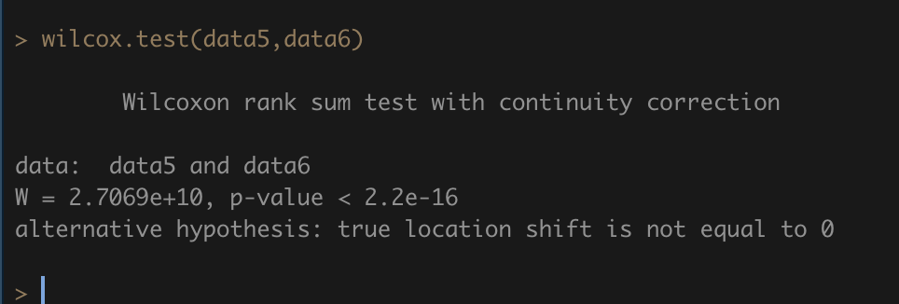
 |  |  |  |  |  | 0 | 43 | 10 | 10 | 0% | 100% |  | 1 | 43 | 2 | 2 | 0% | 100%
 |  |  |  |  |  | 0 | 44 | 9 | 9 | 0% | 100% |  | 1 | 45 | 3 | 3 | 0% | 100%
 |  |  |  |  |  | 0 | 45 | 9 | 9 | 0% | 100% |  | 1 | 69 | 1 | 1 | 0% | 100%
 |  |  |  |  |  | 0 | 46 | 7 | 7 | 0% | 100%
 |  |  |  |  |  | 0 | 47 | 3 | 3 | 0% | 100%
 |  |  |  |  |  | 0 | 48 | 6 | 6 | 0% | 100%
 |  |  |  |  |  | 0 | 49 | 1 | 1 | 0% | 100%
 |  |  |  |  |  | 0 | 53 | 1 | 1 | 0% | 100%
 |  |  |  |  |  | 0 | 55 | 1 | 1 | 0% | 100%

city_change | mean | median | sd | size
1 | 1192.12 | 1355.894 | 731 | 310610
0 | 1377.208 | 1457.807 | 1024 | 192630

country change | mean | median | sd | size
1 | 1008.379 | 1079.276 | 730 | 114732
0 | 1338.153 | 1471.477 | 897 | 388508

 | previous stay duration
role change | mean | median | sd | size
1 | 1,279.9 | 1,394.7 | 853.0 | 423,832
0 | 1,172.6 | 1,416.2 | 730.0 | 79,408

