Flex cable
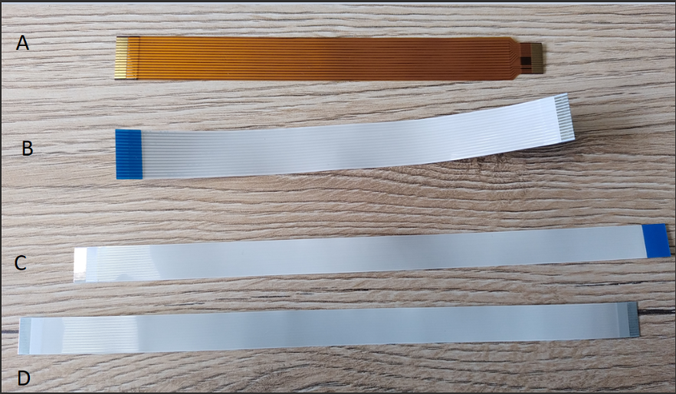
 | CSI Connector type | Dione 22 pin | MicroCube Crius1280 SmartIR640 15 pin
Jetson Nano devkit | 15 pin | 22-15 same side (A) | 15-15 opposite side (B)
Jetson Xavier NX devkit | 15 pin | 22-15 same side (A) | 15-15 opposite side (B)
Jetson AGX Orin / Auvidea X230D carrier board | 22 pin | 22-22 opposite side (C) | 22-15 same side (A)
Jetson Orin NX devkit | 22 pin | 22-22 opposite side (C) | 22-15 same side (A)

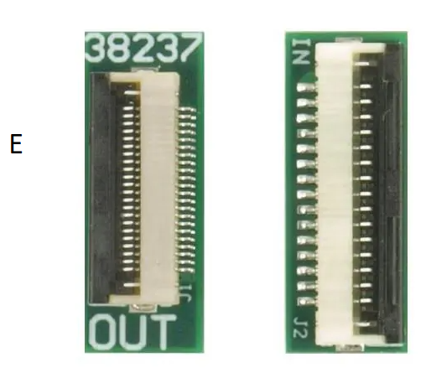

 |  |  | 38237 Auvidea | Mouser France

