Flex cable
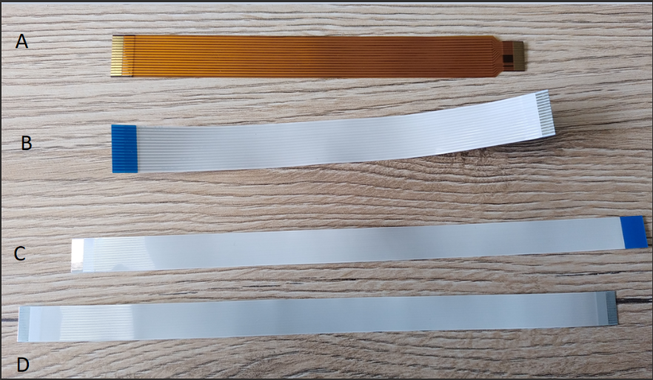
 | CSI Connector type | Dione 22 pin | MicroCube Crius1280 SmartIR640 15 pin
Rpi4 | 15 pin | 22-15 same side (A) | 15-15 opposite side (B)
Rpi5 | 22 pin | 22-22 opposite side (C) | 22-15 same side (A)

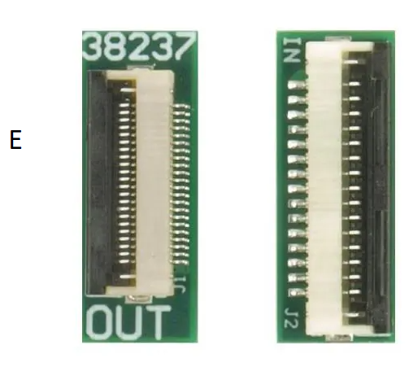

 |  |  | 38237 Auvidea | Mouser France

