Charts
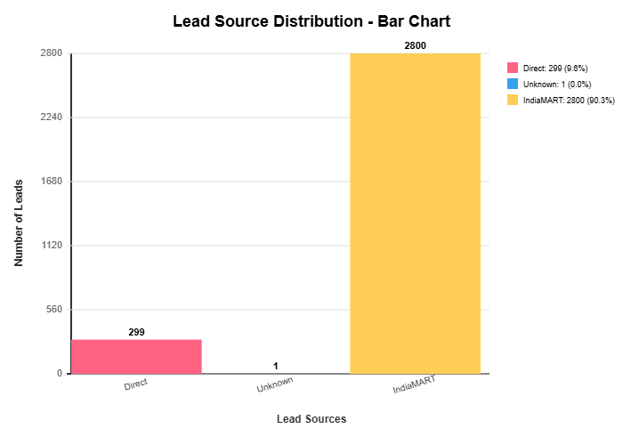
Lead Analytics Dashboard

Lead Status Distribution | Lead Source Distribution

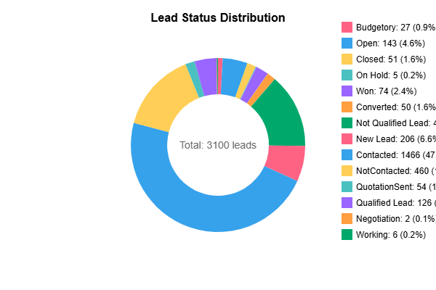
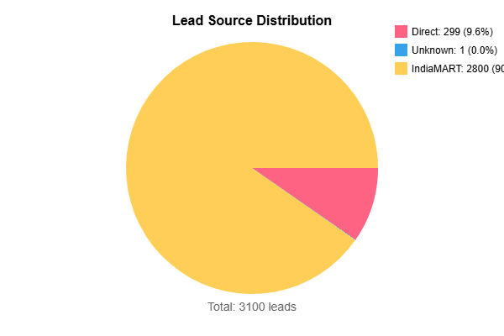

Lead Sources - Bar Chart

