ACE-1 In-Del PCR
ACE-1 In-Del PCR on selected EXTRAS Results 04/10/2019

Gel well no. | Plate Name | Plate no. | Well ID | D/A | In-Del (presence/absence) | Gel no. 1 | Run for 1 hour @120V with 100bp ladder
1 | IC2017_Plate1 | 1 | B1 | Dead | Presence?
2 | IC2017_Plate1 | 1 | D1 | Dead | Presence?
3 | IC2017_Plate1 | 1 | E1 | Dead | Presence
4 | IC2017_Plate1 | 1 | F3 | Dead | Presence
5 | IC2017_Plate1 | 1 | C5 | Dead | Presence
6 | IC2017_Plate1 | 1 | E5 | Dead | Presence
7 | IC2017_Plate1 | 1 | F5 | Dead | Presence
8 | IC2017_Plate1 | 1 | B6 | Dead | Presence
9 | IC2017_Plate1 | 1 | E8 | Dead | Presence
10 | IC2017_Plate1 | 1 | A10 | Dead | Presence
11 | IC2017_Plate1 | 1 | G10 | Dead | Absence
12 | IC2017_Plate1 | 1 | H10 | Alive | Presence?
13 | IC2017_Plate1 | 1 | A11 | Alive | Absence
14 | IC2017_Plate1 | 1 | C11 | Alive | Absence
15 | IC2017_Plate1 | 1 | A1 | Alive | Absence
16 | IC2017_Plate1 | 1 | B1 | Alive | Presence
17 | IC2017_Plate1 | 1 | C1 | Alive | Presence
18 | IC2017_Plate1 | 1 | E1 | Alive | Presence
19 | IC2017_Plate1 | 1 | H1 | Alive | Absence
20 | IC2017_Plate1 | 1 | A2 | Alive | Absence | Gel no. 2 | Run for 1 hour @120V with 100bp ladder
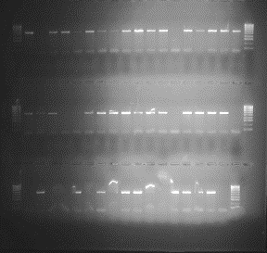
21 | IC2017_Plate1 | 1 | B2 | Alive | Presence?
22 | IC2017_Plate1 | 1 | D2 | Alive | Absence
23 | TGBN2017_Plate4 | 4 | F10 | Dead | Absence
24 | TGBN2017_Plate4 | 4 | G10 | Dead | Presence
25 | TGBN2017_Plate4 | 4 | H10 | Dead | Presence
26 | TGBN2017_Plate4 | 4 | A11 | Dead | Absence
27 | TGBN2017_Plate4 | 4 | C11 | Dead | Presence
28 | TGBN2017_Plate4 | 4 | D11 | Dead | Presence?
29 | TGBN2017_Plate4 | 4 | E11 | Dead | Presence?
30 | TGBN2017_Plate4 | 4 | F11 | Dead | Presence
31 | TGBN2017_Plate4 | 4 | G11 | Dead | Presence
32 | TGBN2017_Plate4 | 4 | H11 | Dead | Absence
33 | TGBN2017_Plate4 | 4 | C12 | Dead | Absence
34 | TGBN2017_Plate5 | 4 | D12 | Alive | Presence
35 | TGBN2017_Plate5 | 4 | E12 | Alive | Presence
36 | TGBN2017_Plate5 | 4 | F12 | Alive | Presence
37 | TGBN2017_Plate5 | 4 | G12 | Alive | Presence
38 | TGBN2017_Plate5 | 4 | H12 | Alive | Absence
39 | TGBN2017_Plate5 | 5 | A1 | Alive | Presence
40 | TGBN2017_Plate5 | 5 | C1 | Alive | Presence
41 | TGBN2017_Plate5 | 5 | D1 | Alive | Presence?
42 | TGBN2017_Plate5 | 5 | E1 | Alive | Presence
43 | TGBN2017_Plate5 | 5 | F4 | Alive | Presence?
44 | TGBN2017_Plate5 | 5 | C5 | Alive | Presence?
45 | TGBN2017_Plate5 | 5 | D5 | Dead | Presence
46 | TGBN2017_Plate5 | 5 | E5 | Dead | Presence
47 | TGBN2017_Plate5 | 5 | F5 | Dead | Presence
48 | TGBN2017_Plate5 | 5 | G5 | Dead | Presence | *Last row redone and placed over picture above
49 | TGBN2017_Plate5 | 5 | H5 | Dead | Absence
50 | TGBN2017_Plate5 | 5 | A6 | Dead | Presence
51 | TGBN2017_Plate5 | 5 | B6 | Dead | Presence
52 | TGBN2017_Plate5 | 5 | C6 | Dead | Presence
53 | TGBN2017_Plate5 | 5 | D6 | Dead | Presence
54 | TGBN2017_Plate5 | 5 | E6 | Dead | Presence
55 | TGBN2017_Plate5 | 5 | F6 | Dead | Presence?
56 | TGBN2017_Plate5 | 5 | G6 | Alive | Presence?
57 | TGBN2017_Plate5 | 5 | H6 | Alive | Presence?
58 | TGBN2017_Plate5 | 5 | A7 | Alive | Absence
59 | TGBN2017_Plate5 | 5 | B7 | Alive | Absence
60 | TGBN2017_Plate5 | 5 | C7 | Alive | Presence
61 | TGBN2017_Plate5 | 5 | D7 | Alive | Presence
62 | TGBN2017_Plate5 | 5 | E7 | Alive | Presence
63 | TGBN2017_Plate5 | 5 | F7 | Alive | Presence
64 | TGBN2017_Plate5 | 5 | G8 | Alive | Presence
65 | TGBN2017_Plate5 | 5 | H8 | Alive | Presence
66 | TGBN2017_Plate5 | 5 | A11 | Alive | Presence
67 | GH2017_Plate3 | 3 | A1 | Dead | Absence
68 | GH2017_Plate3 | 3 | B1 | Dead | Presence
69 | GH2017_Plate3 | 3 | D1 | Dead | Presence
70 | GH2017_Plate3 | 3 | H1 | Dead | Presence
71 | GH2017_Plate3 | 3 | G2 | Dead | Presence
72 | GH2017_Plate3 | 3 | H2 | Dead | Absence
73 | GH2017_Plate3 | 3 | B3 | Dead | Absence
74 | GH2017_Plate3 | 3 | F3 | Dead | Presence
75 | GH2017_Plate3 | 3 | G3 | Dead | Absence
76 | GH2017_Plate3 | 3 | H3 | Dead | Absence
77 | GH2017_Plate3 | 3 | E4 | Dead | Presence
78 | GH2017_Plate4 | 4 | F1 | Alive | Absence
79 | GH2017_Plate4 | 4 | A2 | Alive | Presence
80 | GH2017_Plate4 | 4 | B2 | Alive | Presence
81 | GH2017_Plate4 | 4 | D2 | Alive | Presence
82 | GH2017_Plate4 | 4 | F2 | Alive | Presence
83 | GH2017_Plate4 | 4 | C4 | Alive | Presence
84 | GH2017_Plate4 | 4 | C5 | Alive | Presence? | *Note one change
85 | GH2017_Plate4 | 4 | F5 | Alive | Presence
86 | GH2017_Plate4 | 4 | A6 | Alive | Presence
87 | GH2017_Plate4 | 4 | E6 | Alive | Presence
88 | GH2017_Plate4 | 4 | F6 | Alive | Presence
89 | NTC | _ | _ | _ | Absence

ACE-1 In-Del ADDITIONAL
ACE-1 In-Del PCR on selected ADDITIONAL 19/11/2019

*NOT YET QPCR'D AS ONES THAT HAVE BEEN QPCR'D HAD RUN OUT SO NEW SAMPLES SELECTED*
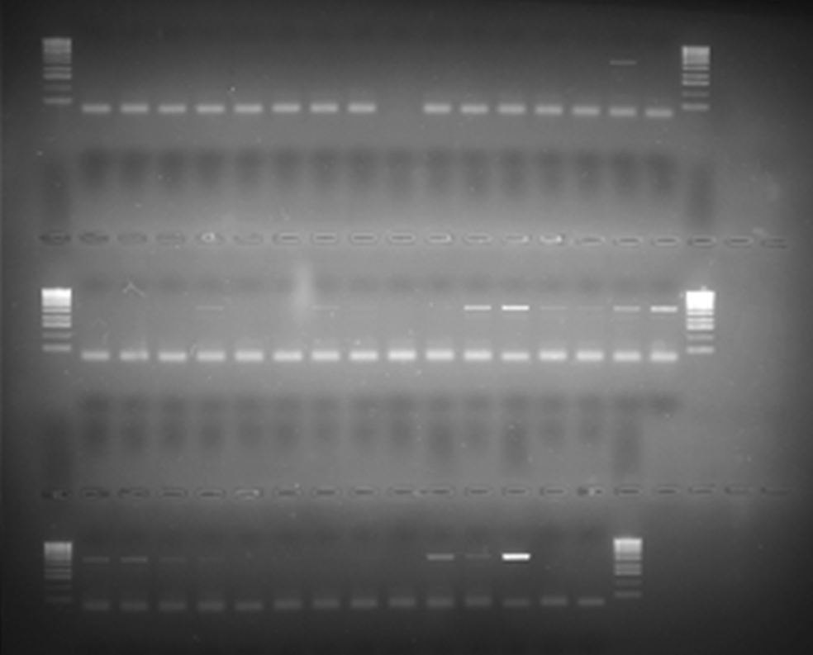
KORLEBU SELECTED SAMPLES
Gel well no. | Plate Name | Plate no. | Well ID | D/A | In-Del (presence/absence)
1 | GH2017_Plate15 | 15 | A1 | Dead | Absence
2 | GH2017_Plate15 | 15 | B1 | Dead | Absence
3 | GH2017_Plate15 | 15 | C1 | Dead | Absence
4 | GH2017_Plate15 | 15 | D1 | Dead | Absence
5 | GH2017_Plate15 | 15 | E1 | Dead | Absence
6 | GH2017_Plate15 | 15 | F1 | Dead | Absence
7 | GH2017_Plate15 | 15 | G1 | Dead | Absence
8 | GH2017_Plate15 | 15 | H1 | Dead | Absence
9 | GH2017_Plate15 | 15 | A2 | Dead | FAIL
10 | GH2017_Plate15 | 15 | B2 | Dead | Absence
11 | GH2017_Plate15 | 15 | C2 | Dead | Absence
12 | GH2017_Plate15 | 15 | D2 | Dead | Absence
13 | GH2017_Plate15 | 15 | E2 | Dead | Absence
14 | GH2017_Plate15 | 15 | F2 | Dead | Absence
15 | GH2017_Plate15 | 15 | G2 | Dead | Presence
16 | GH2017_Plate15 | 15 | H2 | Dead | Absence
17 | GH2017_Plate15 | 15 | A3 | Dead | Absence
18 | GH2017_Plate15 | 15 | B3 | Dead | Absence
19 | GH2017_Plate15 | 15 | C3 | Dead | Absence
20 | GH2017_Plate15 | 15 | D3 | Dead | Presence?
21 | GH2017_Plate15 | 15 | E3 | Dead | Absence
22 | GH2017_Plate15 | 15 | F3 | Dead | Absence
1 | GH2017_Plate16 | 16 | A1 | Alive | Presence?
2 | GH2017_Plate16 | 16 | B1 | Alive | Absence
3 | GH2017_Plate16 | 16 | C1 | Alive | Absence
4 | GH2017_Plate16 | 16 | D1 | Alive | Absence
5 | GH2017_Plate16 | 16 | E1 | Alive | Presence
6 | GH2017_Plate16 | 16 | F1 | Alive | Presence
7 | GH2017_Plate16 | 16 | G1 | Alive | Presence?
8 | GH2017_Plate16 | 16 | H1 | Alive | Presence?
9 | GH2017_Plate16 | 16 | A2 | Alive | Presence
10 | GH2017_Plate16 | 16 | B2 | Alive | Presence
11 | GH2017_Plate16 | 16 | C2 | Alive | Presence?
12 | GH2017_Plate16 | 16 | D2 | Alive | Presence?
13 | GH2017_Plate16 | 16 | E2 | Alive | Presence?
14 | GH2017_Plate16 | 16 | F2 | Alive | Presence?
15 | GH2017_Plate16 | 16 | G2 | Alive | Absence
16 | GH2017_Plate16 | 16 | H2 | Alive | Absence
17 | GH2017_Plate16 | 16 | A3 | Alive | Absence
18 | GH2017_Plate16 | 16 | B3 | Alive | Absence
19 | GH2017_Plate16 | 16 | C3 | Alive | Absence
20 | GH2017_Plate16 | 16 | D3 | Alive | Presence
21 | GH2017_Plate16 | 16 | E3 | Alive | Presence
22 | GH2017_Plate16 | 16 | F3 | Alive | Presence

