Problem 1
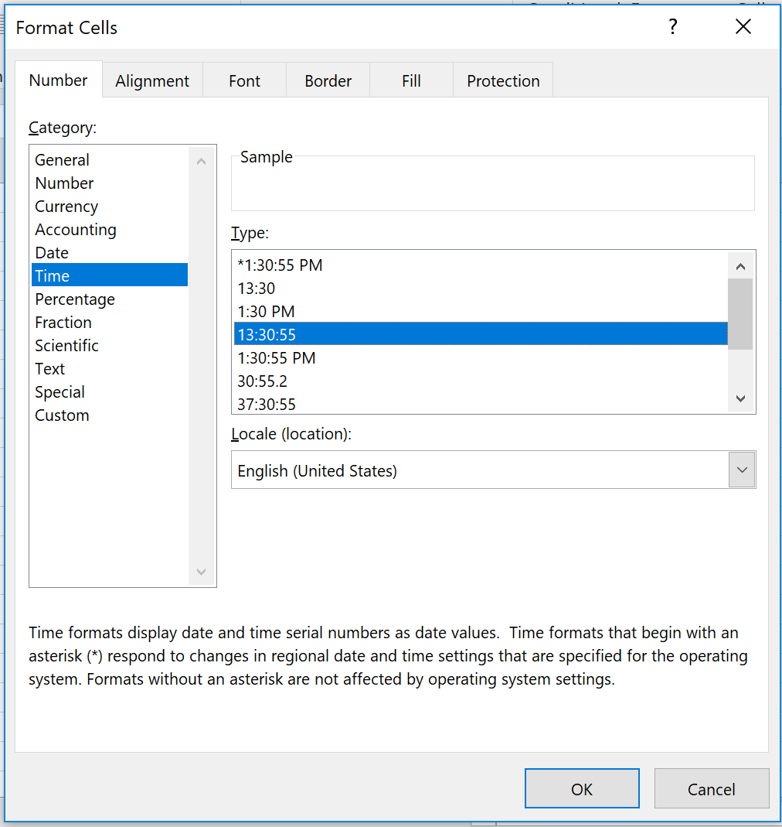
Problem 1
Average Speed

Clock Time (hh:mm:ss) | Clock Time (day) | Clock Time (hr) | Odometer Reading (mi) | Time Interval (hr) | Distance (mi) | Average speed (MPH)
0:00:00 | 0 | 0 | 100.0
1:00:00 | 0.041666667 | 1 | 158.7 | 1.00 | 58.7 | 58.7
2:04:23 | 0.086377314815 | 2.0730555556 | 218.4 | 1.07 | 59.7 | 55.6
2:56:24 | 0.1225 | 2.94 | 267.5 | 0.87 | 49.1 | 56.6
3:45:23 | 0.1565162037 | 3.7563888889 | 315.8 | 0.82 | 48.3 | 59.2
4:12:00 | 0.175 | 4.2 | 340.3 | 0.44 | 24.5 | 55.2
5:34:03 | 0.23197916667 | 5.5675 | 422.4 | 1.37 | 82.1 | 60.0
Cells A5:A11 Number format is set to Time. See below "How To". | Same values as in column A are shown here using General Number format. | Values from column B multiplied by 24 (to convert days to hours)
 | (Excel counts time in days. One hour is 1/24 = 0.0416666666666667 days.)

On the Home tab, in the Number group, click the Dialog Box Launcher next to Number.

