Sheet1
Worst case
value of k | time
1 | 1.321
2 | 0.815
3 | 0.982
4 | 1.655
5 | 1.09
6 | 1.504
7 | 1.308
8 | 1.953
9 | 1.696

Average case
value of k | time
1 | 0.833
2 | 1.111
3 | 1.901
4 | 1.872
5 | 1.98
6 | 1.167
7 | 1.537
8 | 1.174
9 | 1.245

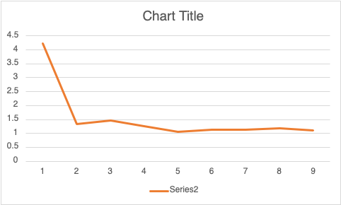
Best case
value of k | time
1 | 4.098
2 | 1.342
3 | 1.453
4 | 1.270
5 | 1.059
6 | 1.125
7 | 1.120
8 | 1.190
9 | 1.110

