Benefits
BENEFITS

Below are all the benefits included in the complete version of this spreadsheet. Join today and access our entire library of business resources.
 |  |  | Start today

Complete version comes with a 12-month calendar view, so you van view all your tasks by priority across the next 12 months. |  | 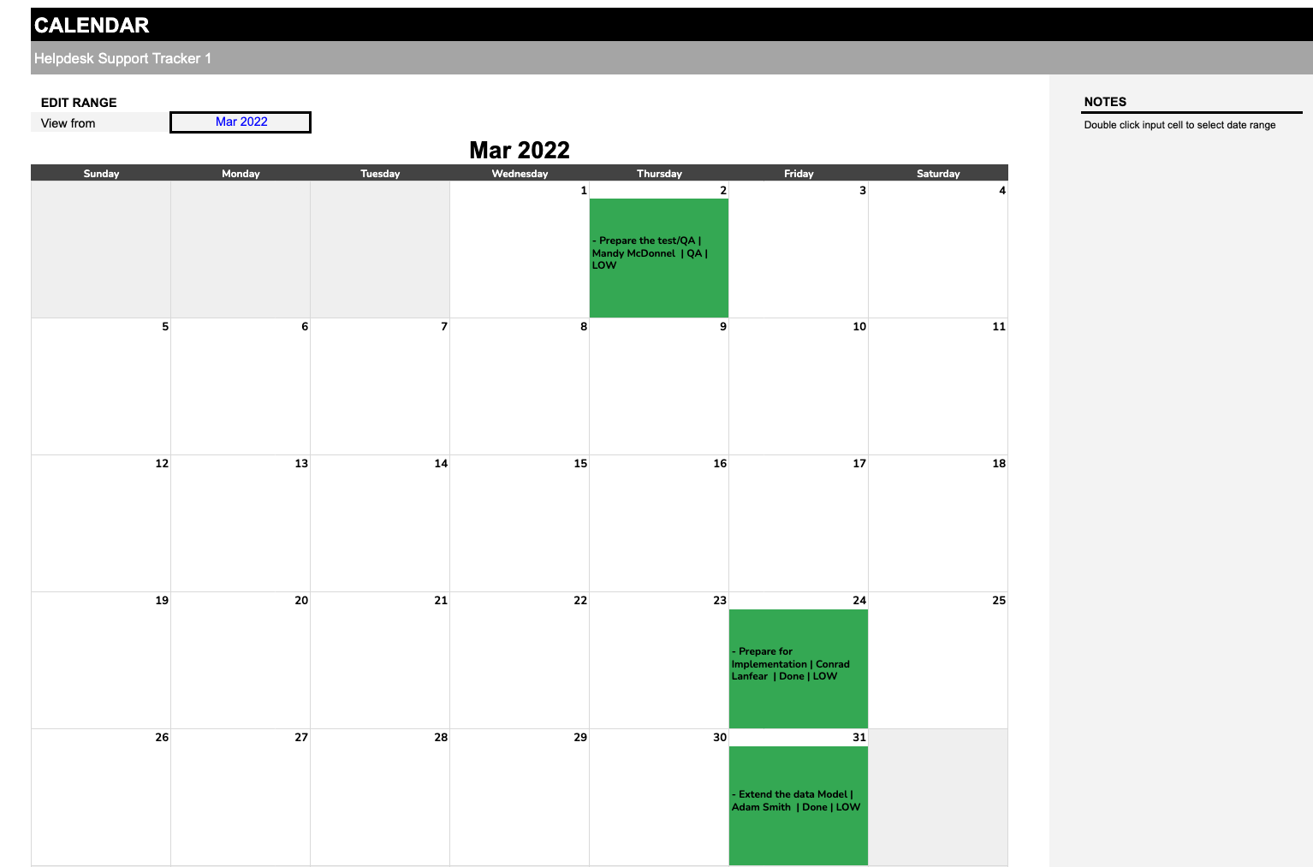

Complete version includes a dashboard to track your wofklow's progress across each of your tasks. |  | 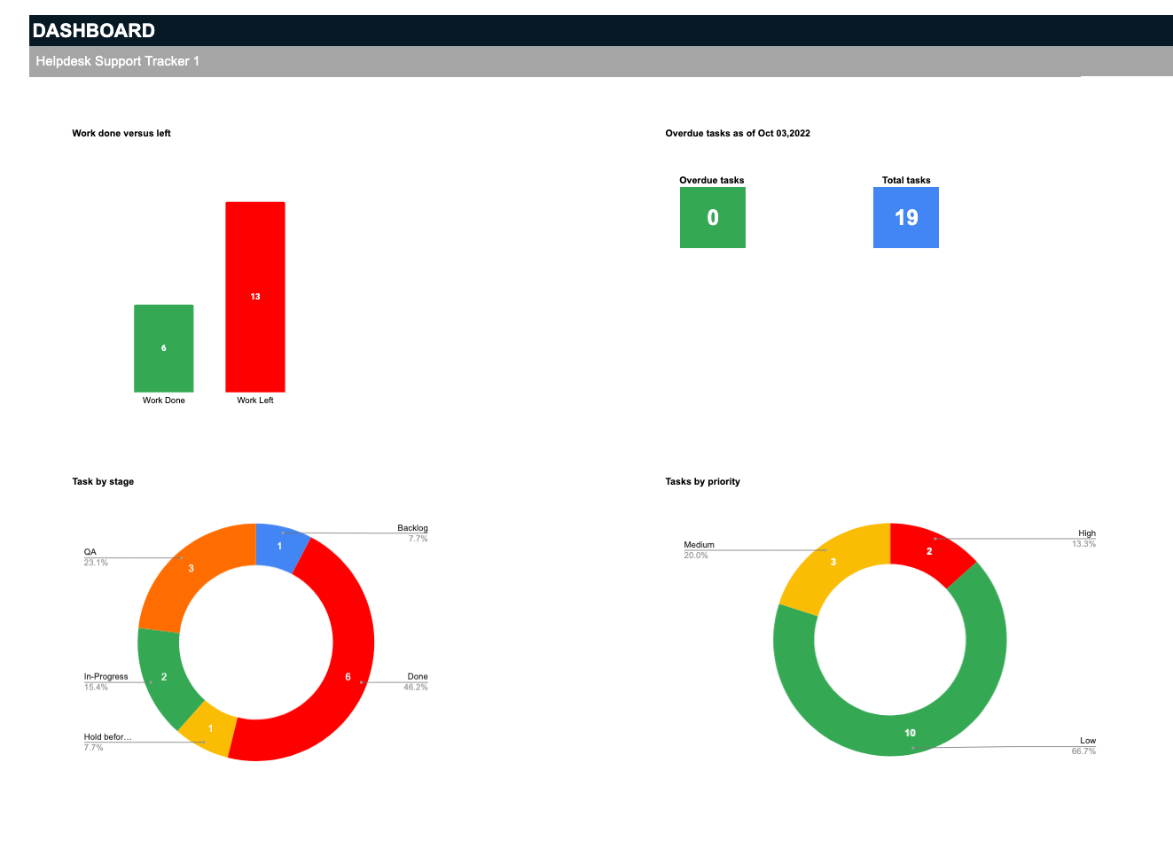

Visualize your complete tasks against how many are left, as well as your total overdue.

View the breakdown of your total tasks by stage as well as total tasks by priority. | 

Account for tasks by their stage and their priority levels according to the team members responsible to identify bottlenecks and assess where to assign higher priority work. | 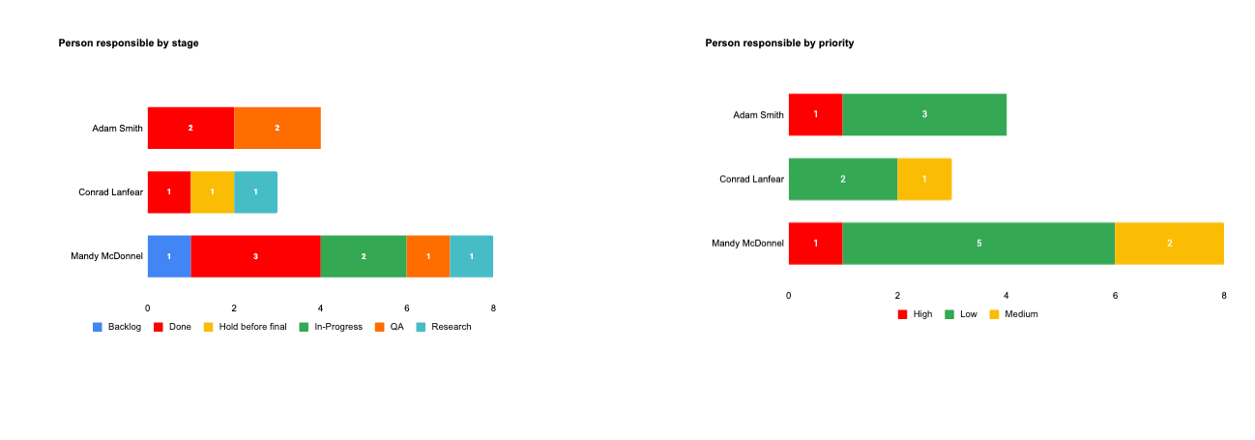

View all upcoming tasks for the year summed up across each month to help view a whole year's worth of tasks at a glance. |  | 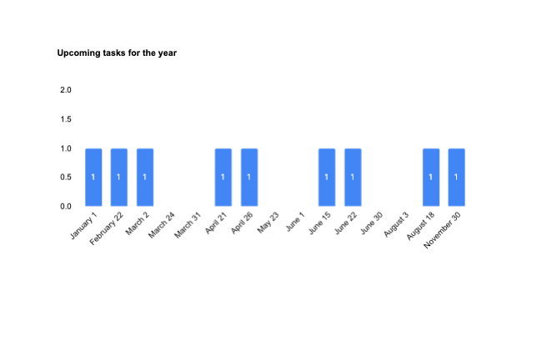

And visualize your total progress towards completion across your entire workflow to gauge how far into your progress you still have left to accomplish - or how much you've accomplished so far. |  | 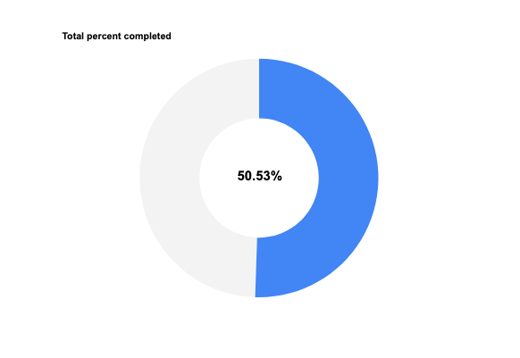

With a progress dashboard and a 12-month calendar view, you have every visualization you need to manage your projects and workflow with ease. |  | 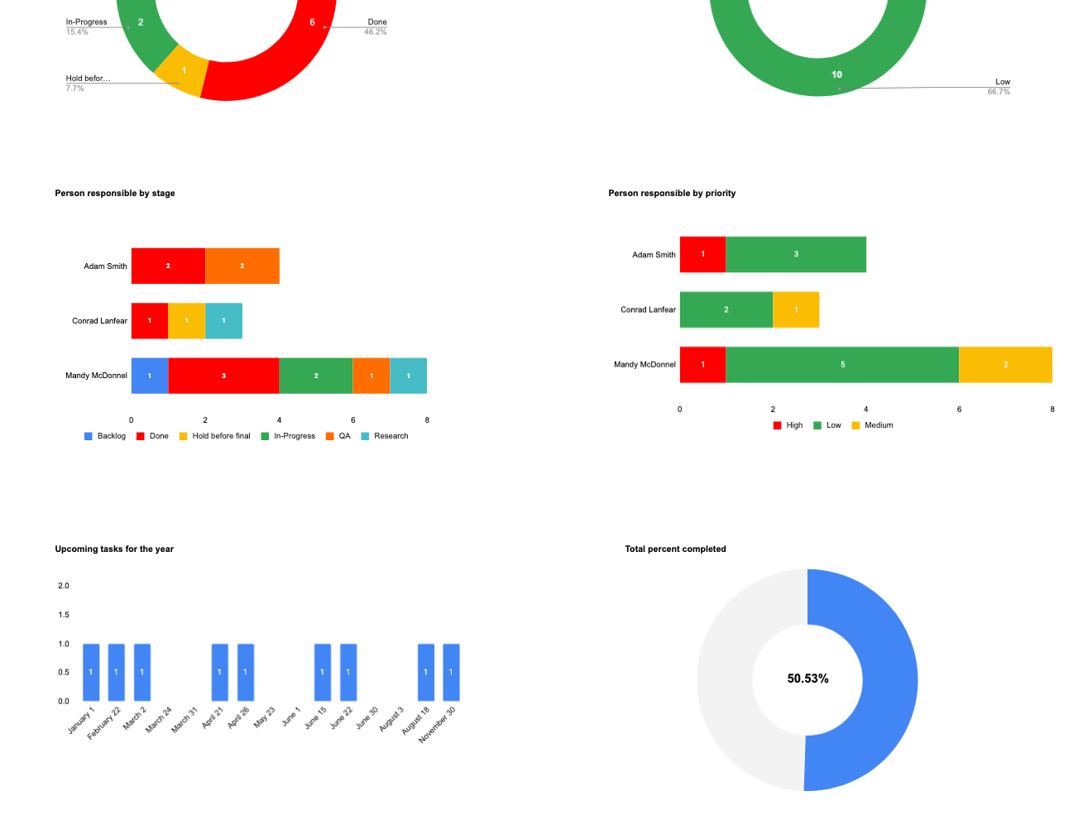 | 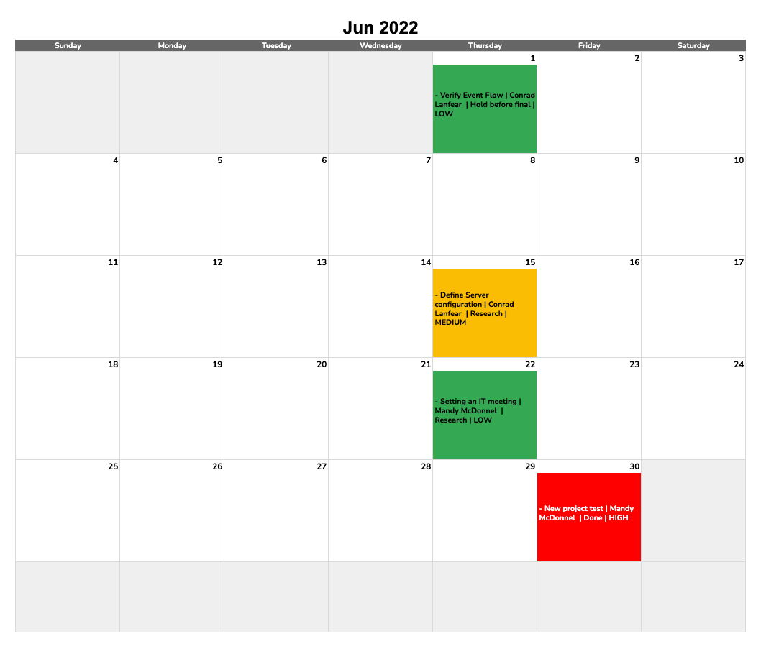

Gain all these benefits when you join today... |  |  | Get spreadsheet

Errors and omissions liability (E&O): You Exec LLC makes no guarantee that the formulas, models, analysis, financial projections, estimates, graphs, reports, numbers, and any derivatives sourcing from this model are free of errors and omissions. Our financial modelers have audited this model to the best of their capabilities, yet You Exec LLC assumes no liability for erroneous outcomes derived from this financial model.

Copyright © You Exec LLC. All rights reserved.

