Menu
 |  | Target Counter
Target | LZ | 1 | Result | 25 | no condition | 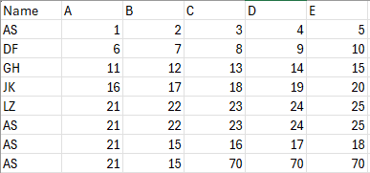
Target Value | E

Condition |  |  | Result | NA | with condition
Condition Value

Condition |  |  | Result | NA | with condition
Condition Value

Condition |  |  | Result | NA | with condition
Condition Value

