Summary_of_Dataset_(Only BBB)
Table Name | Columns (highlight primary and foreign keys) | Simple Summary (filter: BBB) | Memo
courses.csv | code_module
 | code_presentation
 | module_presentation_length

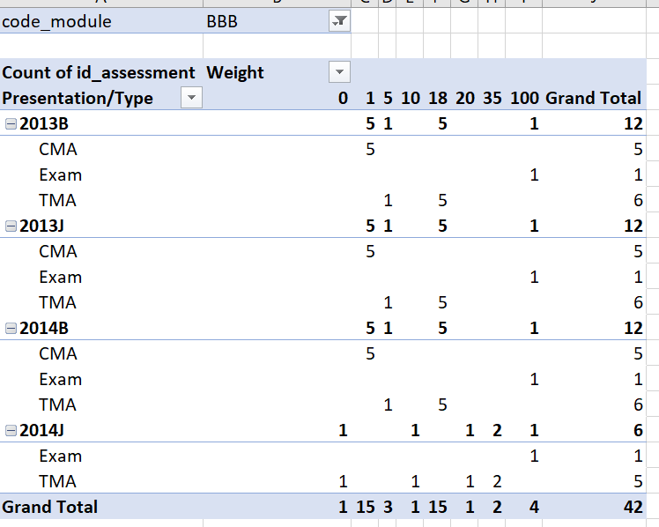
assessments.csv | code_module
 | code_presentation
 | id_assessment
 | assessment_type
 | date
 | weight

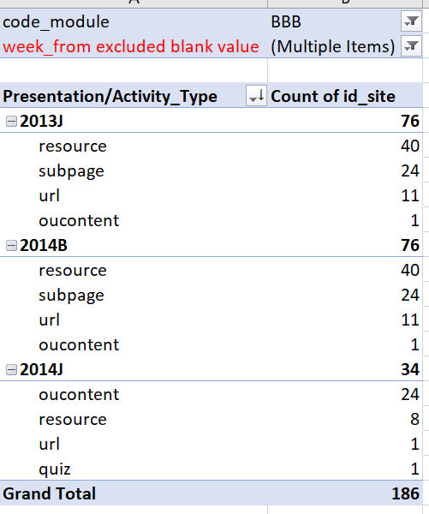
vle.csv | id_site
 | code_module
 | code_presentation
 | activity_type
 | week_from
 | week_to

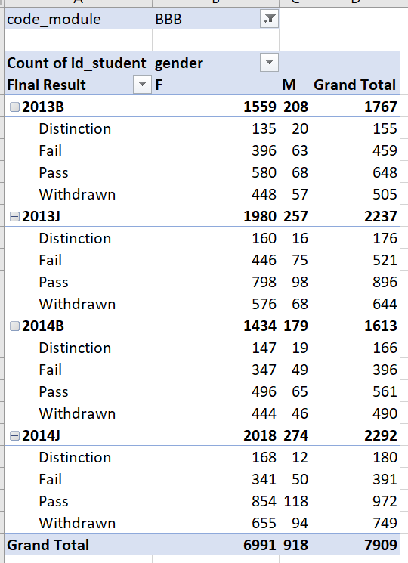
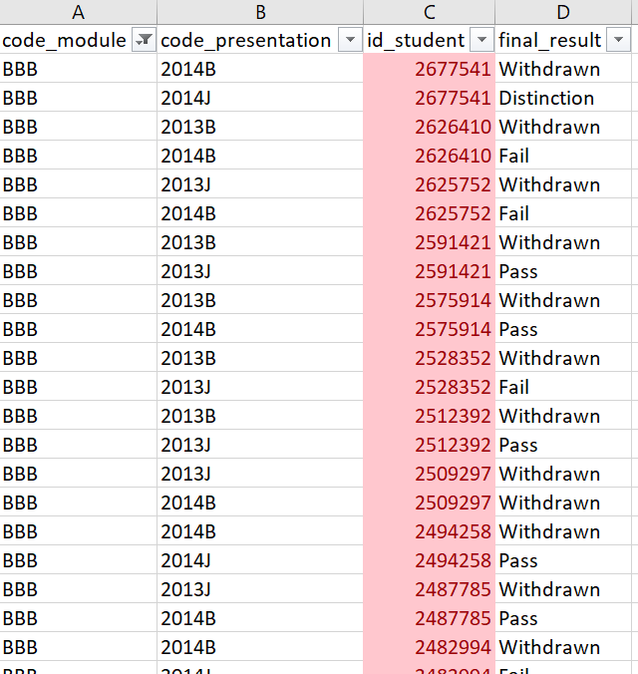
studentInfo.csv | code_module
 | code_presentation
 | id_student
 | gender
 | region
 | highest_education
 | imd_band
 | age_band
 | num_of_prev_attempts
 | studied_credits
 | disability
 | final_result

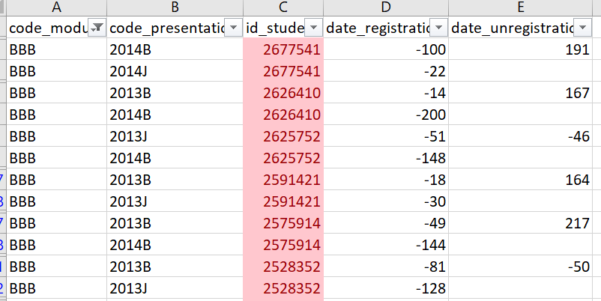
studentRegistration.csv | code_module
 | code_presentation
 | id_student
 | date_registration
 | date_unregistration

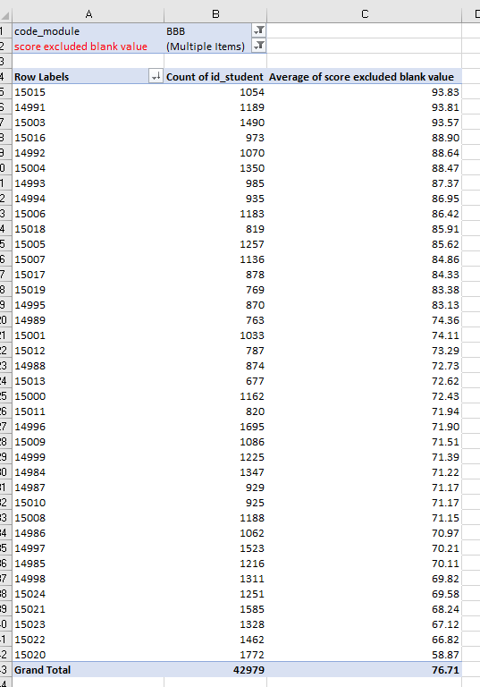
studnetAssessment.csv | code_module (added)
 | id_assessment
 | id_student
 | date_submitted
 | is_banked
 | score

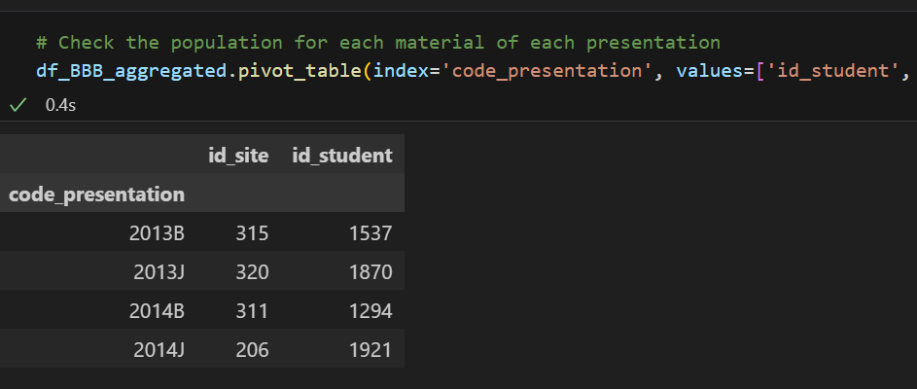
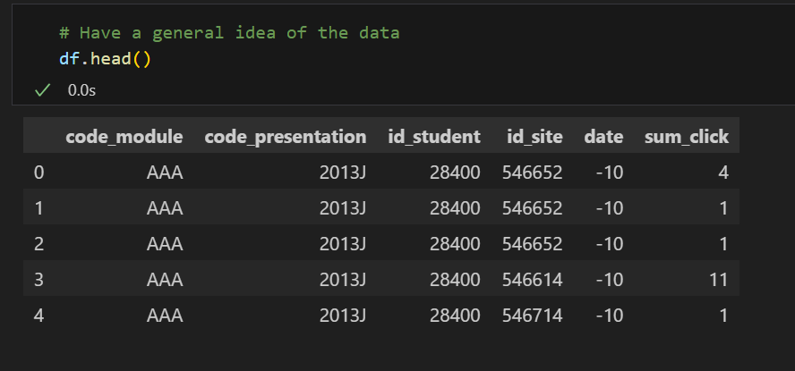
studentVle.csv | code_module
 | code_presentation
 | id_student
 | id_site
 | date
 | sum_click

