Bloomberg
Part1
 |  |  |  | 效率
HDSK | 从哪里问？ | 邮件 | 新问题 | 低
（讲别的不知道各位有没有需求） |  |  | 老问题 | 高
 |  | 电话 |  | 高
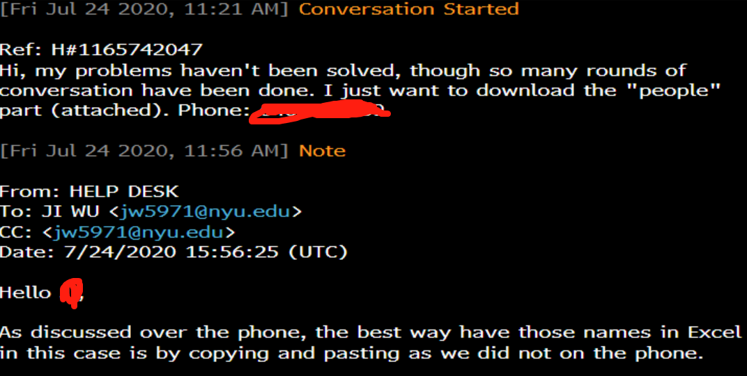

 | 问题的内容？

 | 功能性 | API/Excel Add-in/module
 | 建议性 | topics, data description

Part2
Bloomberg 面试 | Sales&analytics
HR电面 | 介绍自己 |  | 0.20
 | 为什么要招金融工程的学生而不招金融
 | 未来的职业发展规划
 | 还申请哪些岗位，有没有offer
 | Bloomberg除了terminal还知道哪些其他产品
 | 对我有什么问题

Value at risk Calculation
mean | 0 | 0.00042189075723
sigma | 0.05 | 0.050004813129 |  | https://www.mathsisfun.com/data/confidence-interval.html
 | Historical Return | Parameter method |  | https://financetrain.com/lessons/confidence-intervals-normal-distribution/#:~:text=68%25%20of%20values%20fall%20within,%3D%20X%20%3C%3D%201.96s)
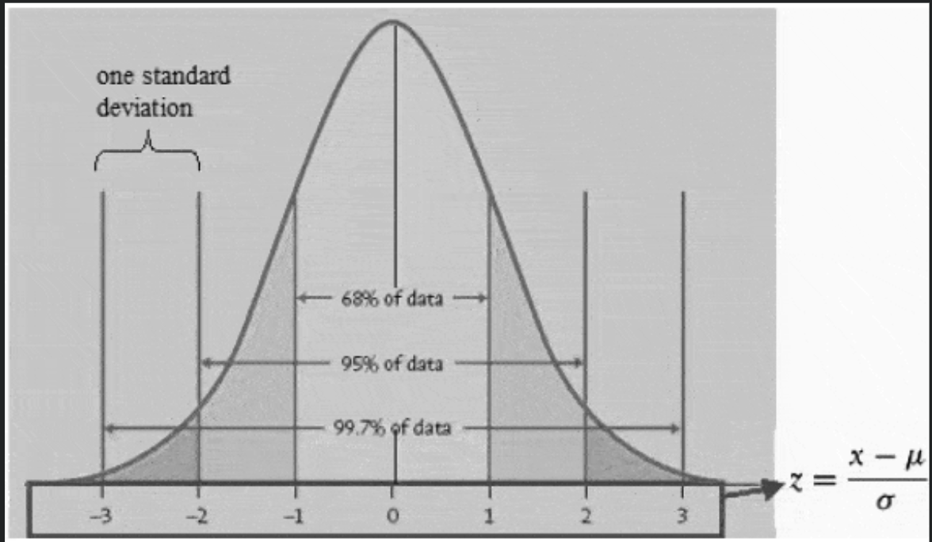
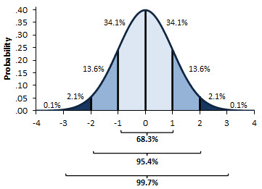
0.10211985748 | 0.11237548319 |  | 0.12444117791
-0.018628817882 | 0.098643442173 |  | 0.10641435974
0.038121497106 | 0.095872947637 |  | 0.10513736159
-0.00076455606936 | 0.086708978096 |  | 0.10383116023
-0.00071829665513 | 0.085464814248 |  | 0.08890528572
-0.040502027421 | 0.075134573785 |  | 0.07557446325
-0.059224439932 | 0.074843104645 |  | 0.074938773946
-0.11912850309 | 0.073226829079 |  | 0.07444037066
0.074228872279 | 0.071991727581 |  | 0.069538518408
0.078682702409 | 0.070337442842 |  | 0.067284258507
0.024155337056 | 0.060341804248 |  | 0.065740937319
-0.01183024134 | 0.056789602169 |  | 0.065242471013
0.053829186731 | 0.052560352325 |  | 0.062422277672
-0.0040984064869 | 0.050471157677 |  | 0.055072197887
-0.064840589067 | 0.048184421787 |  | 0.055011421816 | 68% of values fall within 1 standard deviation of the mean (-1s <= X <= 1s)
0.024240561989 | 0.04788082493 |  | 0.053202812553 | 90% of values fall within 1.65 standard deviations of the mean (-1.65s <= X <= 1.65s)
-0.030873840853 | 0.047102844308 |  | 0.052128975491 | 95% of values fall within 1.96 standard deviations of the mean (-1.96s <= X <= 1.96s)
-0.0055472731025 | 0.045647190766 |  | 0.048863205089 | 99% of values fall within 2.58 standard deviations of the mean (-2.58s <= X <= 2.58s)
0.095916928134 | 0.044217769827 |  | 0.047550519715
0.019404295266 | 0.042331183481 |  | 0.047252010115 | parameters
-0.064731117044 | 0.042114303291 |  | 0.047169330528 | p | 1-alpha | 5% | 5% VaR = 4% | q
-0.025305019928 | 0.03926635432 |  | 0.045486512943 | With 95% confidence, we expect that our worst daily loss will not exceed 4%.
-0.045378801823 | 0.039236586029 |  | 0.043627567573 | If we invest $100, we are 95% confident that our worst daily loss will not exceed $4 ($100 x -4%).
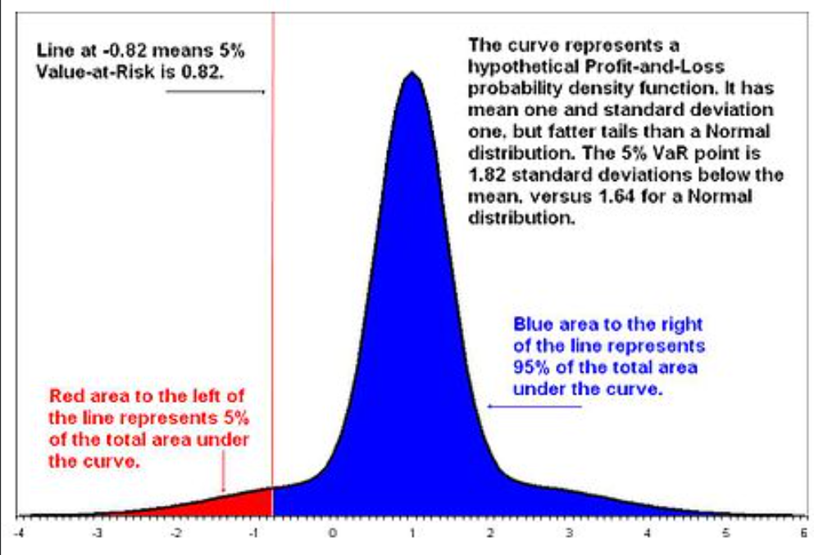
0.030093813012 | 0.038180956049 |  | 0.040372319047
-0.089249356983 | 0.037452587931 |  | 0.035224273024
-0.015625684321 | 0.035024038661 |  | 0.035096242301
-0.017899392898 | 0.032669527682 |  | 0.034218114597
-0.045107093541 | 0.031000068261 |  | 0.031468459106
0.036653646868 | 0.030121862796 |  | 0.031201561098
0.0031686140499 | 0.029046919127 |  | 0.028751743704
0.083006185676 | 0.027244592675 |  | 0.023076691903
0.0012292684253 | 0.026874579074 |  | 0.018730053067
0.021708857764 | 0.025670691441 |  | 0.017377929613
0.039186247909 | 0.023157813718 |  | 0.016632975279
-0.016671062072 | 0.022906832698 |  | 0.016598874963
0.038428145101 | 0.022792707715 |  | 0.015950366518
0.05980341134 | 0.020761683875 |  | 0.014615948174
0.03816837548 | 0.01770876947 |  | 0.013226793624
0.0053479144588 | 0.01538925745 |  | 0.011025976741
-0.042301725632 | 0.014323629601 |  | 0.008910620927
-0.032854803443 | 0.011385018733 |  | 0.0081759115833
0.076928306995 | 0.010928987767 |  | 0.0074986568153
-0.054718276661 | 0.0099394149462 |  | 0.0067437999748
0.049893949928 | 0.0094311987714 |  | 0.0067311777689
0.012796052565 | 0.009247606858 |  | 0.0056722423343
-0.03505229344 | 0.0072580816312 |  | 0.0056440179119
0.038417903106 | 0.006732851931 |  | 0.0054389769769
-0.011412218504 | 0.0060855995529 |  | 0.0039990059004
0.022673060928 | 0.0057951733603 |  | 0.0036423759634
-0.025592288944 | 0.0045434004311 |  | 0.003015116374
0.03589138924 | 0.0036887741954 |  | 0.0007761757359
0.029792576527 | 0.00065318889922 |  | 0.00052924167319
-0.034139086092 | 0.00051074926024 |  | -0.0021839635042
-0.007439312413 | -0.000488548038 |  | -0.0022139111492
0.061138284537 | -0.0033567735052 |  | -0.0060365011402
0.043729790925 | -0.0051807221954 |  | -0.0067905166352
0.031511001267 | -0.0052043669776 |  | -0.0073270839087
-0.034924444201 | -0.0076898940963 |  | -0.0093088475049
0.057939949988 | -0.007980784116 |  | -0.01075819035
0.091871082699 | -0.010452310157 |  | -0.011423431044
0.0006440062863 | -0.010716179097 |  | -0.011900242688
0.021571855072 | -0.011766494915 |  | -0.012563631466
-0.062309425965 | -0.012869629771 |  | -0.012618214431
0.0030697833671 | -0.013759289138 |  | -0.012960136611
0.048360297738 | -0.01387743428 |  | -0.018106766848
-0.029108759491 | -0.01952810019 |  | -0.020248141985
-0.018325334564 | -0.020022156782 |  | -0.020694594462
-0.091198782308 | -0.020346612165 |  | -0.025002570313
0.016063656296 | -0.02147484187 |  | -0.026993259981
0.051953852241 | -0.021839309544 |  | -0.027171203507
0.0079101344512 | -0.023106095443 |  | -0.027437343692
-0.07047783652 | -0.024123672854 |  | -0.030443946766
0.043528805139 | -0.025175864639 |  | -0.032464076817
0.028382235682 | -0.029849028171 |  | -0.033478464259
-0.009098815586 | -0.031570134562 |  | -0.033858267444
-0.05858346047 | -0.03161366557 |  | -0.035931163447
-0.076339465561 | -0.034030357813 |  | -0.037087931583
-0.059842669962 | -0.034138193113 |  | -0.03717641258
0.030321854453 | -0.03636714109 |  | -0.037597316157
-0.077929021455 | -0.041522290585 |  | -0.038478748665
-0.063675590234 | -0.045691965965 |  | -0.039216804631
-0.067587737031 | -0.046452905654 |  | -0.042876486028
0.065127056231 | -0.050464675106 |  | -0.047239362437
-0.057210569364 | -0.051046678461 |  | -0.047356243535
0.091647142163 | -0.052236425843 |  | -0.050336725853
0.052968836736 | -0.058081294348 |  | -0.052181067382
-0.025621900223 | -0.059078343371 |  | -0.05297988675
0.05121695174 | -0.061124541917 |  | -0.05358632086
0.032374189557 | -0.063343722869 |  | -0.058705584187
-0.066102887211 | -0.063745903811 |  | -0.065007300239
0.016430700281 | -0.06437924294 |  | -0.067373182104
-0.095260004566 | -0.067160154995 |  | -0.070705289227
0.018973498574 | -0.067833786055 |  | -0.072352718644
0.045246931926 | -0.068886326224 |  | -0.073708535318
-0.033438898941 | -0.069689477746 |  | -0.075201495485
-0.0089601999333 | -0.071114693077 |  | -0.079657769987
-0.057279790837 | -0.079701836569 |  | -0.082818319264
-0.063704225131 | -0.10823691916 |  | -0.090478583776
-0.0038797473537 | -0.11229995597 |  | -0.0939243502
-0.084706347159 | -0.17646248651 |  | -0.12717988879
0.073559494197 | H | P
5% VaR | -0.071114693077 | -0.0825 | -0.079657769987
1% VaR | -0.11229995597 | -0.1165 | -0.0939243502

