Sheet1
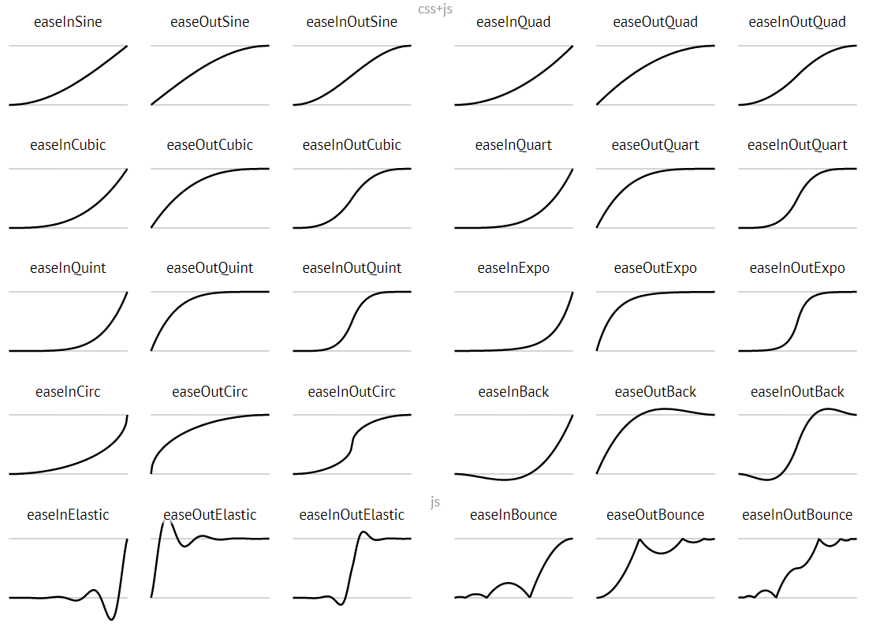
 | 6 | 8 | 10 | 12
ease_in_quad | 41%/23% | 72%/72% | 62%/60% | 32%/26%
ease_out_quad | 72%/96% | 88%/92% | 77%/80% | 50%/72%
ease_in_out_quad | 92%/94% | 95%/91% | 87%/91% | 93%/92%
ease_in_cubic | 12%/16% | 48%/41% | 69%/67% | 38%/54%
ease_out_cubic | 98%/99% | 94%/95% | 83%/83% | 62%/68%
ease_in_out_cubic | 99%/98% | 98%/66% | 85%/87% | 64%/50%
ease_in_quart【X】 | 14%/13% | X | 43%/53% | 52%/59%
ease_out_quart | 99%/100% | 94%/96% | 83%/80% | 55%/62%
ease_in_out_quart | 92%/94% | 94%/98% | 85%/80% | 76%/75%
ease_in_quint【X】 | 5%/5% | X | 27%/28% | 22%/23%
ease_out_quint | 99%/95% | 96%/98% | 80%/64% | 45%/51%
ease_in_out_quint | 98%/88% | 87%/93% | 87%/81% | 28%/41%
ease_in_sine | 51%/55% | 51%/50% | 61%/51% | 31%/35%
ease_out_sine | 98%/94% | 92%/93% | 81%/88% | 50%/69%
ease_in_out_sine | 90%/93% | 97%/97% | 91%/87% | 84%/88%
ease_in_expo【X】 | 0%/0% | X | 21%/20% | 47%/46%
ease_out_expo | 100%/100% | 100%/99% | 83%/89% | 61%/75%
ease_in_out_expo | 98%/98% | 97%/96% | 93%/87% | 92%/90%
ease_in_cric【X】 | X | X | X | X
ease_out_cric | 100%/99% | 100%/94% | 88%/89% | 75%/79%
ease_in_out_cric | 97%/100% | 99%/99% | 90%/93% | 96%/97%
ease_in_elastic【X】 | X | X | X | X
ease_out_elastic | 98%/99% | 95%/83% | 56%/60% | 9%/17%
ease_in_out_elastic | 92%/92% | 68%/57% | 54%/68% | 72%/78%
ease_in_back【X】 | 3%/2% | 28%/24% | 54%/68% | 34%/33%
ease_out_back | 96%/98% | 94%/93% | 73%/74% | 59%/62%
ease_in_out_back | 95%/94% | 87%/89% | 81%/81% | 85%/82%
ease_in_bounce【X】 | 46%/48% | 27%/25% | 29%/20% | 23%/28%
ease_out_bounce | 100%/99% | 67%/76% | 39%/42% | 91%/92%
ease_in_out_bounce | 73%/57% | 67%/70% | 16%/23% | 19%/13%

总体上看，参数为6和8的正确率较10和12高，于是将6和8下的准确率作为评判标准
标红的是在6和8下准确率超过了85%，甚至能达到95%~100%的轨迹
打【X】的轨迹基本都是ease_in函数，可能由于源函数有问题，缺口总是对不准
附轨迹图片和轨迹源码网址：https://github.com/gdsmith/jquery.easing/blob/master/jquery.easing.js

