工作表1
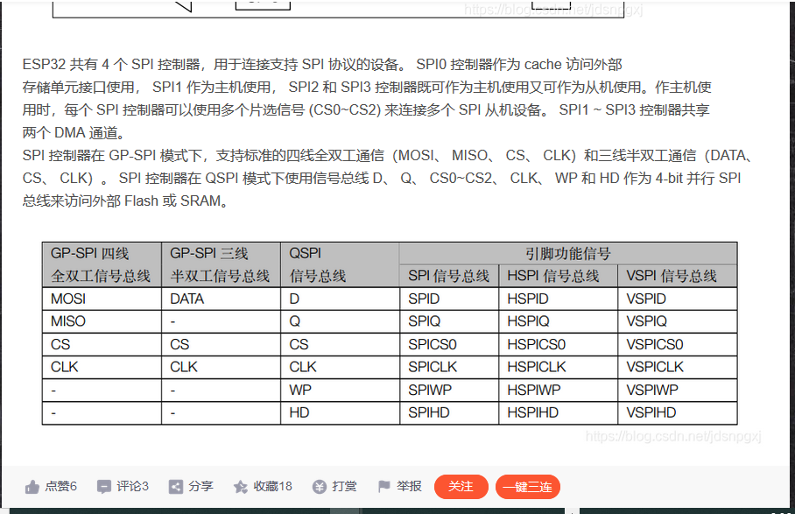
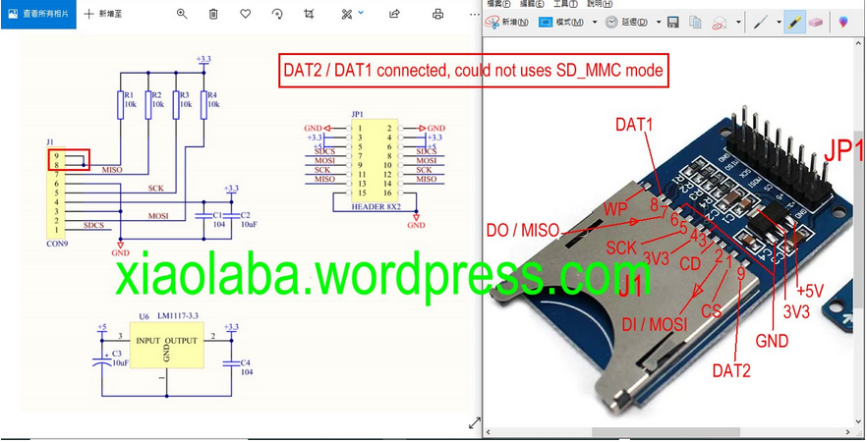
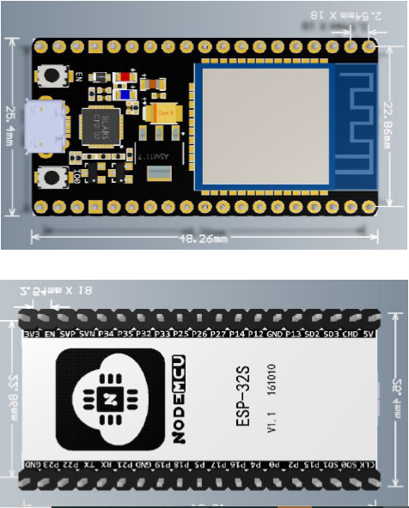
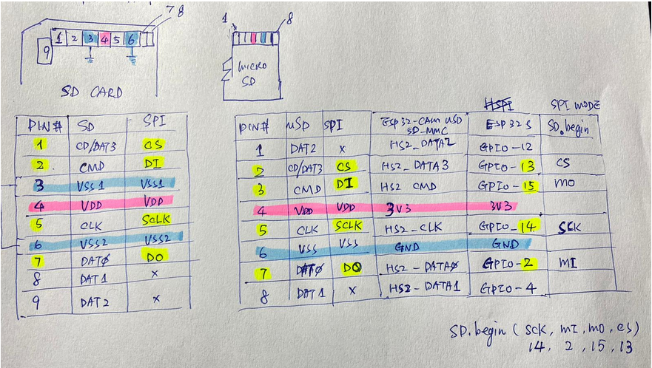
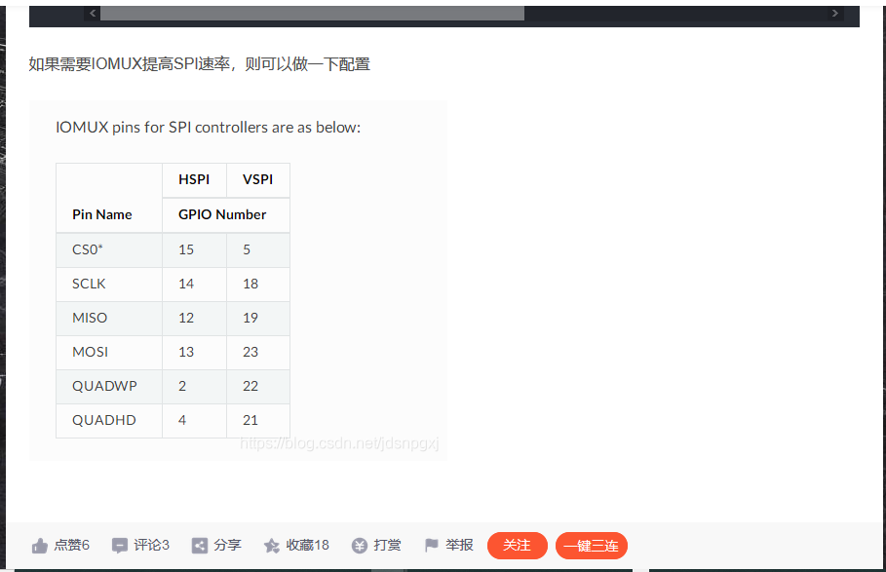
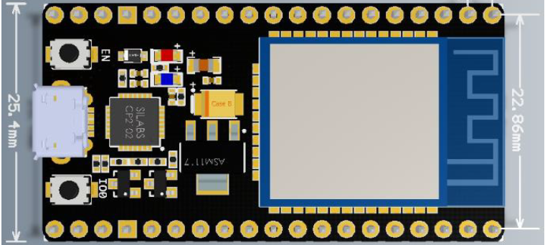
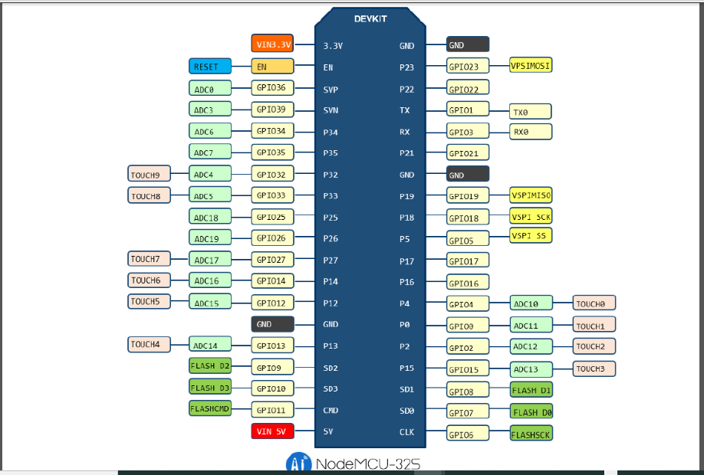
 |  | SD card pin | microSD card pin | SD_MMC slot2 | SD SPI mode | GPIO | GPIO |  | SD SPI mode | SD_MMC slot2 | microSD card pin | SD card pin
 |  | 4 | 4 |  | 3V3 | 3V3 | GND
 |  |  |  |  |  | EN | 23 | VSPI MO
 |  |  |  |  |  | 36 | 22 | VSPI QUADWP
SD SPI | SD.Begin(uint8_t sck, uint8_t miso, uint8_t mosi, uint8_t ss) |  |  |  |  | 39 | 1 | TX0
GPIO | SD.Begin(14,2,15,13) |  |  |  |  | 34 | 3 | RX0
 | SD_MMC.Begin(default 12,13,15,14,2,4) |  |  |  |  | 35 | 21 | VSPI QUADHD
 | https://blog.csdn.net/jdsnpgxj/article/details/100013357 |  |  |  |  | 32 | GND
 |  |  |  |  |  | 33 | 19 | VSPI MI
 |  |  |  |  |  | 25 | 18 | VSPI SCK
 |  |  |  |  |  | 26 | 5 | VSPI CS or SS
 |  |  |  |  |  | 27 | 17
 |  | 5 | 5 | HS2_CLK | SCK | 14 | 16
 |  | 9 | 1 | HS2_DATA2 | no uses | 12 | 4 |  | no uses | HS2_DATA1 | 8 | 8
 |  | 3,6 | 6 | GND | GND | GND | 0
 |  | 1 | 2 | HS2_CD/DATA3 | CS or SS | 13 | 2 |  | MI | HS2_DATA0 | 7 | 7
 |  |  |  |  |  | 9 | 15 |  | MO | HS2_CMD | 3 | 2
 |  |  |  |  |  | 10 | 8
 |  |  |  |  |  | 11 | 7
 |  |  |  |  |  | 5V | 6

