Figure 1
Living conditions in Europe 2024
Poverty and social exclusion

Figure 1: Number of people at risk of poverty or social exclusion, analysed by type of risk, EU, 2024
(million)

 | (%) | (million) |  |  | Population:
Population at risk of poverty but not severely materially deprived and not living in a household with very low work intensity | 10.5 | 46.8 | 72.2 | at risk of poverty | — neither at risk of poverty,
Population at risk of poverty, not severely materially deprived but living in a household with very low work intensity | 2.6 | 11.4 |  |  | — nor severely materially deprived,
Population at risk of poverty, severely materially deprived but not living in a household with very low work intensity | 1.9 | 8.4 |  |  | — nor living in a household with very low work intensity,
Population at risk of poverty, severely materially deprived and living in a household with very low work intensity | 1.3 | 5.6 |  |  | = 348.6 million
Population not at risk of poverty, not severely materially deprived but living in a household with very low work intensity | 1.7 | 7.7 | 27.5 | severely materially and socially deprived
Population not at risk of poverty but severely materially deprived and not living in a household with very low work intensity | 2.7 | 12.0 | 26.2 | living in a household with very low work intensity
Population not at risk of poverty but severely materially deprived and living in a household with very low work intensity | 0.3 | 1.5
Population neither at risk of poverty, nor severely materially deprived nor living in a household with very low work intensity | 79.0 | 351.4

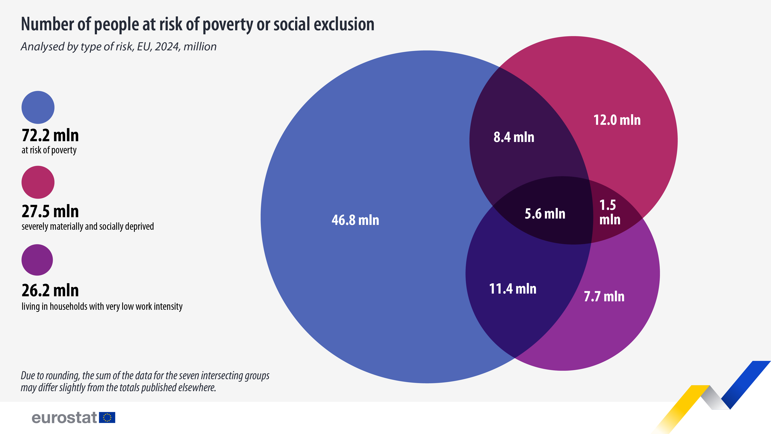
Note: due to rounding, the sum of the data for the seven intersecting groups may differ slightly from the totals published elsewhere.
Source: Eurostat (online data code: ilc_pees01n)
Persons by risk of poverty, material deprivation, work intensity of the household, age and sex of the person - intersections of EU 2030 poverty target indicators[ilc_pees01n__custom_16230776]

344.5 million

Infographic
Living conditions in Europe 2024
Poverty and social exclusion

Infographic
People at risk of poverty or social exclusion, 2024
(%)

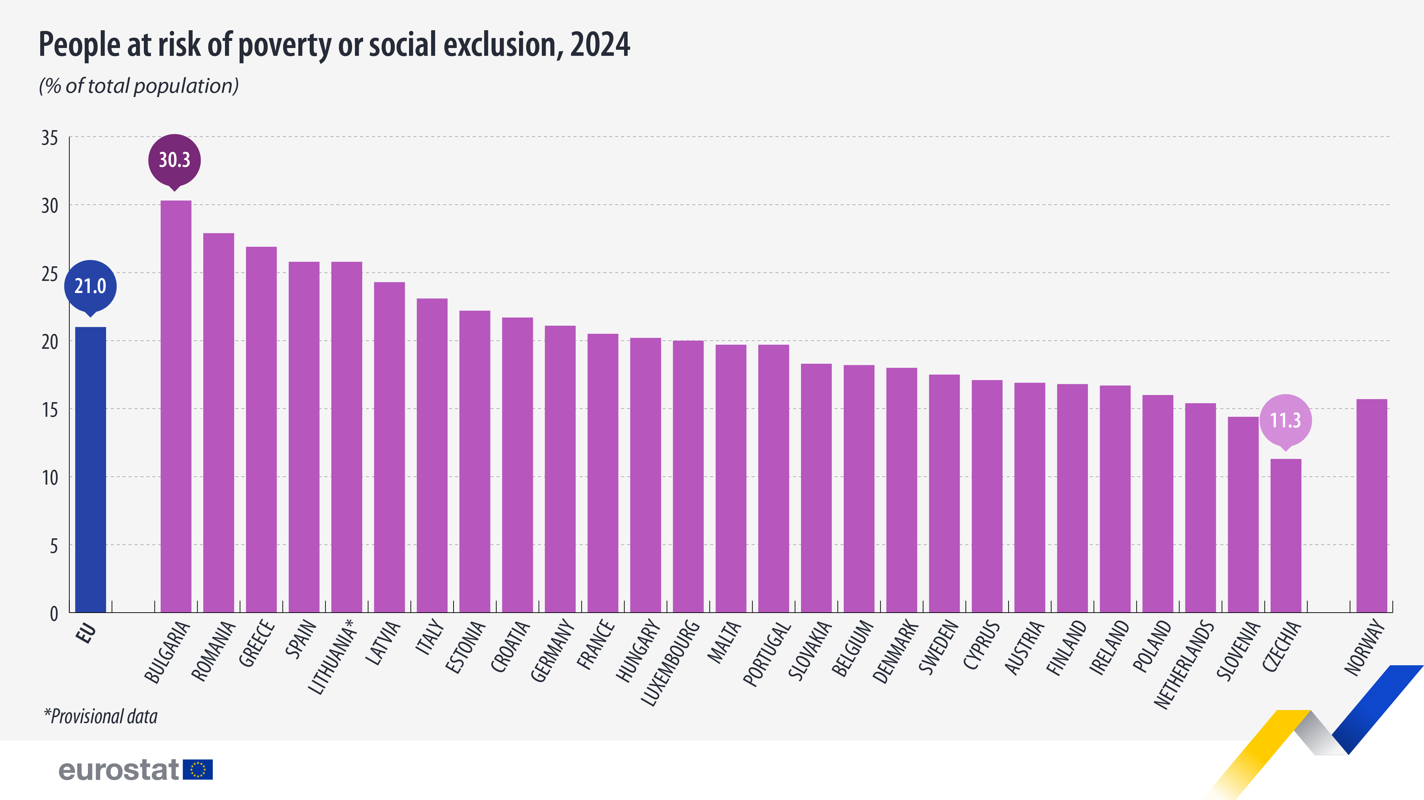
 | At-risk-of-poverty or social exclusion rate (%)
EU | 21.0
Euro area | 21.4

Bulgaria | 30.3
Romania | 27.9
Greece | 26.9
Spain | 25.8
Lithuania (¹) | 25.8
Latvia | 24.3
Italy | 23.1
Estonia | 22.2
Croatia | 21.7
Germany | 21.1
France | 20.5
Hungary | 20.2
Luxembourg | 20.0
Malta | 19.7
Portugal | 19.7
Slovakia | 18.3
Belgium | 18.2
Denmark | 18.0
Sweden | 17.5
Cyprus | 17.1
Austria | 16.9
Finland | 16.8
Ireland | 16.7
Poland | 16.0
Netherlands | 15.4
Slovenia | 14.4
Czechia | 11.3

Türkiye | 30.4
Norway | 15.7

Note: ranked on the at-risk-of-poverty rate.
(¹) Provisional.
Source: Eurostat (online data code: ilc_peps01n)

Persons at risk of poverty or social exclusion by age and sex[ilc_peps01n__custom_16230034]

Figure 2
 | Living conditions in Europe 2024
 | Poverty and social exclusion

 | Figure 2: People at risk of poverty or social exclusion, analysed by socio-economic characteristics, EU, 2024
 | (%)

 |  |  | (%)
 | Sex | Female | 21.9
 |  | Male | 20.0

 | Age (years) | Less than 18 | 24.2
 |  | 18-24 | 26.2
 |  | 25-49 | 19.2
 |  | 50-64 | 20.8
 |  | 65 and over | 19.4

 | Education (¹) | Low | 33.9
 |  | Medium | 19.3
 |  | High | 10.2

 | Activity status (¹) | Employed | 10.9
 |  | Unemployed | 66.6
 |  | Retired | 18.1
 |  | Other inactive | 43.0

People at risk of poverty or social exclusion, analysed by socio-economic characteristics, EU, 2024 (%)
Female | 21.9
Male | 20.0
Less than 18 | 24.2
18-24 | 26.2
25-49 | 19.2
50-64 | 20.8
65 and over | 19.4
Low | 33.9
Medium | 19.3
High | 10.2
Employed | 10.9
Unemployed | 66.6
Retired | 18.1
Other inactive | 43.0

 | (¹) Population aged 18 years and over.
 | Source: Eurostat (online data codes: ilc_peps01n, ilc_peps02n, ilc_peps04n)

Persons at risk of poverty or social exclusion by age and sex[ilc_peps01n__custom_16301185]
Persons at risk of poverty or social exclusion by educational attainment level (population aged 18 and over)[ilc_peps04n__custom_16301198]
Persons at risk of poverty or social exclusion by most frequent activity status (population aged 18 and over)[ilc_peps02n__custom_16301206]

Figure 3
Living conditions in Europe 2024
Poverty and social exclusion

Figure 3: People at risk of poverty or social exclusion for households with or without dependent children, 2024
(%)

People at risk of poverty or social exclusion for households with or without dependent children, 2024 (%)
 | Living in households without dependent children | Living in households with dependent children | (¹) 2023 data.
EU | 20.1 | 21.9 | 0
Euro area | 20.4 | 22.5 | 0
 |  |  | 0
Bulgaria | 29.8 | 30.8 | 0
Romania | 24.5 | 30.4 | 0
Spain | 21.3 | 30.2
Greece | 25.8 | 28.1
Luxembourg | 13.8 | 25.2
Italy | 21.2 | 25.2
France | 17.7 | 23.3
Lithuania(¹) | 29.8 | 20.9
Slovakia | 15.4 | 20.4
Germany | 21.7 | 20.2
Malta | 19.4 | 20.1
Portugal | 20.4 | 18.9
Hungary | 21.9 | 18.3
Belgium | 18.2 | 18.3
Austria | 16.2 | 17.7
Sweden | 17.1 | 17.7
Ireland | 15.7 | 17.6
Latvia | 32.3 | 17.2
Croatia | 26.9 | 16.6
Poland | 16.0 | 15.0
Estonia | 29.9 | 14.9
Finland | 18.5 | 14.3
Denmark | 21.4 | 13.7
Czechia | 9.1 | 13.3
Netherlands | 17.4 | 13.0
Cyprus | 21.6 | 12.7
Slovenia | 19.5 | 9.8
Switzerland (²) | 20.1 | 19.8
Norway | 17.1 | 13.7
Iceland (³) | 11.9 | 11.0
Albania (⁴) | 43.3 | 48.0
Montenegro (⁴) | 26.7 | 37.6
North Macedonia(⁵) | 27.3 | 35.9
Türkiye | 23.2 | 33.8
Serbia (²) | 31.9 | 23.7
 | 0.0
 | Living in households without dependent children | Living in households with dependent children
EU | 20.1 | 21.9
Euro area | 20.4 | 22.5

Bulgaria | 29.8 | 30.8
Romania | 24.5 | 30.4
Spain | 21.3 | 30.2
Greece | 25.8 | 28.1
Luxembourg | 13.8 | 25.2
Italy | 21.2 | 25.2
France | 17.7 | 23.3
Lithuania(¹) | 29.8 | 20.9
Slovakia | 15.4 | 20.4
Germany | 21.7 | 20.2
Malta | 19.4 | 20.1
Portugal | 20.4 | 18.9
Hungary | 21.9 | 18.3
Belgium | 18.2 | 18.3
Austria | 16.2 | 17.7
Sweden | 17.1 | 17.7
Ireland | 15.7 | 17.6
Latvia | 32.3 | 17.2
Croatia | 26.9 | 16.6
Poland | 16.0 | 15.0
Estonia | 29.9 | 14.9
Finland | 18.5 | 14.3
Denmark | 21.4 | 13.7
Czechia | 9.1 | 13.3
Netherlands | 17.4 | 13.0
Cyprus | 21.6 | 12.7
Slovenia | 19.5 | 9.8

Switzerland (²) | 20.1 | 19.8
Norway | 17.1 | 13.7
Iceland (³) | 11.9 | 11.0

Albania (⁴) | 43.3 | 48.0
Montenegro (⁴) | 26.7 | 37.6
North Macedonia(⁵) | 27.3 | 35.9
Türkiye | 23.2 | 33.8
Serbia (²) | 31.9 | 23.7

Note: ranked on households with dependent children.
(¹) 2023 data.
(²) 2020 data.
(³) 2021 data.
(⁴) 2022 data.
Source: Eurostat (online data code: ilc_peps03n)

Persons at risk of poverty or social exclusion by income quantile and household composition[ilc_peps03n__custom_16301345]

