练习
1.改变标题
 | 定位到src文件夹
 | 打开app.component.ts
 |  | 修改title：Tour of Heroes
 | 打开app.component.html
 |  | 删除自动生成的内容，添加标题：<h1>{{title}}</h1>
 | 设定样式
 |  | src/style.css是全局样式
 |  | app.component.css是component样式
 |  | 在style.css中添加样式
 |  |  | /* Application-wide Styles */ h1 { color: #369; font-family: Arial, Helvetica, sans-serif; font-size: 250%; } h2, h3 { color: #444; font-family: Arial, Helvetica, sans-serif; font-weight: lighter; } body { margin: 2em; } body, input[text], button { color: #888; font-family: Cambria, Georgia; } /* everywhere else */ * { font-family: Arial, Helvetica, sans-serif; }
 | 结果

2.创建Heroes component，并演示
 | 创建指令：ng generate component heroes

 | 这里在App.modult.ts中自动declare 了 HeroesComponent
 |  | import { HeroesComponent } from './heroes/heroes.component';
 |  | 在@NgModule.declarations 数组中declare了HeroesComponent
 |  | declarations: [ AppComponent, HeroesComponent ],

 | 添加一个属性到heroes.component.ts
 |  | hero = 'Windstorm';
 | 删除heroes.component.html内容，并添加一个hero的数据绑定
 |  | {{hero}}
 | 将herocomponent添加到appcomponent
 |  | <h1>{{title}}</h1> <app-heroes></app-heroes>
 | 如果server仍在运行，结果

 | 一个完全的hero，不只需要一个name，还需要其他的 class
 |  | 创建一个Hero.ts Class in src/app
 |  |  | export class Hero { id: number; name: string; }
 |  | 在HeroesComponent中引入 Hero，并初始化
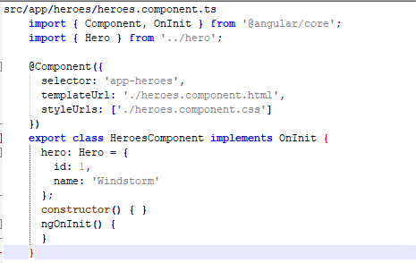

 |  | 更新heroscomponent模板文件
 |  |  | <h2>{{ hero.name | uppercase }} Details</h2><div><span>id: </span>{{hero.id}}</div> <div><span>name: </span>{{hero.name}}</div>
 |  |  | Pipes are a good way to format strings, currency amounts, dates and other display data. Angular ships with several built-in pipes and you can create your own.
 |  | 结果：


 | 将hero的名字改为双向绑定
 |  | 更改hero模板文件 |  |  |  | [(ngModel)]是angular的双向绑定语法
 |  |  | <div>
 |  |  | <label>name:
 |  |  | <input [(ngModel)]="hero.name" placeholder="name">
 |  |  | </label>
 |  |  | </div>
 |  | 因为ngModel不是angular的default指令，是属于FormsModule，需要在AppModle中opt-in来使用
 |  |  | 添加import
 |  |  |  | import { FormsModule } from '@angular/forms'
 |  |  | 添加FormsModule到@NgModule Metadata的imports Array
 |  |  |  | imports: [ BrowserModule, FormsModule ],
 |  | 结果：
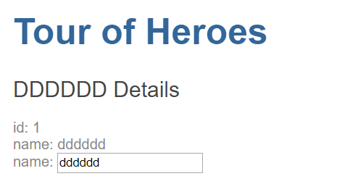

3.创建一个展示列表
 | 创建mock heros
 |  | 在src文件夹下，创建一个mock-heros.ts文件
 |  |  | import { Hero } from './hero'; export const HEROES: Hero[] = [ { id: 11, name: 'Mr. Nice' }, { id: 12, name: 'Narco' }, { id: 13, name: 'Bombasto' }, { id: 14, name: 'Celeritas' }, { id: 15, name: 'Magneta' }, { id: 16, name: 'RubberMan' }, { id: 17, name: 'Dynama' }, { id: 18, name: 'Dr IQ' }, { id: 19, name: 'Magma' }, { id: 20, name: 'Tornado' } ];
 |  | 在heroesComponent中引入mock HREOES（ts文件）
 |  |  | import { HEROES } from '../mock-heroes';
 |  |  | 添加一个属性
 |  |  | heroes = HEROES;
 | 用*ngFor来展示heroes
 |  | 更改heroes展示模板，并在li上添加*ngFor，来展示heros
 |  | <h2>My Heroes</h2>
 |  | <ul class="heroes">
 |  | <li *ngFor="let hero of heroes">
 |  | <span class="badge">{{hero.id}}</span> {{hero.name}}
 |  | </li>
 |  | </ul>
 | 添加样式
 |  | 可以直接使用@Component.styles，在ts文件中直接添加样式，也可以使用@Component.styleUrls选择指定样式文件
 |  |  | @Component({
 |  |  | selector: 'app-heroes',
 |  |  | templateUrl: './heroes.component.html',
 |  |  | styleUrls: ['./heroes.component.css']
 |  |  | })
 | 结果：
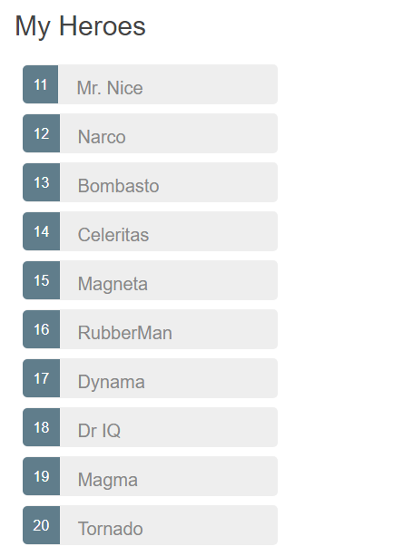

4.点击列表，显示heroes详细信息
 | 添加点击事件
 |  | <li *ngFor="let hero of heroes" (click)="onSelect(hero)">
 |  | 监听li的点击事件，执行onSelect语法
 |  | onSelect是component的一个method
 | 添加 event handler
 |  | 添加一个Hero类型的selectedHero属性，不初始化
 |  | 添加一个onSelect方法，初始化selectedHero
 |  |  | selectedHero: Hero;
 |  |  | onSelect(hero: Hero): void {
 |  |  | this.selectedHero = hero;
 |  |  | }
 | 添加详细信息模板
 |  | <h2>{{ selectedHero.name | uppercase }} Details</h2> <div><span>id: </span>{{selectedHero.id}}</div> <div> <label>name: <input [(ngModel)]="selectedHero.name" placeholder="name"> </label> </div>
 | 结果：
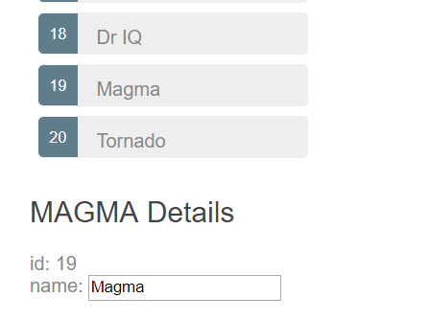

5.使用*ngIf隐藏空的信息
 | 最开始初始化的时候，页面显示不正常，是因为selectedHero为空
 |  | 用一个div <div *ngIf="selectedHero"> 将详细信息包裹起来
 |  |  | <div *ngIf="selectedHero">
 |  |  | <h2>{{ selectedHero.name | uppercase }} Details</h2>
 |  |  | <div><span>id: </span>{{selectedHero.id}}</div>
 |  |  | <div>
 |  |  | <label>name:
 |  |  | <input [(ngModel)]="selectedHero.name" placeholder="name">
 |  |  | </label>
 |  |  | </div>
 |  |  | </div>
6.给被选择的hero添加样式
 | The Angular class binding makes it easy to add and remove a CSS class conditionally. Just add [class.some-css-class]="some-condition" to the element you want to style.
 |  | <li *ngFor="let hero of heroes"
 |  | [class.selected]="hero === selectedHero"
 |  | (click)="onSelect(hero)">
 |  | <span class="badge">{{hero.id}}</span> {{hero.name}}
 |  | </li>
 | 结果：
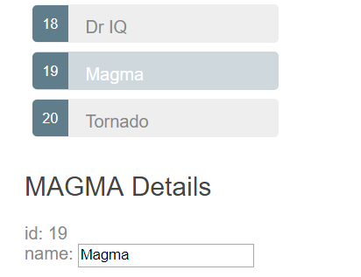

7.分离Detail Components
 | 创建HeroDetailComponent
 |  | ng generate component hero-detail

 | 写模板
 |  | <div *ngIf="hero">
 |  | <h2>{{ hero.name | uppercase }} Details</h2>
 |  | <div><span>id: </span>{{hero.id}}</div>
 |  | <div>
 |  | <label>name:
 |  | <input [(ngModel)]="hero.name" placeholder="name"/>
 |  | </label>
 |  | </div>
 |  | </div>
 | 添加@input hero属性
 |  | import { Hero } from '../hero';
 |  | import { Component, OnInit, Input } from '@angular/core';
 |  | @Input() hero: Hero;
 | 更新heroescomponent模板
 |  | <app-hero-detail [hero]="selectedHero"></app-hero-detail>
 |  | [hero]="selectedHero" is an Angular property binding.
8.创建HeroService
 | ng generate service hero

 | 获取Hero数据
 |  | HeroService可以从任何地方获取数据（web service，local storage， a mock data）
 |  | 引入 Hero 和 mock-heroes
 |  |  | import { Hero } from './hero'; import { HEROES } from './mock-heroes';
 |  | 添加取得数据方法
 |  |  | getHeroes(): Hero[] { return HEROES; }
 | Provide HeroService
 |  | There are several ways to provide the HeroService: in the HeroesComponent, in the AppComponent, in the AppModule. Each option has pros and cons.
 |  | This tutorial chooses to provide it in the AppModule.
 |  |  | ng generate service hero --module=app
 |  |  | 或手动更改文件
 |  |  |  | Open the AppModule class, import the HeroService, and add it to the @NgModule.providers array.
 |  |  |  |  | import { HeroService } from './hero.service';
 |  |  |  |  | providers: [ HeroService, /* . . . */ ],
 | 更新 HeroesComponent
 |  | import { HeroService } from '../hero.service';
 |  |  | heroes: Hero[];
 |  |  | constructor(private heroService: HeroService) { }
 |  | 添加方法
 |  |  | getHeroes(): void { this.heroes = this.heroService.getHeroes(); }
 |  |  | ngOnInit() { this.getHeroes(); }
 | Observable Data/HeroService
 |  | 添加import
 |  |  | import { Observable } from 'rxjs/Observable'; import { of } from 'rxjs/observable/of';
 |  | 更改方法
 |  |  | getHeroes(): Observable<Hero[]> { return of(HEROES); }
 |  |  | of(HEROES) returns an Observable<Hero[]> that emits a single value, the array of mock heroes.
 |  |  | In the HTTP tutorial, you'll call HttpClient.get<Hero[]>() which also returns an Observable<Hero[]> that emits a single value, an array of heroes from the body of the HTTP response.
 |  | 更改herocomponent方法
 |  |  | getHeroes(): void { this.heroService.getHeroes() .subscribe(heroes => this.heroes = heroes); }
 |  |  | Observable.subscribe() is the critical difference.
 | 添加一个messageservice

