Sheet1
测试用例编号 | 编写人 | 功能模块 | 功能点 | 操作步骤 | 测试前状态（含数据集或截图） | 预期结果（含数据集或截图） | 校验方式
1 | 郭祥群 | 基础指标计算 | 基础指标模版计算并同步到临时表 | 执行测试单元 | 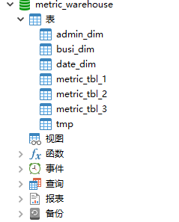 指标主表库 | 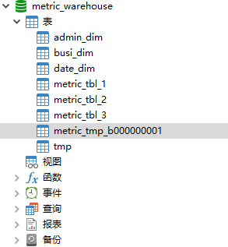 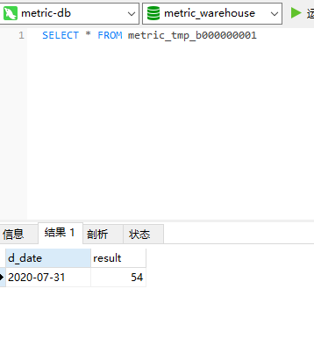 新建了临时表并同步了数据 | 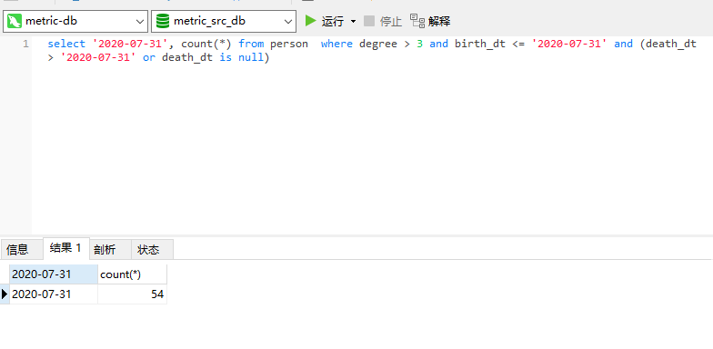 执行模版sql
2 | 郭祥群 |  | 基础指标临时表同步到指标主表，并进行上卷计算 | 执行 测试 单元 | 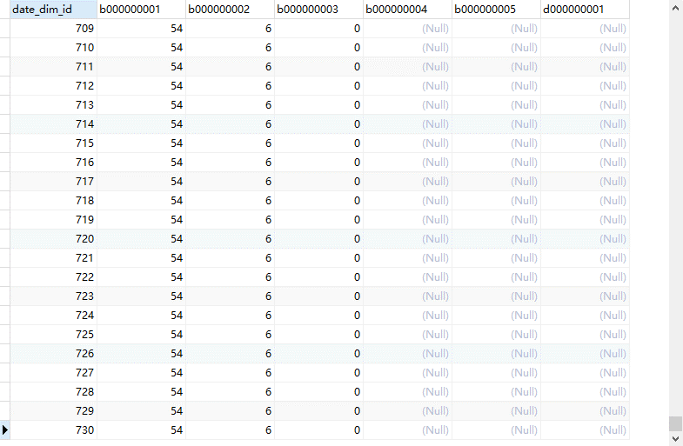 计算前， 指标 主表数据 | 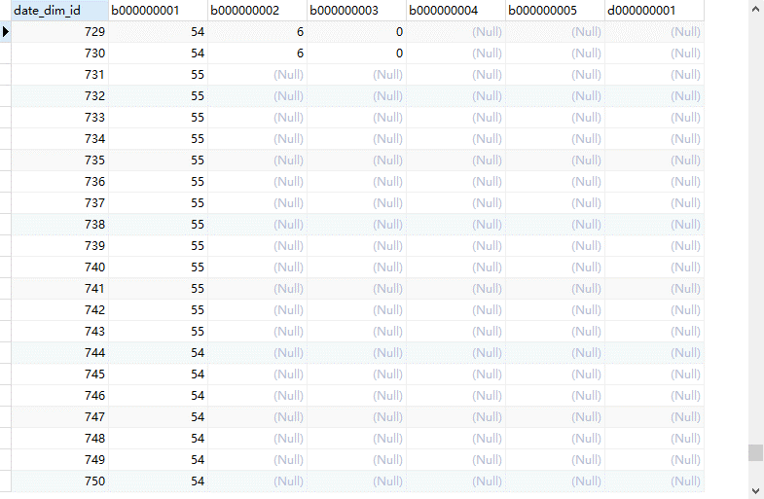 计算后， 指标主表新增的数据， 包括上卷的数据 | 临时表与维度表计算sql：select date_dim.id, metric_tmp_b000000001.result as b000000001 from date_dim, metric_tmp_b000000001 where metric_tmp_b000000001.d_date=date_dim.d_date 指标上卷计算：1、select d3.id as date_dim_id,metric_tbl_1.b000000001 from(select MAX(d_date) as d_date,d_month,d_quarter,d_year from date_dim,metric_tbl_1 where date_dim.id=metric_tbl_1.date_dim_id group by d_month,d_quarter,d_year)d1,date_dim d2,date_dim d3,metric_tbl_1 where d1.d_date=d2.d_date and d2.id=metric_tbl_1.date_dim_id and d1.d_month=d3.d_month and d1.d_quarter=d3.d_quarter and d1.d_year=d3.d_year and d3.d_date is null 2、select d3.id as date_dim_id,metric_tbl_1.b000000001 from(select MAX(d_month) as d_month,d_quarter,d_year from date_dim,metric_tbl_1 where date_dim.id=metric_tbl_1.date_dim_id group by d_quarter,d_year)d1,date_dim d2,date_dim d3,metric_tbl_1 where d1.d_month=d2.d_month and d2.id=metric_tbl_1.date_dim_id and d1.d_quarter=d2.d_quarter and d1.d_year=d2.d_year and d2.d_date is null and d1.d_quarter=d3.d_quarter and d1.d_year=d3.d_year and d3.d_month is null 3、select d3.id as date_dim_id,metric_tbl_1.b000000001 from(select MAX(d_quarter) as d_quarter,d_year from date_dim,metric_tbl_1 where date_dim.id=metric_tbl_1.date_dim_id group by d_year)d1,date_dim d2,date_dim d3,metric_tbl_1 where d1.d_quarter=d2.d_quarter and d2.id=metric_tbl_1.date_dim_id and d1.d_year=d2.d_year and d2.d_date is null and d2.d_month is null and d1.d_year=d3.d_year and d3.d_quarter is null and d3.d_month is null 4、select d3.id as date_dim_id,metric_tbl_1.b000000001 from(select MAX(d_year) as d_year from date_dim,metric_tbl_1 where date_dim.id=metric_tbl_1.date_dim_id )d1,date_dim d2,date_dim d3,metric_tbl_1 where d1.d_year=d2.d_year and d2.id=metric_tbl_1.date_dim_id and d2.d_date is null and d2.d_month is null and d2.d_quarter is null and d3.d_year is null and d3.d_quarter is null and d3.d_month is null
3 | 郭祥群 |  | 衍生指标计算 | 执行 测试 单元 | 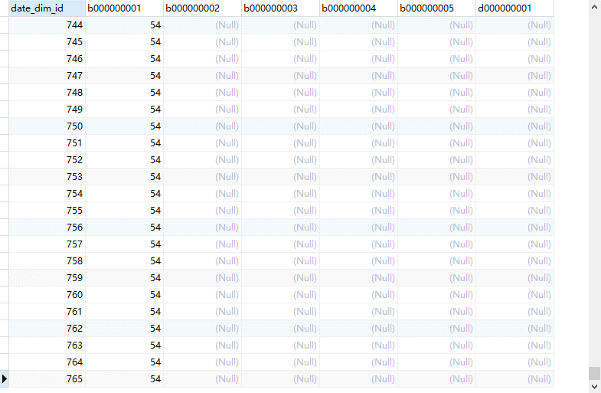 测试前 主表数据 | 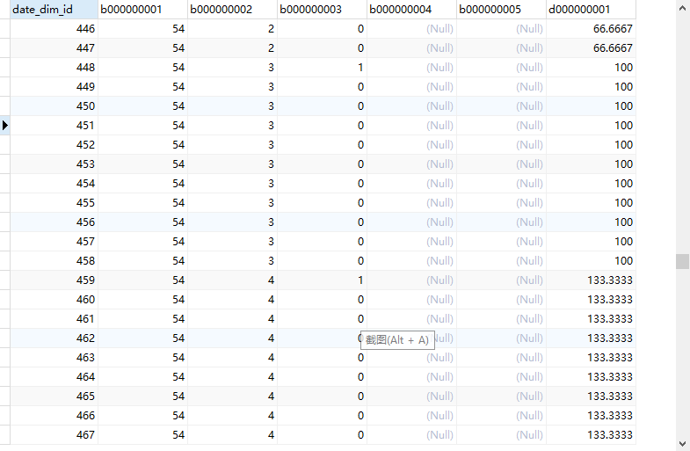 计算后 d000000001字段 获得计算结果 | 执行模版sql：$[b000000002]/$[b000000010]*100 替换后生成sql：select metric_tbl_1.date_dim_id,metric_tbl_1.b000000002/metric_tbl_2.b000000010*100 as d000000001 from metric_tbl_1,metric_tbl_2 where metric_tbl_1.date_dim_id=metric_tbl_2.date_dim_id 入库数据进行了update

