data
time | lat | lon | depth | cruise | abundance_prochloro | abundance_synecho | abundance_picoeuk | abundance_croco | diam_prochloro | diam_synecho | diam_picoeuk | diam_croco | Qc_prochloro | Qc_synecho | Qc_picoeuk | Qc_croco | biomass_prochloro | biomass_synecho | biomass_picoeuk | biomass_croco
2013-03-26T23:55:07+00:00 | -37.3706 | -48.5224 | 5 | KN210-04 | 156.42338477 | 8.7006471229 | 2.4440271373 | 0.022525595736 | 0.60705624208 | 1.0567144201 | 1.873218618 | 4.4793423248 | 0.041277452645 | 0.17250159526 | 0.75554714601 | 7.3045049885 | 6.4567588576 | 1.5008755085 | 1.8465777284 | 0.16453832642
2013-03-27T00:00:21+00:00 | -37.374 | -48.5005 | 5 | KN210-04 | 167.12682981 | 9.9257779756 | 2.5228667224 | 0.022525595736 | 0.5998850796 | 1.0608926663 | 1.9898791911 | 3.1793791981 | 0.040031155104 | 0.1742668447 | 0.88299084096 | 2.9591072009 | 6.6902800461 | 1.729734009 | 2.2276682088 | 0.066655652546
2013-03-27T00:27:23+00:00 | -37.3884 | -48.3881 | 5 | KN210-04 | 168.49240587 | 13.603690368 | 3.8800338655 | 0.0056313989339 | 0.61016289321 | 1.0640408137 | 1.7277173381 | 2.5723462958 | 0.041824393335 | 0.17560395918 | 0.61328303067 | 1.7125115217 | 7.0470926571 | 2.3888618881 | 2.3795589281 | 0.0096438355575
2013-03-27T04:57:45+00:00 | -37.5802 | -47.362 | 5 | KN210-04 | 137.71505454 | 21.977786682 | 3.4295219508 | 0.011262797868 | 0.588320923 | 0.96992194523 | 1.6019862447 | 5.4921698023 | 0.038070388392 | 0.13828107665 | 0.50466267095 | 13.462059659 | 5.2428656138 | 3.0391120048 | 1.7307517077 | 0.15162045682
2013-03-27T05:00:46+00:00 | -37.5829 | -47.3505 | 5 | KN210-04 | 136.80500288 | 21.398941193 | 3.4351533497 | 0.022525595736 | 0.58981599263 | 0.98404696242 | 1.5717852442 | 3.3063759512 | 0.038320303536 | 0.14353680942 | 0.48048054991 | 3.2911013641 | 5.2424092355 | 3.0715357438 | 1.6505243705 | 0.074134018854
2013-03-27T05:03:46+00:00 | -37.5856 | -47.339 | 5 | KN210-04 | 142.5025135 | 22.102536463 | 3.6773035039 | 0.02815699467 | 0.59633952007 | 0.96805874972 | 1.5525913664 | 3.7311925412 | 0.039423321541 | 0.1375966717 | 0.46548765162 | 4.4704024005 | 5.61792241 | 3.0412354534 | 1.7117393723 | 0.12587309656
2013-03-27T05:06:46+00:00 | -37.5879 | -47.3271 | 5 | KN210-04 | 135.12762414 | 22.686339202 | 3.7392488921 | 0.011262797868 | 0.60141417705 | 0.97978192884 | 1.5426700672 | 3.9418696801 | 0.040294832461 | 0.14193721437 | 0.45785435693 | 5.5701217413 | 5.4449449755 | 3.2200357907 | 1.7120313969 | 0.062735155272
2013-03-27T05:09:46+00:00 | -37.5901 | -47.3159 | 5 | KN210-04 | 128.66715608 | 21.058765394 | 3.5421499294 | 0.039419792538 | 0.59432298133 | 0.97930963383 | 1.6256657841 | 4.6106539214 | 0.039080341255 | 0.14176058865 | 0.52413549644 | 7.7178370142 | 5.0283563679 | 2.9853029787 | 1.8565665117 | 0.30423553394
2013-03-27T05:12:47+00:00 | -37.5924 | -47.3042 | 5 | KN210-04 | 132.34437002 | 18.345244403 | 3.8293512751 | 0.022525595736 | 0.58337596754 | 0.96805874972 | 1.5810405055 | 4.4963444491 | 0.037250196409 | 0.1375966717 | 0.48781570254 | 8.1083430281 | 4.9298537768 | 2.5242445713 | 1.8680176825 | 0.18264525714
2013-03-27T05:15:47+00:00 | -37.5943 | -47.2934 | 5 | KN210-04 | 130.07276073 | 16.479641351 | 3.6209895145 | 0.0056313989339 | 0.5645462961 | 0.9717903737 | 1.6062408123 | 6.9417546686 | 0.034226881064 | 0.13896930667 | 0.50812964682 | 22.180745513 | 4.451984911 | 2.2901643327 | 1.8399321231 | 0.12490862664
2013-03-27T05:18:47+00:00 | -37.5966 | -47.2811 | 5 | KN210-04 | 143.49464951 | 15.112119851 | 3.6604093071 | 0 | 0.54962364378 | 0.96619943987 | 1.5893550798 | NA | 0.03194120214 | 0.13691600278 | 0.49446309206 | NA | 4.5833916061 | 2.0690910436 | 1.8099373042 | 0
2013-03-27T05:21:47+00:00 | -37.5989 | -47.2691 | 5 | KN210-04 | 143.26623648 | 14.474719209 | 4.1052898228 | 0.0056313989339 | 0.56030239736 | 0.96713048783 | 1.6148178157 | 6.4973959878 | 0.033566991627 | 0.13725596391 | 0.51515838019 | 18.700543238 | 4.8090165604 | 1.9867415374 | 2.1148744553 | 0.10531021926
2013-03-27T05:24:48+00:00 | -37.601 | -47.258 | 5 | KN210-04 | 154.9286213 | 16.260620591 | 4.1559724132 | 0.022525595736 | 0.56787435412 | 0.96852385015 | 1.6234853891 | 4.0544605367 | 0.034749733993 | 0.13776751637 | 0.5223203844 | 5.8835708277 | 5.383728378 | 2.2401853135 | 2.1707491084 | 0.13253093795
2013-03-27T00:30:24+00:00 | -37.3898 | -48.3759 | 5 | KN210-04 | 162.65281413 | 14.685129206 | 3.9982932431 | 0.022525595736 | 0.62330153399 | 1.0629925878 | 1.6300482445 | 4.3752490465 | 0.044187944261 | 0.17515709884 | 0.52779033662 | 6.7683869301 | 7.1872934845 | 2.5722046277 | 2.1102605367 | 0.15246194777
2013-03-27T05:27:48+00:00 | -37.6032 | -47.246 | 5 | KN210-04 | 162.42069756 | 15.324923229 | 4.4938563493 | 0.016894196802 | 0.56549669561 | 0.97930963383 | 1.6191397481 | 3.8014214392 | 0.034375508423 | 0.14176058865 | 0.5187242472 | 4.6907260882 | 5.5832940571 | 2.1724701381 | 2.3310722518 | 0.079246049678
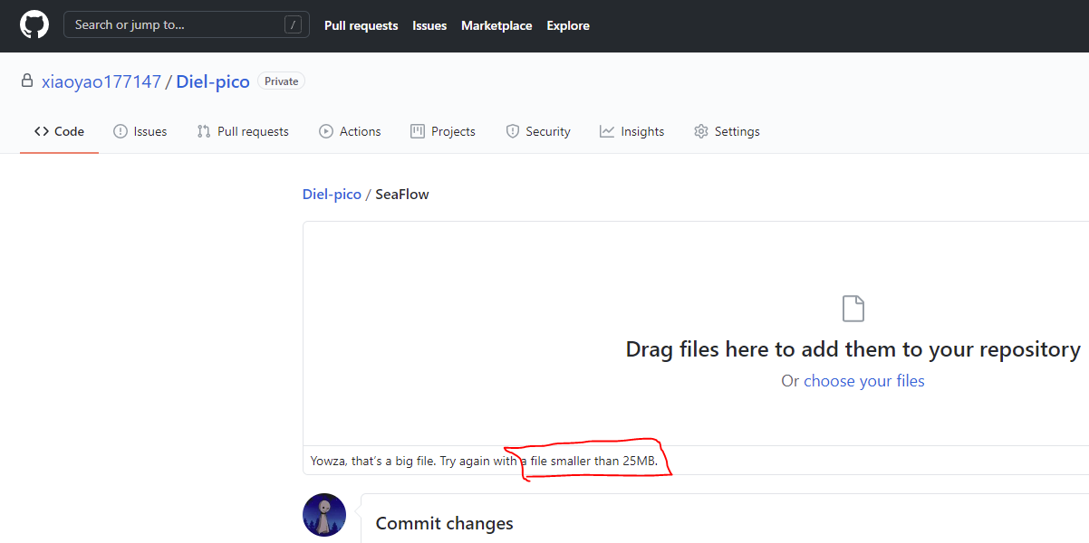

 | Here, only a few data was shown, because of Github's file upload requirements; Full data refer to the SeaFlow_data.csv in the ZIP file

