Q3.2
q

 |  | 1. Boss: {N,W}X{I,Fi}X{Ft,F} = {(N,I,Ft),(N,I,F),()} 2. Emp: {H,S}X{T,Q} = {(H,T), (H,Q), (S,T), (S,Q)}

 |  | 1. yellow background is pure NE

 | Normal form of the game
 |  |  | emp
 |  |  | HT | HQ | ST | SQ
 | boss | NIFt | 1, 0 | 1, 0 | 0, 1 | 0, 1
 |  | NIF | 1, 0 | 1, 0 | 0, 1 | 0, 1
 |  | NFiFt | 1, 0 | 1, 0 | -1, -1 | -1, -1
 |  | NFiF | 1, 0 | 1, 0 | -1, -1 | -1, -1
 |  | WIFt | -1, -1 | 1, 0 | -1, -1 | 1, 0
 |  | WIF | -2, 1 | 1, 0 | -2, 1 | 1, 0
 |  | WFiFt | -1, -1 | 1, 0 | -1, -1 | 1, 0
 |  | WFiF | -2, 1 | 1, 0 | -2, 1 | 1, 0
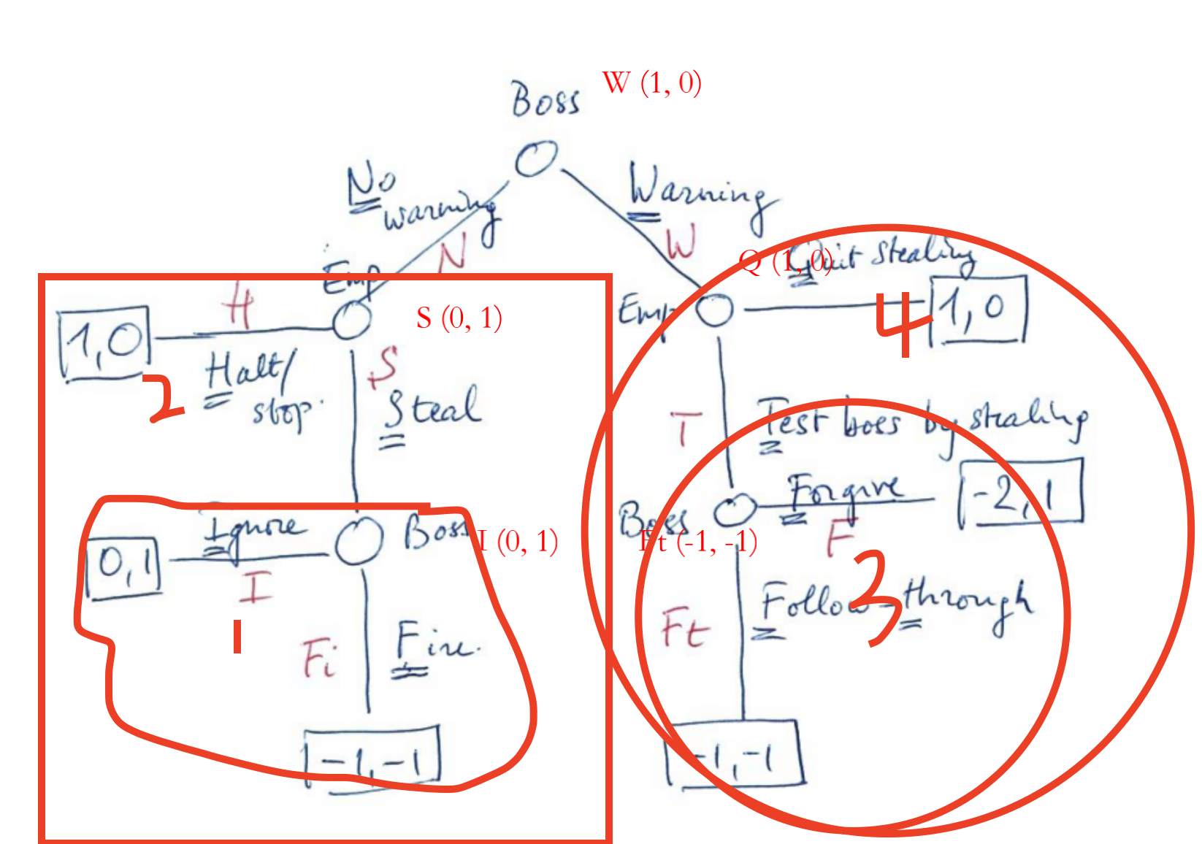

 | SG1 | I
 | SG2 |  | I | Fi
 |  | H | 1, 0 | 1, 0
 |  | S | 0, 1 | -1, -1
 | SG3 | Ft
 | SG4 |  | F | Ft
 |  | Q | 1, 0 | 1, 0
 |  | T | -2, 1 | -1, -1

