1. Introduction



Passwordless Authenticiation for Consumers and Enterprises
2025



Picture
by Paul Fisher
pf@kuppingercole.com

Tentative Research Timeline

2. Process and Questionnaire


About the KuppingerCole Leadership Compass
The KuppingerCole Leadership Compass provides an overview and comparison of relevant vendors and their products/services in defined market segments. Leadership is defined in four categories:
Product Leadership
Innovation Leadership
Market Leadership
Overall Leadership
Our Leadership Compass is a well-established research methodology, already covering more than 10 different market segments. KuppingerCole is expanding the breadth of topics continuously. Our Leadership Compass has become an essential tool in the decision support process of many organizations.
Our research approach for the Leadership Compass The analysis is based on a number of sources, including a comprehensive questionnaire, briefing calls with the vendors, our ongoing conversations with end-user organizations, desk research, and various other sources. A key element of our analysis is this questionnaire, which contains a series of questions allowing you to provide answers required for our analysis with an acceptable investment in time and effort.
Questionnaire: Please return the completed questionnaire on time. Do not make any changes to the formatting.
Briefings and Demos: We would kindly like to invite you to schedule either a 30, 45 or 55 mins briefing with the author depending on the preference indicated in the briefing outline. This will give you the opportunity to present a demo of your product. To arrange a briefing, please use the following link: https://outlook.office365.com/owa/calendar/KuppingerCole2@kuppingercole.com/bookings/.
Fact-Check and Vendor Write-Up Review: Each vendor receives a write up inlcuding their rating and must review it of any factual errors. We will review the feedback quite precisely and consider professional recommendations certainly in the final review.
Changes during the Process: In the event of insufficient participation from Leadership Compass vendors and to ensure a credible, independent and balanced analysis of the market, KuppingerCole reserves the right to delay publication or modify the publication format.
Completing the Questionnaire
Please do not make any changes to the formatting of this Excel file and answer within the appropriate fields only. To make it easier to complete the survey, we have chosen the Excel format. This allows you to divide the questionnaire into different spreadsheets and have several departments work on it at the same time. Before you submit the questionnaire, you can review all answers. Please complete the tabs Standard Questions and Technical Questions and under any cercumstances, do not change the formatting. In case you have any further information, you would like to submit, please share that in the tab Additional Information with the exception of graphics. For pictures, charts or other marketing materials you may want to share, please send to

3. Market Segment Information
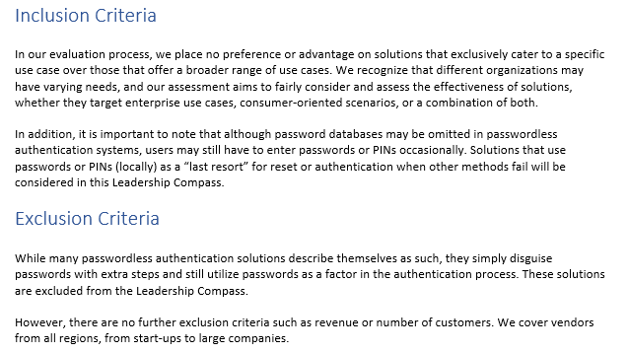
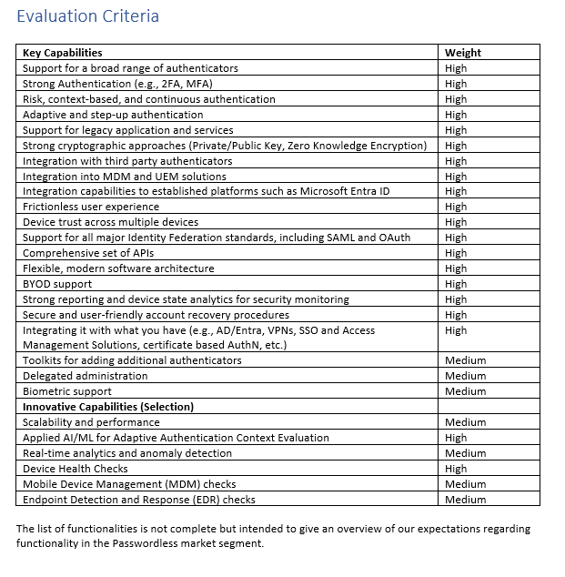
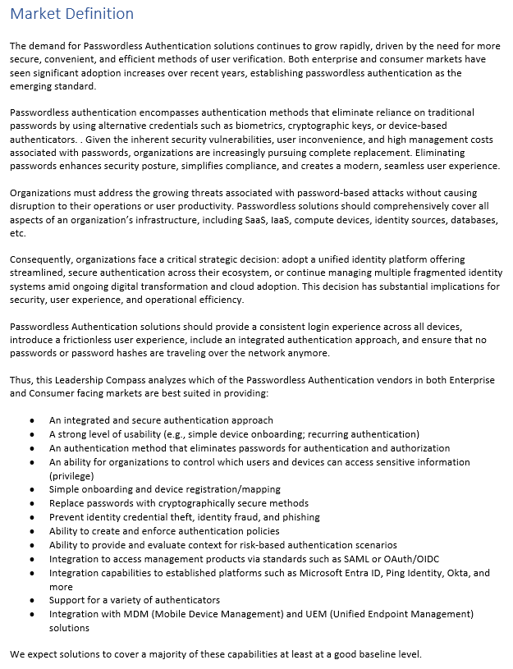
Screenshots of Market Segment Definition doc with Inclusion and Exclusion and Evaluation Criteria

6. Additional Information
Additional Information (Only text, no graphs or screenshots, please. If you'd like to share graphs or screenshots, please send them per mail.):
Only text, no graphs or screenshots, please. If you'd like to share graphs or screenshots, please send them per mail.

7. Contact


KuppingerCole supports IT professionals with outstanding expertise in defining IT strategies and in relevant decision-making processes. As a leading analyst company, KuppingerCole provides first-hand vendor-neutral information. Our services allow you to feel comfortable and secure in taking decisions essential to your business.
KuppingerCole Analysts AG, founded in 2004, is a global Analyst Company headquartered in Europe focusing on Information Security and Identity and Access Management (IAM). KuppingerCole stands for expertise, thought leadership, outstanding practical relevance, and a vendor-neutral view on the information security market segments, covering all relevant aspects like: Identity and Access Management (IAM), Governance & Auditing Tools, Cloud and Virtualization Security, Information Protection, Mobile as well as Software Security, System and Network Security, Security Monitoring, Analytics & Reporting, Governance, and Organization & Policies.
For further information about our Leadership Compass, please contact Research Management at leadershipcompass@kuppingercole.com.
KuppingerCole Analysts AG
Wilhelmstr. 20-22
65185 Wiesbaden | Germany
www.kuppingercole.com

