Tear Sheet



The University at Albany School of Business Investment Group
Company: ASML Holdings NV
Ticker: ASML
Exchange: NASDAQ Composite Index
Sector: Technology
Industry: Semiconductor Equipment & Manufacturing
Region of Domicile: Netherlands
Analysts: Hudson Hoffman & Karan Tulsiani
Last Updated 11/18/2021

ASML Holdings N.V. develops, produces, and markets semiconductor manufacturing equipment, specifically machines for the production of chips through lithography. ASML Holding is one of the world's largest makers of semiconductor manufacturing equipment, specializing in photolithography systems used to imprint circuitry patterns onto silicon wafers. ASML's products include EUV (extreme ultraviolet) lithography systems, DUV (deep ultraviolet) lithography systems, refurbished systems, and metrology and inspection systems.
Headquartered in Veldhoven, the Netherlands, ASML staffs some 60 offices in more than 15 countries. More than 70% of its revenue comes from chip manufacturers in Asia and its customers include the world's biggest chipmakers. The company was founded in 1984 and has produced versions of its flagship TWINSCAN systems since 2001. Currently, ASML's EUV lithography sales account for 90% of the EUV lithography market, and almost 17% of the global semiconductor equipment market.
Recommendation: | HOLD |  |  |  |  |  |  |  | Company Description:
Upside: | 9.4%
Price Target: | $961.76
Current Price: | $879.12
Stop Loss: | 15%
Downside: | $747.25
Trading Data
5 Year Price Movement
 | Price
10/31/16 | $100.82
11/1/16 | $99.17
11/2/16 | $99.30
11/3/16 | $97.15
11/4/16 | $97.83
11/7/16 | $99.99
11/8/16 | $100.05
11/9/16 | $98.96
11/10/16 | $96.79
11/11/16 | $95.69
11/14/16 | $94.69
11/15/16 | $95.47
11/16/16 | $96.12
11/17/16 | $97.90
11/18/16 | $99.84
11/21/16 | $100.31
11/22/16 | $100.53
11/23/16 | $100.32
11/25/16 | $99.41
11/28/16 | $98.92
11/29/16 | $99.07
11/30/16 | $98.44
12/1/16 | $95.45
12/2/16 | $95.25
12/5/16 | $98.24
12/6/16 | $98.04
12/7/16 | $98.84
12/8/16 | $98.42
12/9/16 | $97.99
12/12/16 | $98.22
12/13/16 | $99.88
12/14/16 | $98.92
12/15/16 | $100.26
12/16/16 | $101.41
12/19/16 | $105.21
12/20/16 | $104.72
12/21/16 | $105.05
12/22/16 | $104.98
12/23/16 | $105.70
12/27/16 | $106.44
12/28/16 | $105.75
12/29/16 | $106.11
12/30/16 | $107.10
1/3/17 | $105.43
1/4/17 | $104.93
1/5/17 | $106.19
1/6/17 | $106.07
1/9/17 | $107.38
1/10/17 | $107.53
1/11/17 | $108.32
...
52-Week High: | $895.9
52-Week Low: | $398.0
YTD Return (%) | 64%
1-Year Return (%) | 96%
5-Year Return (%) | 716%
All-Time Return (%) | 28,992%
Market Cap ($MM) | $346,907
Debt ($MM) | $4,761.5
Cash ($MM) | $5,008.4 |  |  |  |  |  |  |  | Investment Thesis
Chip Technology Boosting Tool Sales
ASML's extreme-ultraviolet lithography (EUV) gear, considered the most advanced of chipmaking tools, can give manufacturers an edge in next-generation chip production. An industry shift now underway to smaller technology nodes in chips (5- and 3-nanometer) and universal EUV-system adoption by all DRAM chipmakers bode well for ASML's long-term growth. Demand for ASML's EUV equipment will increase as TSMC and Samsung shift from 5nm to 3nm and 2nm process technology. Shipments of ASML's EUV model NEX3600D will expand to accommodate 3nm generation chips this year. The 3600D model improves productivity by 15-20% over the current 3400C model, and its selling price can be expected to rise by about 15%. According to ASML, one EUV lithography tool is needed for each layer in a typical logic chip factory. The number of layers (or photo passes) for EUV process may be 14-15 in 5nm processes, but 20-25 in 3nm processes.
ASML Sales Expansion With TSMC, Samsung, and Apple
ASML's EUV exposure equipment is key to TSMC and Samsung Electronics' chip development for new iPhones and products, and the only maker of the $150-$200 million EUV tools could grow sales strongly. ASML's current flagship EUV tool the NXE 3400C is used for 5-nanometer technology. It plans to launch a new NXE 3600D in 2021, which could improve the throughput by 18.5% for 3 nanometer technology. TSMC has started to supply cutting-edge chips, the A14 for iPhone 12s, and the N5 using 5-nm technology. N5P, which can improve performance by 5% or power efficiency by 10%, may follow and be used in the iPhone 13. N4, which uses EUV more in the production process, may appear after that. TSMC announced that N3, using 3-nm technology, could improve chip performance by 10-15% or power efficiency by 25-30% vs. N5. After that, ASML plans to introduce an upgraded NXE 3600D and a next-generation EUV tool called the High NA system.
Explosion of EUV Machine Technology
Manufacturing technology for advanced chips is shifting to 5- and 3 nanometer, which will boost demand for EUV exposure equipment in 2021. Record-high spending in 2021 by TSMC, as well as planned capacity boosts at memory chipmakers such as Samsung and SK Hynix, will create more orders for EUV-lithography gear. Rising use of application processors with artificial intelligence and graphics processing units for deep learning will also bode well for long-term growth of EUV orders.
Monopoly in EUV Market with Industry Leading R&D
ASML, which has surpassed Applied Materials with the highest R&D expenditure in the chip-making tool industry since 2019, will continue its path to 95% market share for the EUV lithography market as existing competitors cease and the cost of entry to the industry grows. The technical difficulty in the development and production of the next generation of chip-exposure equipment is increasing, and R&D is critical for a competitive advantage. Nikon, a competitor in argon fluoride-exposure equipment used for chip production before the arrival of 10-nm technology, has withdrawn from the EUV-equipment business. New entrants are unlikely to emerge in the advanced semiconductor exposure-equipment market, as entry requires considerable development costs.
Enterprise Value ($MM) | $312,989
Beta Coefficient | 1.26
Short Interest | 0.21%
Dividend Yield | 0.47%
Fundamental Analysis ($MM)
Fiscal Year: | 2018A | 2019A | 2020A | 2021A | 2022E | 2023E | 2024E | 2025E
Total Sales | $12,890 | $13,207 | $16,049 | $21,434 | $26,079 | $28,929 | $33,388 | $38,538
% Growth | 25% | 2% | 22% | 34% | 22% | 11% | 15% | 15%
Gross Profit | $5,927 | $5,897 | $7,814 | $11,203 | $13,962 | $16,067 | $18,364 | $21,196
% Margin | 46% | 45% | 49% | 52% | 54% | 56% | 55% | 55%
% Growth | 28% | -1% | 33% | 43% | 25% | 15% | 14% | 15%
EBITDA | $3,493 | $3,111 | $4,680 | $7,457 | $10,572 | $12,017 | $13,689 | $15,801
% Margin | 27% | 24% | 29% | 35% | 41% | 42% | 41% | 41%
% Growth | 28% | -11% | 50% | 59% | 42% | 14% | 14% | 15%
Net Income | $2,551 | $2,389 | $3,548 | $5,784 | $7,633 | $8,692 | $9,904 | $11,441
% Margin | 20% | 18% | 22% | 27% | 29% | 30% | 30% | 30%
% Growth | 32% | -6% | 48% | 63% | 32% | 14% | 14% | 16%
Multiples Analysis
 | P/E | EV/Sales | EV/EBITDA
2017 | 38.8x | 7.4x | 27.8x
2018 | 26x | 5.1x | 18.8x
2019 | 52.2x | 9.4x | 39.9x
2020 | 57.6x | 12.6x | 43.3x
2021 | 62x | 16.1x | 46.2x
2022 | 50.2x | 14.5x | 35.8x
2023 | 46.6x | 13.4x | 32.3x
2024 | 45.1x | 13.4x | 32.6x
2025 | 44.9x | 13.2x | 32.3x
2026 | 44.7x | 13.1x | 32x

Current

Historical Multiples
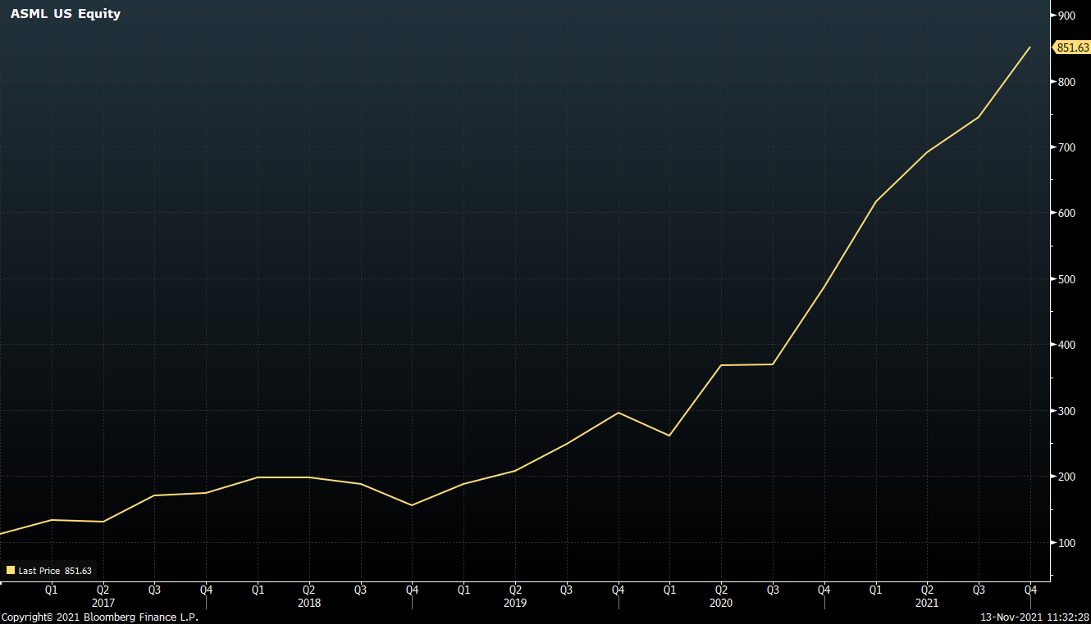
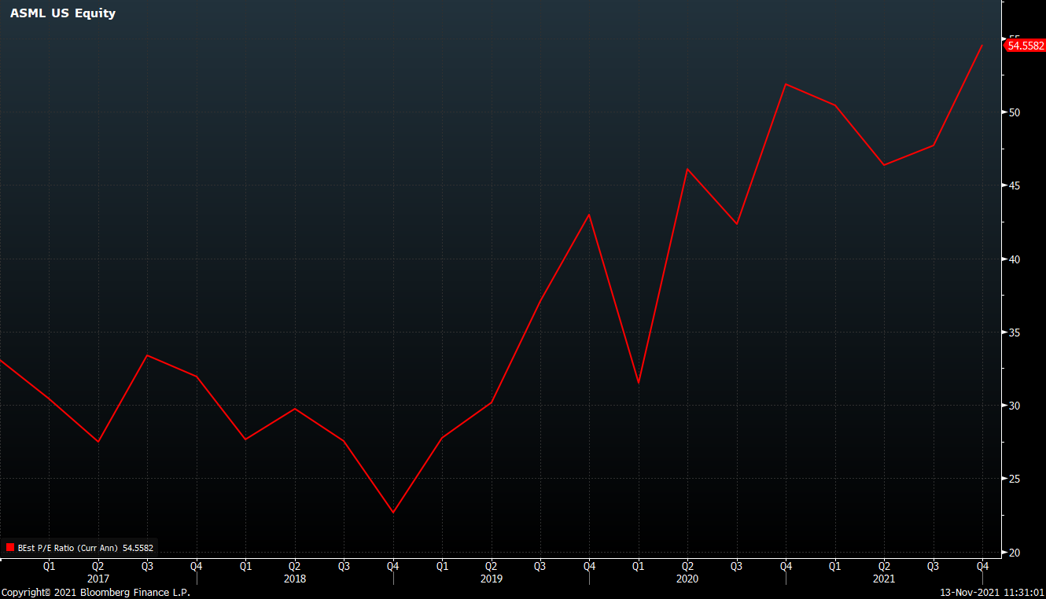
Multiples Calculation |  |  |  |  |  |  |  |  |  |  | EV/EBITDA (2016 - 2021)

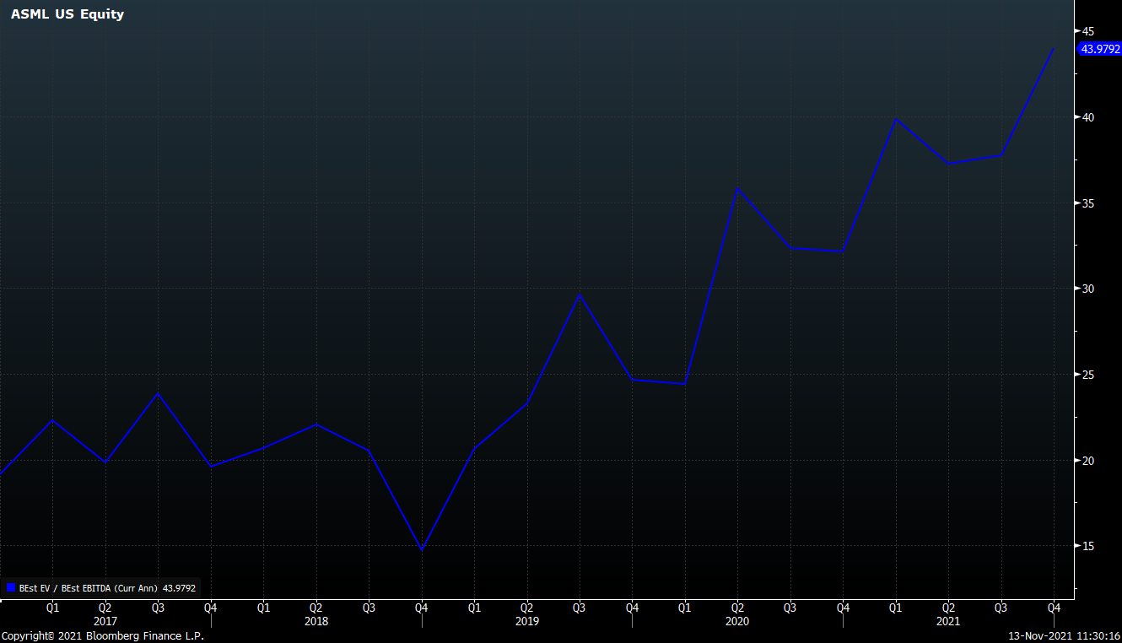
 | Actual |  |  |  |  | Forward
Year | 2017 | 2018 | 2019 | 2020 | 2021 | 2022 | 2023 | 2024 | 2025 | 2026
Share Price History | $173.8 | $155.6 | $295.9 | $487.7 | $879.1 | $1,010.99 | $1,162.64 | $1,337.03 | $1,537.59 | $1,768.22
Sales | $10,275.6 | $12,890.4 | $13,207.1 | $16,048.6 | $21,434.1 | $26,079.1 | $28,929.4 | $33,388.5 | $38,538.3 | $44,486.6
Diluted EPS | $4.5 | $6.0 | $5.7 | $8.5 | $14.2 | $20.1 | $25.0 | $29.6 | $34.2 | $39.5
Diluted Shares | 430.3 | 423.6 | 420.4 | 418.5 | 394.6 | 374.5 | 334.4 | 334.4 | 334.4 | 334.4
Equity Value | $74,794.7 | $65,920.6 | $124,413.2 | $204,110.8 | $346,907.4 | $378,646.1 | $388,758.7 | $447,072.5 | $514,133.4 | $591,253.4
(+) Debt | $3,606.7 | $3,465.9 | $3,663.0 | $5,859.0 | $4,724.0 | $4,512.6 | $4,272.3 | $3,998.5 | $3,682.5 | $3,317.7
(-) Cash | $2,715.8 | $3,574.3 | $3,966.4 | $7,395.4 | $7,214.9 | $5,091.3 | $4,809.7 | $4,968.2 | $7,868.6 | $11,625.1
Enterprise Value | $75,685.7 | $65,812.3 | $124,109.8 | $202,574.4 | $344,416.6 | $378,067.4 | $388,221.3 | $446,102.8 | $509,947.2 | $582,946.0
EBIT | $2,256.0 | $2,994.5 | $2,608.9 | $4,120.1 | $6,974.4 | $10,232.7 | $11,641.2 | $13,255.2 | $15,299.7 | $17,661.2
EBITDA | $2,727.1 | $3,493.4 | $3,110.8 | $4,680.3 | $7,456.8 | $10,571.7 | $12,017.2 | $13,689.3 | $15,800.7 | $18,239.5

P/E | 38.8x | 26x | 52.2x | 57.6x | 62x | 50.2x | 46.6x | 45.1x | 44.9x | 44.7x
EV/Sales | 7.4x | 5.1x | 9.4x | 12.6x | 16.1x | 14.5x | 13.4x | 13.4x | 13.2x | 13.1x
EV/EBITDA | 27.8x | 18.8x | 39.9x | 43.3x | 46.2x | 35.8x | 32.3x | 32.6x | 32.3x | 32x

Share Price (2016 - 2021) |  |  |  |  |  |  |  |  |  |  | Price to Earnings Ratio (2016 - 2021)

Macro Data
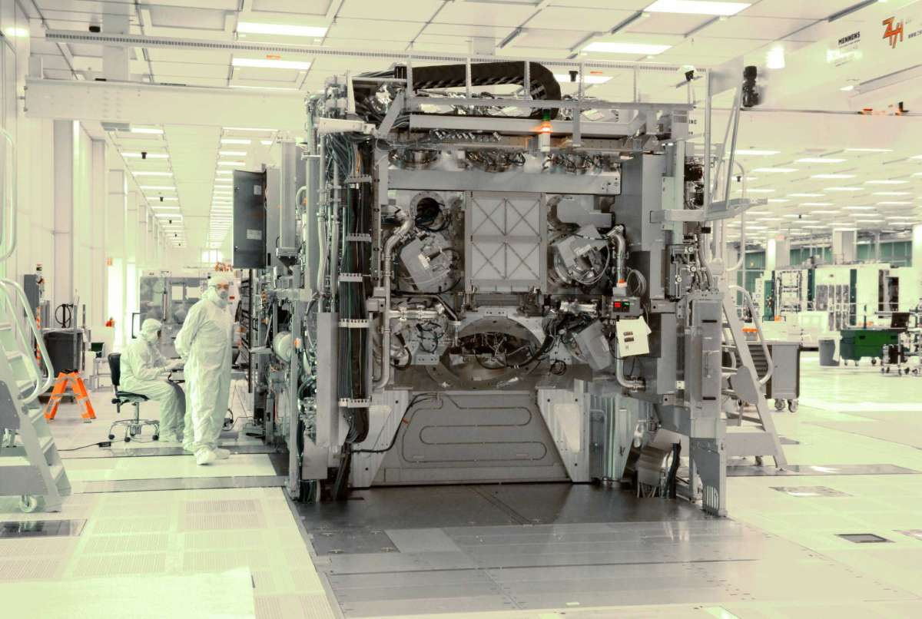
Three Representative Types of Fabs to Benchmark Total Cost of Ownership Across Locations

 | Advanced Logic | Advanced Memory | Advanced Analog
Type of Semiconductor Product | Mobile Phones | Flash Storage | Electric Vehicles
 | AI Systems | PCs | Aircraft
 | Supercomputers | Data Centers | Renewable Energy

Manufacturing Technology | 12-inch wafer size | 12-inch wafer size | 12-inch wafer size
 | 5 nm node | 20 nm node | 65 nm node

Capacity (wafers per month) | 35,000 | 100,000 | 40,000

No. of Employees | 3,000 | 6,000 | 3,000

Capital investment ($ billion) | 20 | 20 | 5
Source - Boston Consulting Group, Semiconductor Industry Association

Pictured - IBM & SUNY Polytech Engineers Work on the $200 Million ASML NXE:3400 EUV Lithography System in Albany, New York
IBM research unveiled a new 2nm chip with nanosheet technology this month that will serve as the underpinning of its future process technology. IBM displayed a full 300mm wafer produced on the 2nm nanosheet process at its Albany, New York facilities.
Potential Impact of Government Incentives on US Semiconductor Manufacturing Position
 |  |  | 2020 - 2030 Forecast
 |  | 2010 - 2020 (Actuals) | Status Quo | $20 Billion Program | $50 Billion Program
Share of New Addressable Capacity Captured by the US |  | 10% | 6% | 14% | 24%
 | Excluding China | 12% | 12% | 24% | 41%
US Global Ranking by Share of New Capacity (Out of 7 Regions) |  | #5 | #5 | #3 | #2
 | Excluding China | #4 | #4 | #2 | #1
# of New Fabs Built in US |  | 9 | 9 | 14 | 19
Source - VLSI Research, Semiconductor Equipment and Materials International
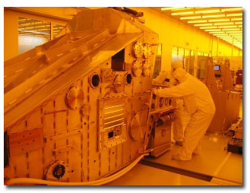
Comparison of Government Incentives Across Locations
 | US | Japan | South Korea | Tawain | China
Capex Reductions
Land | 50% | 75% | 100% | 50% | 100%
Construction and Facilities | 10% | 10% | 45% | 45% | 65%
Equipment | 6% | 10% | 20% | 25% | 35%
Opex Reductions
Labor and Benefits | 5% | 5% | 5% | 5% | 33%

Overall | 10% - 15% | 15% | 25% - 30% | 25% - 30% | 30% - 40%
Source - Boston Consulting Group
The Opportunity to Change the Trajectory in the Next Decade |  |  |  |  |  | ASML 300MM ADT EUV at SUNY Polytech Institute
Global demand for semiconductors is forecasted to grow at a cumulative average annual rate of 5% over the next decade, driven by large-scale adoption of new technologies, including AI, Internet of Things, Edge Computing, 5G, and Electric / Autonomous vehicles. Manufacturing capacity is expected to increase correspondingly by 56% from the current installed base, or approximately an addition of 10 million wpm by 2030. As of June 2020, about 50% of that new capacity to be added worldwide from 2020 to 2030 was not yet in development or planned. This "white space", or addressable portion of the incremental capacity needs, presents an opportunity for the US to attract a higher share of the new future builds, above the 6% that it has achieved in the new capacity already in develoment or planning stages.

Securing Supply-Chain Resiliency
Maintaining robust domestic manufacturing capabilities is also essential to ensure that the US semiconductor industry has a highly resiliant supply chain. Approximately 75% of the world's capacity to manufacture semiconductors is concentrated in East Asia, and that number is expected to continue rising, fueled by strong cluster effects. China alone is projected to host roughly 25% of the total global manufacturing capacity by 2030. Taiwan currently accounts for 47% of the global capacity in the leading and advanced nodes (10 nm or below) used for advanced logic devices such as high performance processors that power smartphones or data centers. In memory, which accounts for about 30% of total semiconductor demand, South Korea has more than 40% of the global capacity. As the covid-19 crisis has shown, concentration in one region makes a global supply chain vulnerable to distruptions such as natural disasters, pandemics, or geopolitical conflicts. Given the strategic nature of the semiconductor industry for the US economy and national security, bolstering supply-chain resiliency through geographic diversification is imperative.

Supply Chain
ASML / Customer Relationship Analysis (% of ASML Revenue & % of Customer Capex)
 | Customer as % of ASML Revenue | ASML as % of Customer Capex
Kioxia Holdings | 0.0053 | 0.121
Samsung | 0.2005 | 0.1049
SK Hynix | 0.0991 | 0.242
Nanya Technology | 0.0008 | 0.1104
Semiconductor Manufacturing International | 0.0129 | 0.121
Shanghai Huahong Group | 0.0083 | 0.1171
Taiwan Semiconductor Manufacturing Corp | 0.3978 | 0.363
United Microelectronics | 0.0058 | 0.121
Intel | 0.0803 | 0.1118
Micron | 0.0392 | 0.121
Customers
Customer | Country | Market Cap ($ Billions) | Customer as % of ASML's Revenue | ASML as % of Customer's Capex
Taiwan Semiconductor Manufacturing Corp | Taiwan | $562.85 | 39.78% | 36.30%
Samsung | South Korea | $357.11 | 20.05% | 10.49%
SK Hynix | South Korea | $65.69 | 9.91% | 24.20%
Intel | United States | $204.61 | 8.03% | 11.18%
Micron | United States | $86.47 | 3.92% | 12.10%
Semiconductor Manufacturing International | Taiwan | $34.37 | 1.29% | 12.10%
Shanghai Huahong Group | Taiwan | $30.25 | 0.83% | 11.71%
United Microelectronics | Taiwan | $27.95 | 0.58% | 12.10%
Kioxia Holdings | Japan | $40.50 | 0.53% | 12.10%
Nanya Technology | Taiwan | $7.65 | 0.08% | 11.04%

ASML / Supplier Relationship Analysis (% of ASML COGS & % of Supplier Revenue)
 | % of ASML COGS | % of Supplier's Revenue
Intervest Offices & Warehouses NV | 0.0034 | 0.03
VAT Group | 0.0059 | 0.0838
Alten SA | 0.0004 | 0.0015
Capgemini SE | 0.0035 | 0.0001
Carl Zeiss SMT AG | 0.2134 | 0.6213
Nikon | 0.0486 | 0.0117
Sinbon Electronics | 0.0012 | 0.0136
Benchmark Electronics | 0.006 | 0.0307
Brooks Automation | 0.0048 | 0.0455
Entegris Inc | 0.0085 | 0.0353
II-VI Inc | 0.0055 | 0.0161
Lumentum Holdings | 0.0024 | 0.0146
MKS Instruments | 0.014 | 0.0569
Ultra Clean Holdings | 0.0055 | 0.0297
Supplier | Country | Market Cap ($ Billions) | % of ASML's COGS | % of Supplier Revenue
Carl Zeiss SMT AG | Germany | $18.56 | 21.34% | 62.13%
Nikon | Japan | $3.89 | 4.86% | 1.17%
MKS Instruments | United States | $9.23 | 1.40% | 5.69%
Entegris Inc | United States | $20.29 | 0.85% | 3.53%
Benchmark Electronics | United States | $0.92 | 0.60% | 3.07%
VAT Group | China | $15.31 | 0.59% | 8.38%
Ultra Clean Holdings | United States | $2.64 | 0.55% | 2.97%
II-VI Inc | United States | $6.92 | 0.55% | 1.61%
Brooks Automation | United States | $8.54 | 0.48% | 4.55%
Capgemini SE | France | $41.28 | 0.35% | 0.01%
Intervest Offices & Warehouses NV | Belgium | $805.50 | 0.34% | 3.00%
Lumentum Holdings | United States | $6.64 | 0.24% | 1.46%
Sinbon Electronics | Taiwan | $2.08 | 0.12% | 1.36%
Alten SA | France | $5.99 | 0.04% | 0.15%

