Tear Sheet


The University at Albany School of Business Investment Group
Analysts: Amir Khan, Quinnten Chen, David Sanchez, Erica Li
Sector: Industrials
Ticker: BLDR
Last Updated: 11/3/2021
Recommendation: |  |  |  |  |  | BUY | Company Description:
Builders FirstSource is the nation's largest supplier of structural building products, value-added components, and services to the professional market for new residential construction, repair, and remodeling. BLDR carries a full line of professional-grade building products from both top local suppliers and national brands. BLDR provides integrated solutions to shorten construction cycle times and reduce construction costs.
Upside: |  |  |  |  |  | 52.00%
Price Target: |  |  |  |  |  | $91.67
Current Price: |  |  |  |  |  | $60.26
Stop Loss: |  |  |  |  |  | -15.00%
Downside: |  |  |  |  |  | 51.22
Group Buy In Price |  |  |  |  |  | $19.92
Position Upside |  |  |  |  |  | 202.5%
Trading Data
52-Week High: |  |  |  |  |  | $60.51
52-Week Low: |  |  |  |  |  | $32.14
Market Cap ($) |  |  |  |  |  | 9,831,118 | Investment Thesis
Well-Positioned to Lead a Digital Transformation in Homebuilding Through Acquisitions
Builders FirstSource aims to enhance its digital platform by acquiring several software development companies. Most recently, Builders FirstSource acquired Paradigm, which specializes in software development and consulting. Paradigm seeks to help industry participants such as; home builders, project managers, retailers and manufacturers become more efficient, boost sales, and reduce costs. Builders FirstSource's acquisition of Apollo software builds upon that foundation. Apollo software - a construction automation company - provides features such as; construction budgeting, scheduling, design collaboration and workflow, and field task assignments with mobile functionality. Builders FirstSource remains focused on leading the construction industry into a new age of innovation and digital solutions.
Exceptional Geographic Footprint
Builders FirstSource strategically aims to broaden its product portfolio in target markets while simultaneously deepening its presence in existing service areas. The acquisition of Cornerstone Building Alliance has increased BFS's dominance nationwide. Alliance has been Arizona's largest supplier of building materials, holding over 45% market share, a market where BFS did not have a significant presence. Builders FirstSource aims to inherent 500 experienced employees to see additional revenue. In recent years Arizona, specifically the metro area, has seen great uptrends. Home prices rose substantially from 2020 to 2021 (18.7%). Housing market predictions for Arizona show that prices will continue to climb.
Low Mortgage Rates and Remodeling Boom
COVID-19 has affected the housing market in a plethora of ways, specifically low mortgage rates and the uptrend in home purchases and renovation. Low mortgages and rising home prices are motivating nationwide house hunters to purchase new homes. In the last year, the 30-year fixed has averaged 3.11 percent, 3.94 percent the year prior. Current data shows that millennials are focusing on purchasing old homes and renovating them - also known as “fixer-uppers”. The increase in budget-friendly home purchases widens BLDR's remodeling market.
Builder's FirstSource is in 39 states; and has 550 locations.
Strong Financials; beaten EPS and revenue estimates for the past 2 years without fail Builders FirstSource is trying to become a leader in a market without a clear one. Construction and Homebuilding is fragmented as an industry and lacks a large player who runs the show. BFS is focused on cost management intiatives that boost efficiency, productivity and margin expansion. Aims to shorten construction time, reduce construction costs and supply essentially everything needed for the successful construction of a home. BFS has strong buying power and is working on growing their incredibly diversified end market.
Plus: Net Debt |  |  |  |  |  | 1,173,099
Enterprise Value ($) |  |  |  |  |  | 11,004,217
Beta Coefficient: |  |  |  |  |  | 1.5970

Valuation Summary
 |  |  |  |  | PT | Weight
DCF |  |  |  |  | $86.45 | 33%
Comparable |  |  |  |  | $104.16 | 33%
Historical |  |  |  |  | $87.18 | 33%
Consolidated: |  |  |  |  | $92.19
Revenue Breakdown
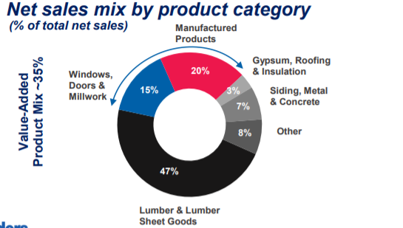

Fundamental Analysis ($k)
Fiscal Year: | 2020A | 2021E | 2022E | 2023E | CAGR% 2016-2020 | CAGR% 2021-2025

Total Sales | 8,558,874 | 14,427,754 | 16,388,189 | 32,965,620 | 7.7% | 28.5%
% Growth |  | 68.6% | 13.6% | 101.2%
% Gross Margin | 26.0% | 26.0% | 26.0% | 26.0%
EBIT | 543,854 | 865,665 | 983,291 | 1,977,937 | 23.2% | 57.5%
% Growth |  | 59.2% | 13.6% | 101.2%
% EBIT Margin | 6.4% | 6.0% | 6.0% | 6.0%
EBITDA | 543,854 | 865,665 | 983,291 | 1,977,937 | 23.2% | 57.5%
% Growth |  | 59.2% | 13.6% | 101.2%
% EBITDA Margin | 6.4% | 6.0% | 6.0% | 6.0%
Net Income | 313,537 | 569,344 | 661,092 | 1,436,916 | 21.4% | 159.2%
% Growth |  | 81.59% | 16.11% | 117.35% |  |  | Catalysts
Home purchasing and renovating uptrends should continue to generate increasing demand for home building services and materials.
Large presence in Arizona, holding over 45% of the market share
Merge agreement with BMC Stock Holdings, achieving combined sales of $11 billion. Lumber Prices are high right now; BLDR has a solid supply of Lumber and is not hit hard by the supply chain issues Planning on acquiring more companies - already announced 5 new deals to increase scale and location reach.
Investments in software and technology - Paradigm tackles the complexity of building.
% Net Margin | 4.0% | 4.0% | 4.0% | 4.0%

Current Valuation
P/E (FY20A) |  |  |  |  |  | 11.1x
EV/EBIT (FY202A) |  |  |  |  |  | 10.8x
EV/EBITDA (FY20A) |  |  |  |  |  | 8.6x

Supply chain bottleneck due to shipping container stalled at U.S. ports
Freight rates continue to increase Materials prices
 |  |  |  |  |  |  | Risks
Earnings Estimates (Diluted)
 |  | Q1 | Q2 | Q3 | Q4 | FY
2022E |  | $0.41 | $0.67 | ($0.01) | $3.55 | $4.62
2021E |  | $0.83 | $2.39 | $0.77 | $0.91 | $4.90
2020A |  | $0.07 | $0.67 | $0.73 | $1.19 | $2.66
Consensus Estimates (Diluted)
 |  | Q1 | Q2 | Q3 | Q4 | FY
2022E |  | $0.83 | $1.46 | $1.32 | $1.05 | $4.50
2021E |  | $1.10 | $2.76 | $1.60 | $0.97 | $6.41 | Market Differentiation
Large investments in software, setting them apart from competitors investing in technology that strives to minimize the complexity of building. Construction is not heavily invested in digitization and Builder's FirstSource is making a move towards it. Positioned to lead a transition into digitization in the homebuilding area. Sourcing material will be easier; crucial in a low supply market. Have a steady hold on lumber supply, less of an issue with the supply chain compared to competitors.
2020A |  | $0.34 | $0.67 | $0.82 | $1.20 | $3.01
Current Peer Multiples
Company | Ticker |  | MC | P/E | P/S | EV/EBITDA
GMS Inc. | GMS |  | 2.04B | 14.50x | 46.39x | 8.77x
Owens Corning | OC |  | 9.94B | 10.37x | 91.49x | 6.77x
JELD-Wen Holding | JELD |  | 26.40B | 17.08x | 25.96x | 33.44x
MASCO Corporation | MAS |  | 14.94B | 30.09x | 59.27x | 10.27x
Carlisle Companies | CSL |  | 11.55B | 35.21x | 217.92x | 18.24x

Supporting Trends
Supporting Trends:
Federal Reserve Economic Data
Link: https://fred.stlouisfed.org
Economic Research Division
Federal Reserve Bank of St. Louis

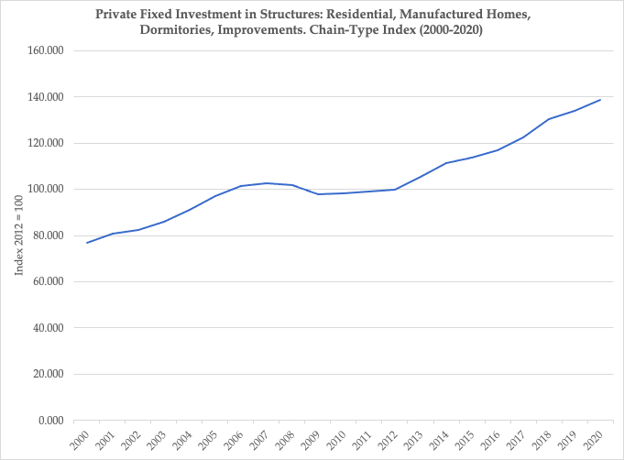
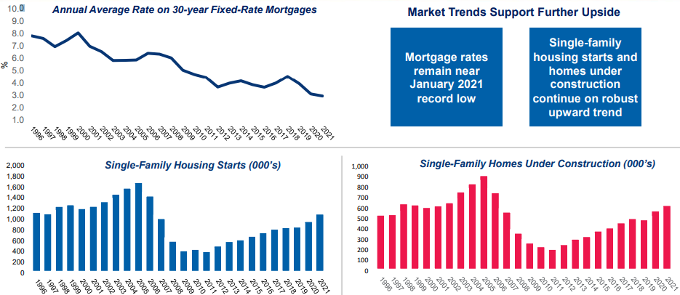
A863RG3A086NBEA
Private fixed investment in structures: Residential: Other structures - manufactured homes, dormitories, improvements, brokers' commissions on sales of structures (chain-type price index), Index 2012=100, Annual, Not Seasonally Adjusted
Annual | Index 2012 = 100
1929-01-01 | 5.182
1930-01-01 | 5.071
1931-01-01 | 4.611
1971-01-01 | 17.655
1972-01-01 | 18.411
1973-01-01 | 19.873
1974-01-01 | 22.185
1975-01-01 | 24.229
1976-01-01 | 25.861
1977-01-01 | 28.596
1978-01-01 | 31.723
1979-01-01 | 35.327
1980-01-01 | 39.108
1981-01-01 | 42.286
1982-01-01 | 44.543
1983-01-01 | 45.843
1984-01-01 | 47.44
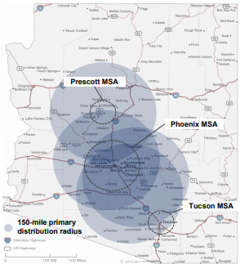
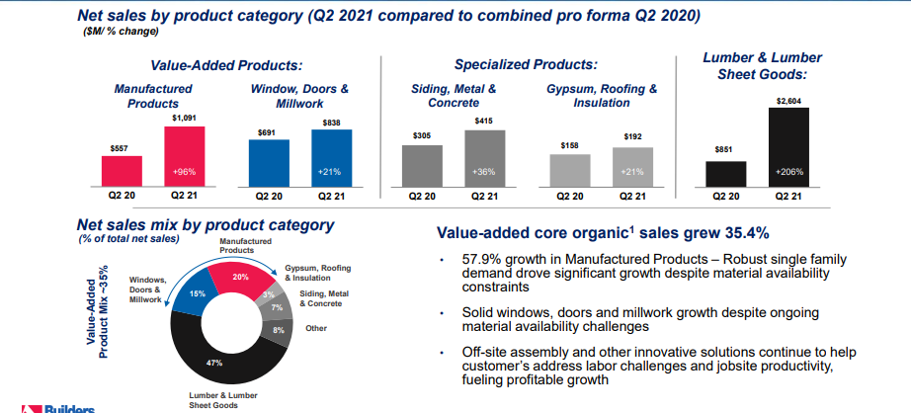
1985-01-01 | 49.081
1986-01-01 | 51.309
1987-01-01 | 53.744
1988-01-01 | 55.659
1989-01-01 | 57.652
1990-01-01 | 59.165
1991-01-01 | 60.41
1992-01-01 | 61.297
1993-01-01 | 63.473
1994-01-01 | 65.234
1995-01-01 | 67.302
1996-01-01 | 68.961
1997-01-01 | 70.156
1998-01-01 | 71.563
1999-01-01 | 73.799
2000-01-01 | 77.021
2001-01-01 | 80.761
2002-01-01 | 82.509
2003-01-01 | 85.992
2004-01-01 | 90.967
2005-01-01 | 97.113
2006-01-01 | 101.635
2007-01-01 | 102.773
2008-01-01 | 101.992
2009-01-01 | 98.013
2010-01-01 | 98.156
2011-01-01 | 99.162
2012-01-01 | 100
2013-01-01 | 105.338
2014-01-01 | 111.451
2015-01-01 | 113.586
2016-01-01 | 117.061
2017-01-01 | 122.526
2018-01-01 | 130.39
2019-01-01 | 134.149
2020-01-01 | 138.592

