工作表1
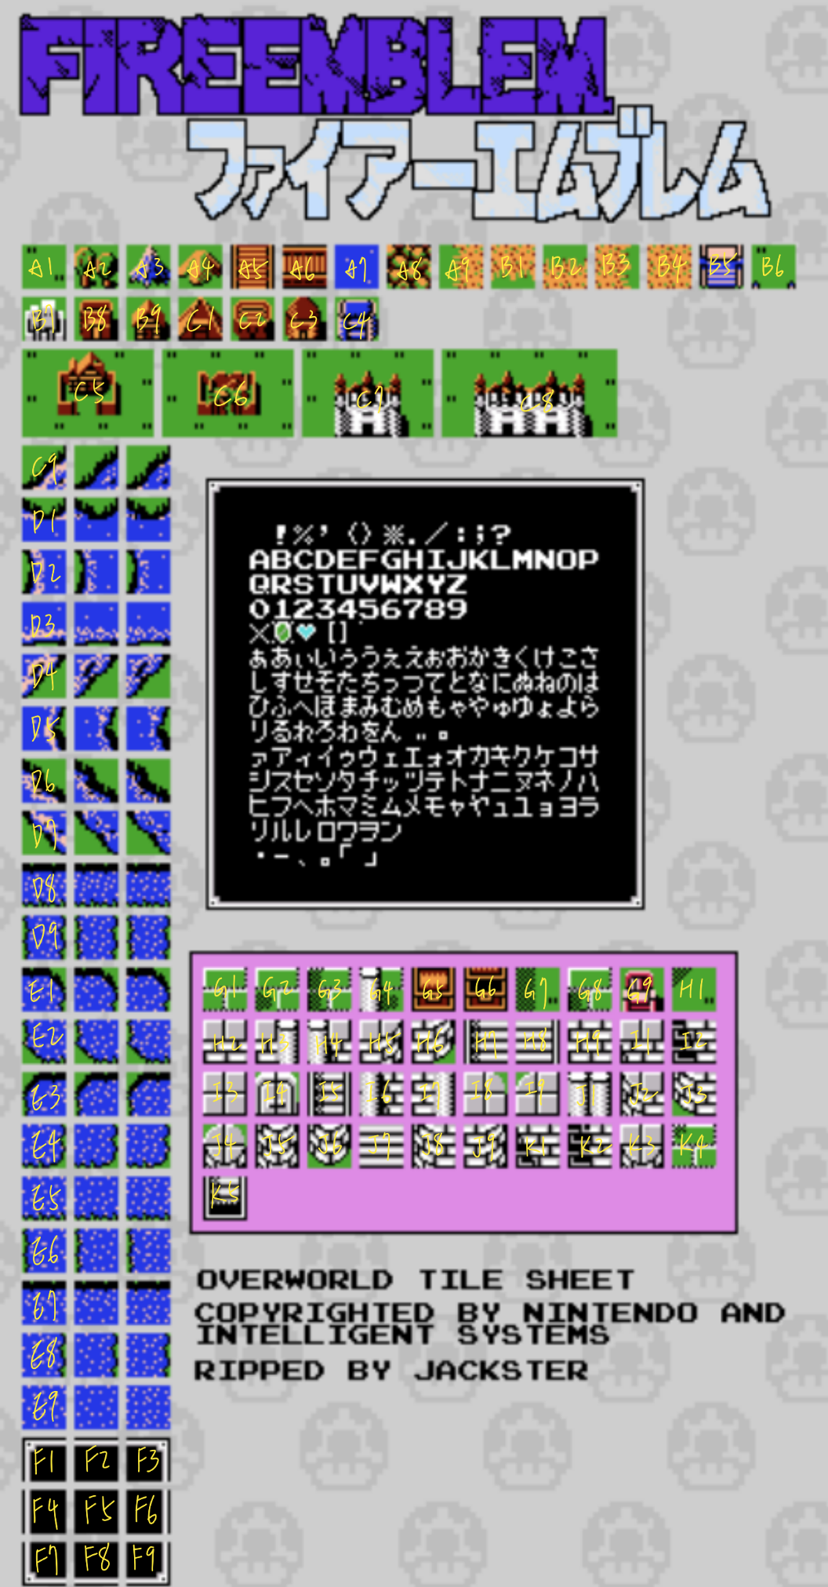
A1 | plain | B1 | sand1 | C1 | storage | D1 | sea1 | E1 | river2 | F1 | text0 | G1 | H1 | I1 | J1
A2 | forest | B2 | sand2 | C2 |  | D2 | sea2 | E2 | river3 | F2 | text1 | G2 | H2 | I2 | J2
A3 | peak | B3 | sand3 | C3 |  | D3 | sea3 | E3 | river4 | F3 | text2 | G3 | H3 | I3 | J3
A4 | mountain | B4 | sand | C4 |  | D4 | sea4 | E4 | river5 | F4 | text3 | G4 | H4 | I4 | J4
A5 | bridge0 | B5 |  | C5 | village | D5 | sea5 | E5 | river6 | F5 | text | G5 | H5 | I5 | J5
A6 | bridge1 | B6 |  | C6 | ruins | D6 | sea6 | E6 | river7 | F6 | text4 | G6 | H6 | I6 | J6
A7 | sea | B7 | fort | C7 | gate | D7 | sea7 | E7 | river8 | F7 | text5 | G7 | H7 | I7 | J7
A8 |  | B8 | armoury | C8 |  | D8 | river0 | E8 | river9 | F8 | text6 | G8 | H8 | I8 | J8
A9 | sand0 | B9 | house | C9 | sea0 | D9 | river1 | E9 | river | F9 | text7 | G9 | H9 | I9 | J9
 |  |  |  |  |  |  |  |  |  |  |  |  |  |  | K1
 |  |  |  |  |  |  |  |  |  |  |  |  |  |  | K2
 |  |  |  |  |  |  |  |  |  |  |  |  |  |  | K3
 |  |  |  |  |  |  |  |  |  |  |  |  |  |  | K4
 |  |  |  |  |  |  |  |  |  |  |  |  |  |  | K5

