Sheet1
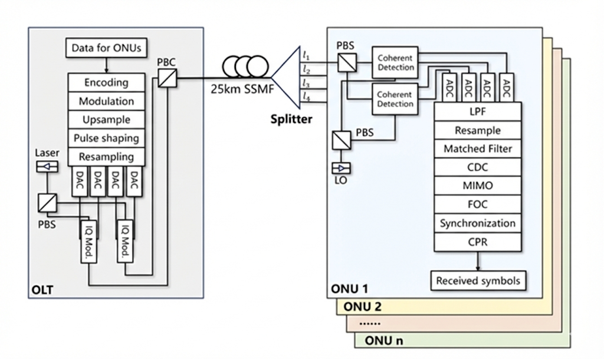
 | 本列为可选模块 | 信号测试时相关参数（标红为需要赋值）
 | 本列为可选模块

 |  | symbolnum_raw = 2^15;
TxDSP_Module: |  | Params.ER = 50;
 |  | Params.sps = 2;
Inputs (Params structure): |  | Params.RandSeed = 1000; % Rand Seed
Params.Fs_Tx : Transmitter Sampling Rate (Hz) |  | Params.BaudRate = 12.5e9;
Params.BaudRate : Symbol Rate (Baud)
Params.M : Modulation Order (e.g., 16 for 16-QAM)
Params.symbolnum : Total number of symbols
Params.num_bands : Number of SCM subcarriers
Params.rolloff : Roll-off factor for RRC filter |  | % SCM Parameters
Params.span : Filter span |  | Params.M = 16;
Params.scbw : Subcarrier bandwidth |  | Params.num_bands = 4;
Params.grdbw : Guard bandwidth |  | Params.rolloff = 0.1;
Params.cf : Array of subcarrier center frequencies |  | Params.span = 128;
Params.SPPR : Signal-to-Pilot Power Ratio (dB) |  | Params.scbw = Params.BaudRate * (1 + Params.rolloff) / 2;
 |  | Params.grdbw = 2e9;
Outputs:
x_t, y_t : Time-domain output signals |  | Params.ch=3; % interested channel
SigX, SigY : Transmitted symbol sequences |  | Params.deltafs = 1.5e9; %%FO
PAPR : Peak-to-Average Power Ratio of the generated signal
 |  | % Calculate Carrier Frequencies
 | TxImbalance_Module: | scbw = Params.scbw;
 |  | grdbw = Params.grdbw;
 | Inputs: | Params.cf = [-4*scbw-grdbw, -2*scbw-grdbw, 2*scbw+grdbw, 4*scbw+grdbw];
 | x_t, y_t : Time-domain input signals (typically output from Tx DSP)
 | Params : Parameter structure containing: | % Pilot Parameters
 | - Params.RandSeed : Base random seed | Params.SPPR = 20; % dB
 | - Params.symbolnum: Number of symbols
 | - Params.BaudRate : Baud rate
 | - Params.sps : Samples per symbol (Global)
 | - Params.Ele.Obj.SamplePerSymbol: Samples per symbol (Electrical layer) |  | signal_LaserCW_Module parameters
 |  | additional optical parameters | LaserParam.EmissionFrequency = 193.1e12; % 193.1 THz
DAC_Module: | Outputs: | Opt.C = 299792458; | LaserParam.AveragePower = 20e-3; % 20 mW
Inputs： | rf_x, rf_y : Normalized RF drive signals (ready for DAC input) | Opt.InitialPhase = 0; | LaserParam.SideModeSeparation = 200e9; % 200 GHz
 | ms : The generated Signal Rotation Matrix (Jones Matrix) | Opt.LineWidth = 100e3; | LaserParam.SideModeSuppressionRatio = 100; % 100 dB (Effectively none)
Ele.DAC.Resolution = 6; |  | Opt.ReceivedSigPower = 0; | LaserParam.Linewidth = 100e3; % 100 kHz
Ele.DAC.BandWidth = 1; |  | Opt.ReceivedLoPower = 13;
Params.DAC_BW_Analog = 32e9; % DAC bandwidth 32 GHz |  | Opt.LaunchSigPower = 0; | % Polarization Settings
Params.Fs_Tx = 92e9; |  | Opt.Tx.MZM.ExRatioCh = ER;%25;% Child MZ of IQ Modulator | LaserParam.Azimuth = 45; % 0 deg (Linear Horizontal)
 |  | Opt.Tx.MZM.ExRatioPa = ER;%22;% Parent MZ of IQ Modulator | LaserParam.Ellipticity = 0; % 0 deg
Ele.DAC.BandWidth = Params.DAC_BW_Analog / Params.Fs_Tx; % 结果约为 0.3478
Ele.DAC.SamplePerSymbol=1; |  |  | % Temperature & Drift
 |  | Opt.Tx.MZM.PushPull = true; | LaserParam.EmissionFrequencyDrift = 1.0e9; % 1 GHz/C
Outputs： |  | Opt.Tx.MZM.Vpi = 3; | LaserParam.CaseTemperature = 25; % 25 C
signal |  | Opt.Tx.MZM.VpiDC = 3; | LaserParam.ReferenceTemperature = 25; % No drift in this setup
 |  | Opt.Tx.EleAmp = 3;
 |  |  | % RIN Settings
 |  | Opt.Rx.HybridPhaseShift = 90; | LaserParam.RIN = -150; % -110 dB/Hz
 |  | Opt.Rx.PD.Responsivity = 0.6; | LaserParam.RIN_MeasPower = 10e-3; % 10 mW
 |  | Opt.Rx.PD.DarkCurrent = 10e-9; | LaserParam.IncludeRIN = 'ON'; % Enabled
 |  | Opt.Rx.PD.AddThermalNoise = 1;
 |  | Opt.Rx.PD.AddShotNoise = 1; | % Seed
 |  | Opt.Rx.PD.BandWidth = 22e9; | LaserParam.RandomNumberSeed = 1234; % Fixed seed for reproducibility

Driver_Module:

Inputs:
rf_in_x, rf_in_y : Input signals (Complex).
Real part = Arm 1 signal, Imag part = Arm 2 signal.
Params : Parameter structure containing:
- Params.Fs_Tx |  |  | % --- EDFA Parameters---
- Params.Driver.Bandwidth (Hz) |  |  | %
- Params.Driver.Gain_dB (dB) |  |  | Params.Opt.Obj.Amp.OutputPower = 1e-3; % 1 mW (PowerControlled)
 |  |  | Params.Opt.Obj.Amp.GainMax = 100; % 100 dB
Outputs: |  |  | Params.Opt.Obj.Amp.NoiseFigure = 5.0; % 4 dB
rf_out_x, rf_out_y : Amplified and Filtered signals (Complex formatted same as input) |  |  | Params.Opt.Obj.Amp.Type = 'PowerControlled';

 |  |  | % Define parameters specific to the Local Oscillator
 |  |  | Params.Opt.Obj.LO.Power = 10e-3; % 10 mW (+10 dBm) - Typically higher than signal
LaserCW_Module: Simulates a Continuous Wave (CW) Laser based on VPI datasheet model. |  |  | Params.Opt.Obj.LO.Linewidth = 100e3; % 100 kHz
 |  |  | Params.Opt.Obj.LO.Phase = 0; % Initial Phase
Simulation Features: |  |  | Params.Opt.Obj.LO.FreqOffset = Params.deltafs;
- Phase Noise (Linewidth)
- Relative Intensity Noise (RIN)
- Side Mode Generation
- Frequency Drift (Temperature dependent)
- Polarization State (Azimuth/Ellipticity) |  |  | fiber paras
 |  |  | Params.Fiber.Dispersion = 23e-12 / 1e-9 / 1e3; % Approx 2.9e-26 s^2/m
Inputs: |  |  | Params.Fiber.Length = 25e3; % 25 km
TimeVector : Time array for simulation (seconds) [N x 1] |  |  | Params.Fiber.Loss_dB_km = 0.17; % G654e
Params : Structure containing laser parameters |  |  | Params.Fiber.Gamma = 1.3e-3; % 1.3e-3 Nonlinearity: 1.3 W^-1 km^-1 -> 1.3e-3 W^-1 m^-1
- EmissionFrequency (Hz) |  |  | Params.c_const = 299792458;
- AveragePower (W) |  |  | Params.lambda = 1550e-9;
- Linewidth (Hz) |  |  | % Step size dz = Length / Steps.
- SideModeSeparation (Hz) |  |  | Params.Fiber.dz = 1000; %m
- SideModeSuppressionRatio (dB) |  |  | Params.Fiber.maxiter = 40;
- RIN (dB/Hz)
- RIN_MeasPower (W)
- IncludeRIN ('ON'/'OFF')
- Azimuth (deg), Ellipticity (deg)
- InitialPhase (deg)
- CaseTemperature, RefTemperature, FreqDrift
- RandomNumberSeed

Outputs:
E_out : Complex Optical Field [N x 2] (X and Y polarizations)
Params_Out : Structure with calculated parameters (e.g., actual frequency)

Modulator_Module:

Modulator_Module: Electro-Optical IQ Modulator

Inputs:
E_Carrier : Input Optical Field [N x 2] (from LaserCW_Module)
rf_in_x : Electrical Drive X-Pol (I + jQ)
rf_in_y : Electrical Drive Y-Pol (I + jQ)
Params : Params.Opt.Obj.Tx.MZM (Vpi, etc.)

Output:
E_out : Modulated Optical Field [N x 2]

EDFA_Module:
EDFA_Module: Optical Amplifier (Power Controlled Mode)
based on VPIphotonics "AmpSysOpt" Datasheet. | PolarizationEmulation_Module:

Functionality:
1. Power Control: Amplifies input to reach 'OutputPower'.
2. ASE Noise: Adds Gaussian noise based on 'NoiseFigure' (Eq. 11 in manual).

Inputs:
E_in : Input Optical Field [N x 2] (X and Y Pol) | Inputs:
Params : Structure containing EDFA parameters (from VPI screenshot) | E_LO : Input Local Oscillator Field [N x 2] (from RxFrontEnd)
 | E_Sig : Input Optical Signal [N x 2] (for SOP estimation)
Outputs: | Params : Parameter structure containing:
E_out : Amplified Noisy Signal [N x 2] | - Params.RandSeed
Debug : Structure with Gain and OSNR info | - Params.symbolnum
 | - Params.BaudRate
 | - Params.sps
 | - Params.Ele.Obj.SamplePerSymbol

 | Outputs:
 | E_LO_Rotated : The rotated LO field (Structure with X and Y components)
LO_Optical_Module: | .X = [N x 1]
 | .Y = [N x 1]
LO_Optical_Module: Local Oscillator based on LaserCW Module | SOP_Data : Structure containing SOP statistics
 | .Theory = Theoretical SOP from rotation matrix
Functionality: | .Est = Estimated SOP from signal mean
1. Calls 'LaserCW_Module' to generate a physical optical carrier (with Phase Noise).
2. Applies Frequency Offset (FO) to simulate the LO-Tx frequency difference.
3. Sets output polarization (typically 45 deg or X/Y split for coherent Rx).

Inputs:
TimeVector : Time array [N x 1]
Params : Structure containing LO parameters
- Params.Opt.Obj.LO.Power (W)
- Params.Opt.Obj.LO.Linewidth (Hz)
- Params.Opt.Obj.LO.FreqOffset (Hz)
- Params.Opt.Obj.LO.Phase (deg)

Outputs:
E_LO : Complex LO Field [N x 2] (Dual Polarization)
Debug_Data : Structure containing Phase Noise and Frequency Shift info

Fiber_Module:

Fiber_Module: Advanced Optical Fiber Transmission (SSFM)
Uses the 'sspropv' function to simulate:
- Attenuation (Loss)
- Chromatic Dispersion (GVD/Beta2)
- Nonlinearity (Kerr Effect / Gamma)

Inputs:
E_in : Input Optical Field [N x 2] (Column 1: X-Pol, Column 2: Y-Pol)
Params : Parameter structure containing:
- Params.Fs_Tx : Sampling Rate (Hz)
- Params.Fiber.Length : Fiber Length (m)
- Params.Fiber.Dispersion : Beta2 parameter (s^2/m) or D
- Params.Fiber.Loss_dB_km : Attenuation (dB/km)
- Params.Fiber.Gamma : Nonlinearity Coeff (W^-1 m^-1)

Output:
E_out : Output Optical Field [N x 2]

Splitter_Module
Splitter_Module: Optical Power Splitter (1-to-N)
Based on VPI "SplitterPow_1_N" datasheet.

Functionality:
Splits the input optical field equally into N output ports.
Amplitude is scaled by 1/sqrt(N). No phase shift added.

Inputs:
E_in : Input Optical Field [Samples x Pols]
Params : Parameter structure containing:
- Params.Opt.Obj.Splitter.N (Number of output ports)

Outputs:
Output_Ports : Cell Array of size [1 x N].
Each cell contains the scaled optical field [Samples x Pols].
Splitter_Info: Struct with loss info.
% --- Splitter Parameters ---
Params.Opt.Obj.Splitter.N = 4; % 1x4 Splitter

CoherentReceiver_Module:

Inputs:
E_Rx : Received Optical Signal
Format: [N x 2] matrix (Col 1 = X-Pol, Col 2 = Y-Pol).
E_LO : Local Oscillator Optical Field (Rotated).
Params : Parameter structure containing:
- Params.Opt.Obj.Rx : Receiver object (Responsivity, PhaseShift, etc.)

Outputs:
IX, QX : In-phase and Quadrature photocurrents for X-Polarization (Row vectors)
IY, QY : In-phase and Quadrature photocurrents for Y-Polarization (Row vectors)

TIA_Module:

Inputs:
IX, QX : Input photocurrents for X-Polarization (Row vectors)
IY, QY : Input photocurrents for Y-Polarization (Row vectors)
Params : Parameter structure containing:
- Params.Fs_Tx
- Params.Ele.TIA.Gain : TIA Transimpedance Gain (Ohms)
- Params.Ele.TIA.BandWidth : TIA 3dB Bandwidth (Hz)

Outputs:
Rx_Analog_X : Complex Analog Voltage for X-Pol (I + jQ)
Rx_Analog_Y : Complex Analog Voltage for Y-Pol (I + jQ)

ADC_Module:
Inputs：
Ele.ADC.Resolution = 6;
Params.ADC_BW_Analog = 80e9; % ADC bandwidth 80 GHz
Params.Fs_Rx = 256e9;
Ele.ADC.SamplePerSymbol = 1;

Ele.ADC.SamplePhase = ceil(Ele.ADC.SamplePerSymbol/2);
Ele.ADC.BandWidth = Params.ADC_BW_Analog / Params.Fs_Rx;

Outputs：
signal

RxDSP_Module:
Performs frequency offset compensation, filtering, timing recovery,
equalization, synchronization, and performance estimation.

Inputs:
Rx_Dig_X, Rx_Dig_Y : Digital received signals (from ADC, X/Y pol)
SigX, SigY : Transmitted symbol sequences
Params : Parameter structure containing:
- Params.Fs_Rx
- Params.Fs_Tx
- Params.BaudRate
- Params.M
- Params.scbw,etc

Outputs:
SNR : Estimated Signal-to-Noise Ratio (dB)
BER : Bit Error Rate
ResultData : Structure with intermediate signals

