Readme
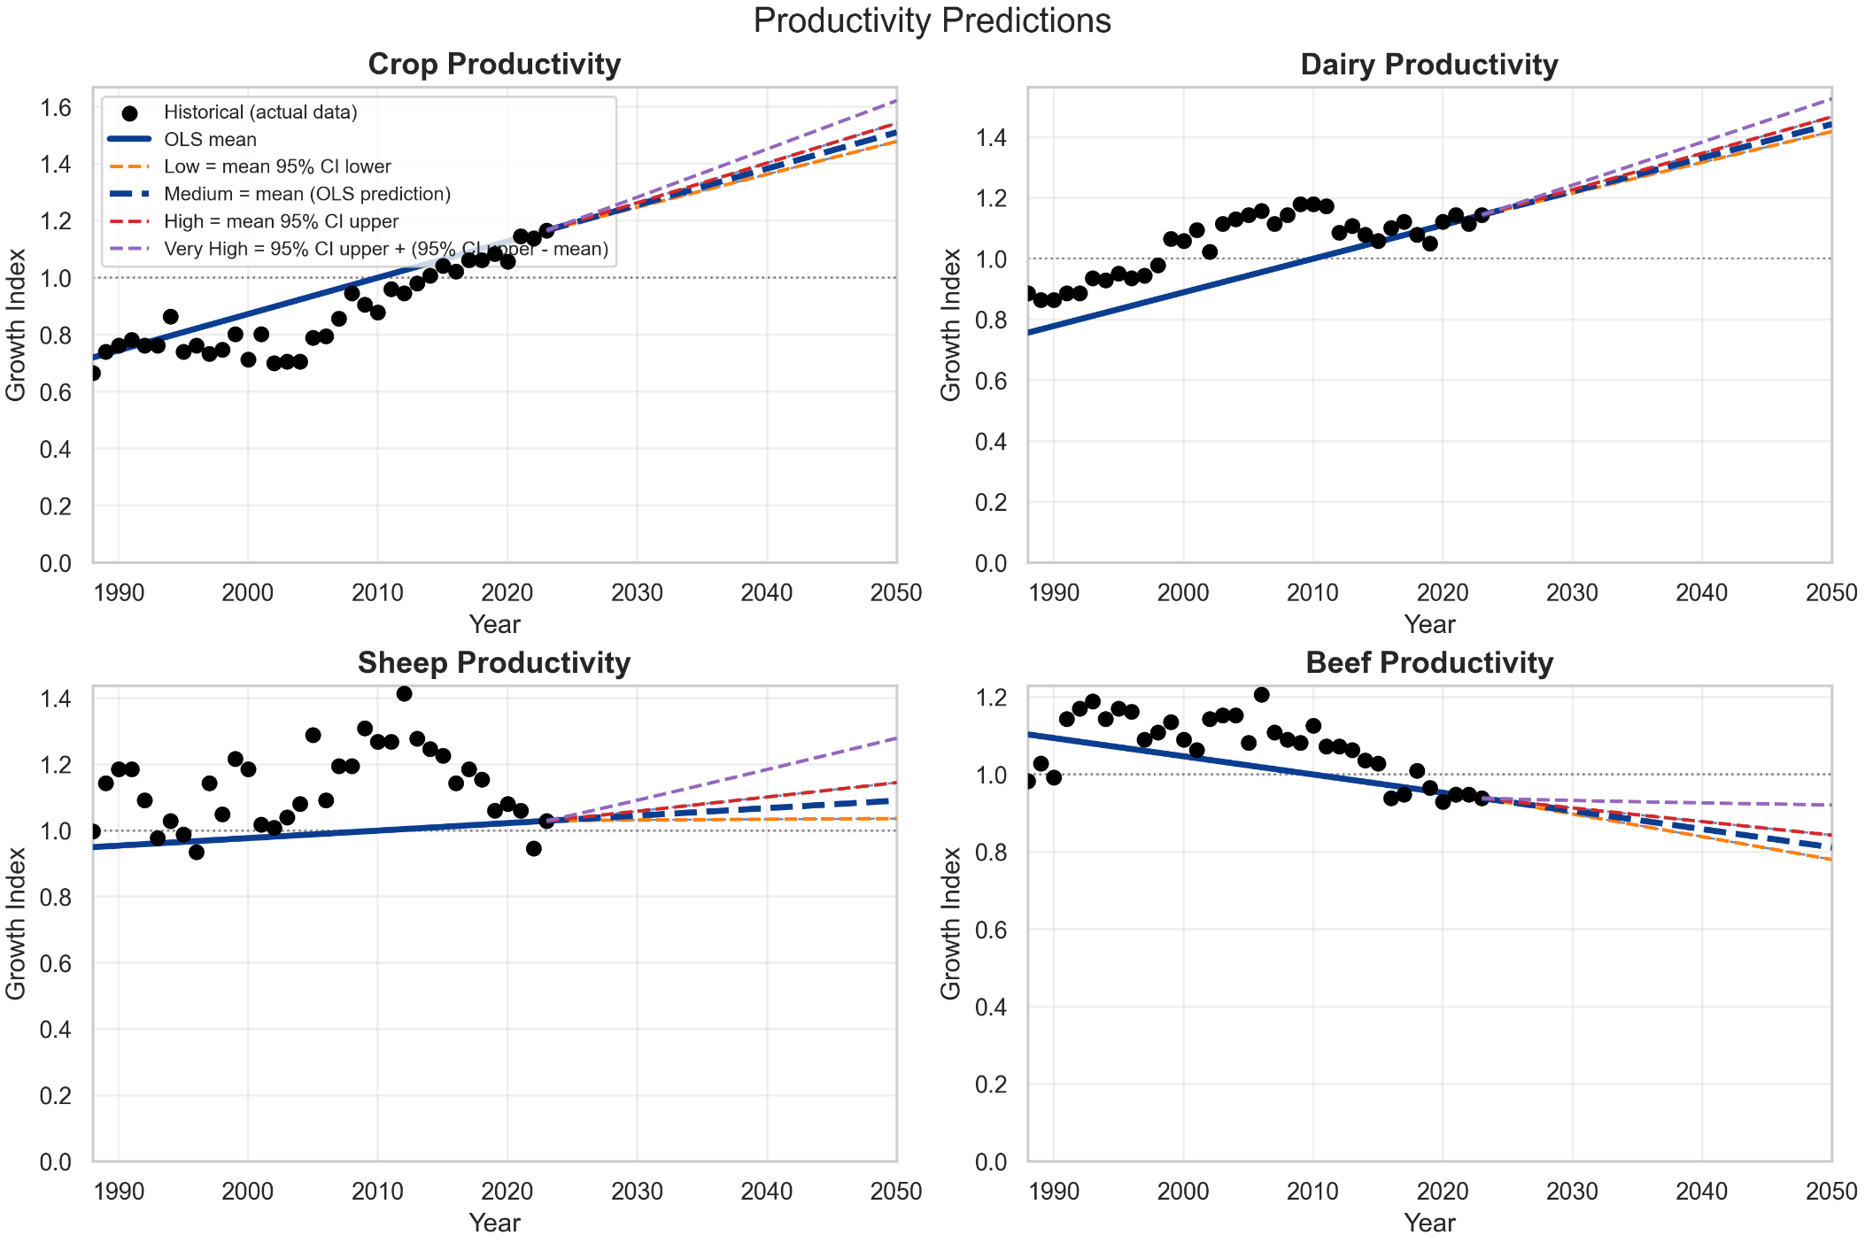
Source | Illustrate
https://www.agriculture.gov.au/abares/research-topics/productivity/agricultural-productivity-estimates#references | Using the Climate Adjusted data from 1989 onwards, I calculated the annual growth rate.First, ordinary least squares (OLS) regression was fitted to the original data. Second, the intercept was adjusted so that the fitted trajectory for each scenario passed through the observed value in the final year of the historical period. Third, the fitted value in 2010 was used as the scaling baseline, and all series, including the historical observations and fitted values, were normalised by dividing them by the fitted 2010 value.. These categories can be mapped to the specific commodity types within the LUTO2 model. Cropping: Apples, Citrus, Cotton, Grapes, Hay, Nuts, Other non-cereal crops, Pears, Plantation fruit, Rice, Stone fruit, Sugar, Summer cereals, Summer legumes, Summer oilseeds, Tropical stone fruit, Vegetables, Winter cereals, Winter legumes, Winter oilseeds Dairy: Dairy - modified land, Dairy - natural land Beef: BEEF - MODIFIED LAND LEXP, BEEF - NATURAL LAND LEXP, BEEF - MODIFIED LAND MEAT, BEEF - NATURAL LAND MEAT Sheep: SHEEP - MODIFIED LAND LEXP ,SHEEP - MODIFIED LAND MEAT ,SHEEP - MODIFIED LAND WOOL, SHEEP - NATURAL LAND LEXP ,SHEEP - NATURAL LAND MEAT, SHEEP - NATURAL LAND WOOL

