ReadMe
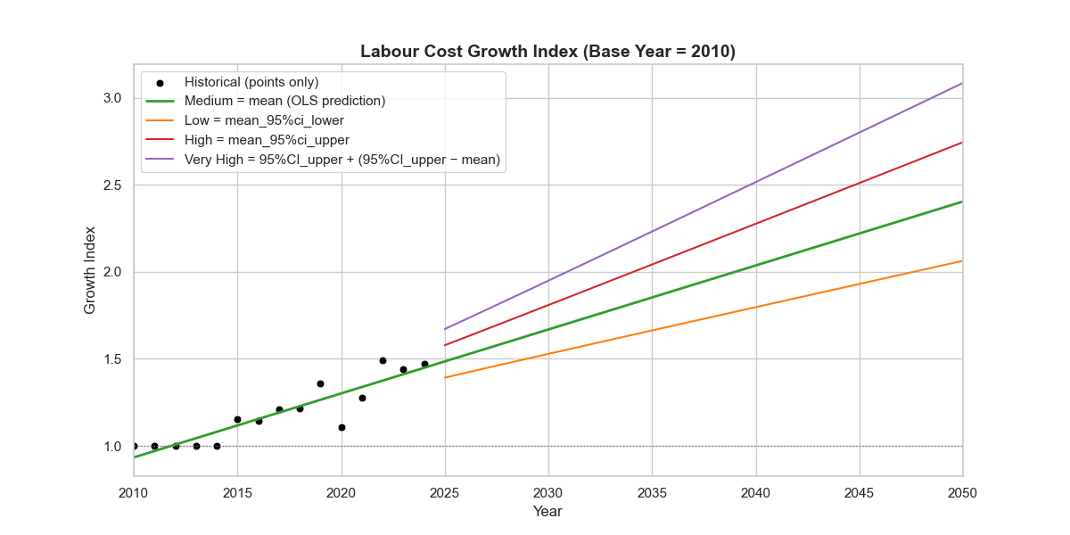
Indicator | Source | Illustrate
FLC_multiplier | Table 3 - Distribution of earnings for employees by industry (https://www.abs.gov.au/statistics/labour/earnings-and-working-conditions/employee-earnings/aug-2024) | Using the Australia (State and territory) > Total employees (Leave entitlements) > Agriculture, Forestry and Fishing (Industry)> Total (Classification) > Total (Category) > Median weekly earnings. Using data from 2014 onwards, calculate the annual growth rate. Using least squares and confidence intervals to predict different future scenarios

