Readme
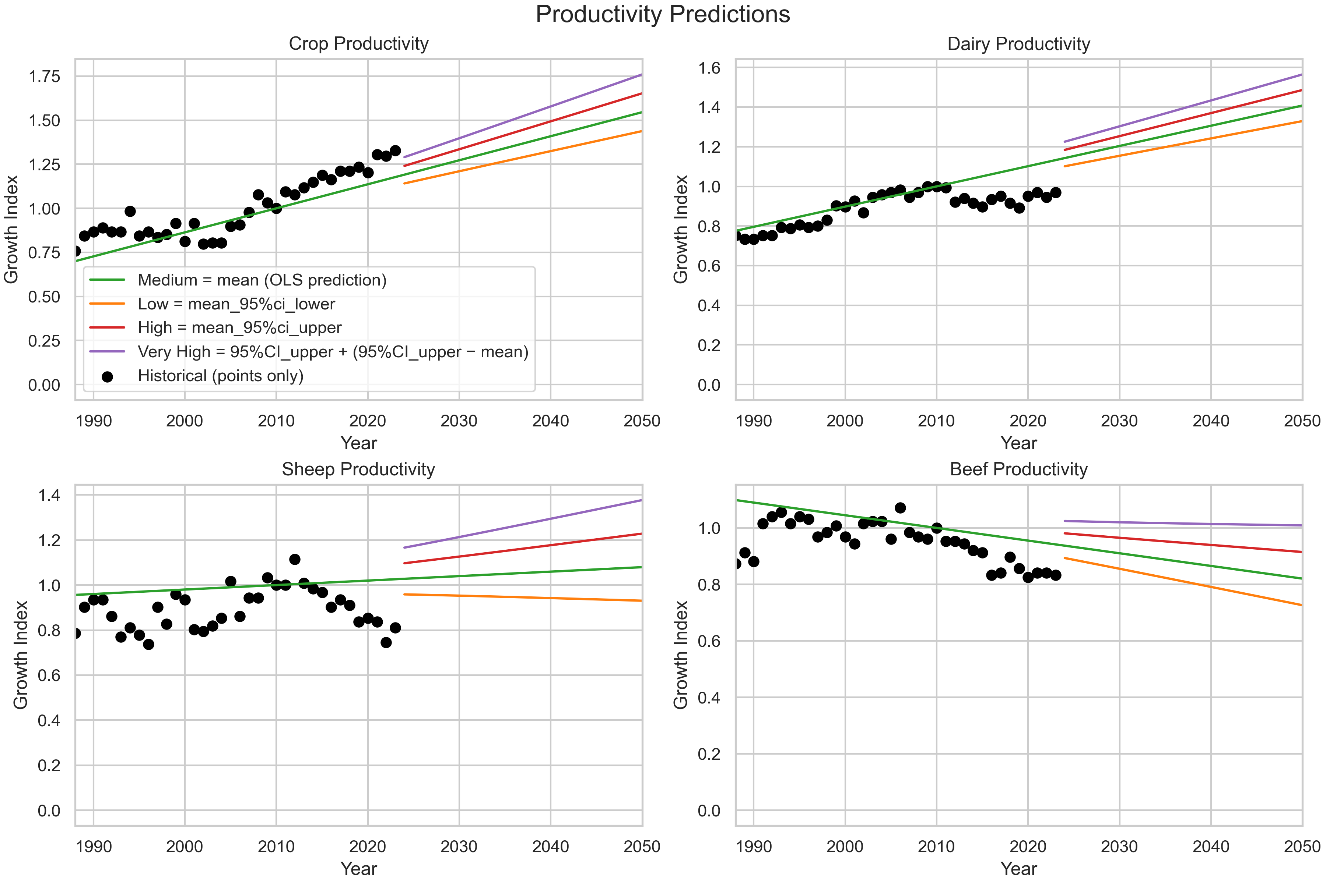
Source | Illustrate
https://www.agriculture.gov.au/abares/research-topics/productivity/agricultural-productivity-estimates#references | Using the Climated Adjusted data. Using data from1989 onwards, calculate the annual growth rate. Using least squares and confidence intervals to predict different future scenarios. These categories can be mapped to the specific commodity types within the LUTO2 model. Cropping: Apples, Citrus, Cotton, Grapes, Hay, Nuts, Other non-cereal crops, Pears, Plantation fruit, Rice, Stone fruit, Sugar, Summer cereals, Summer legumes, Summer oilseeds, Tropical stone fruit, Vegetables, Winter cereals, Winter legumes, Winter oilseeds Dairy: Dairy - modified land, Dairy - natural land Beef: BEEF - MODIFIED LAND LEXP, BEEF - NATURAL LAND LEXP, BEEF - MODIFIED LAND MEAT, BEEF - NATURAL LAND MEAT Sheep: SHEEP - MODIFIED LAND LEXP ,SHEEP - MODIFIED LAND MEAT ,SHEEP - MODIFIED LAND WOOL, SHEEP - NATURAL LAND LEXP ,SHEEP - NATURAL LAND MEAT, SHEEP - NATURAL LAND WOOL

