JS
doing math is safe in js. No fatal error. At worst NaN.
null doesn't belong to any data types. Same for undefined.
null for unknown value; undefined for unassigned value
Number()
 | undefined | NaN
 | null | 0
 | TRUE | 1
 | FALSE | 0
 | empty string | 0
 | unempty string | NaN
numeric conversion happens in mathematical functions and expressions automatically. Such as * - / but + maynot.
the unary plus will convert the operand to a number.
comparison operator such as > < == != convert string to numbers when 2 sides are different types
modal: pause the script execution and don't allow the visitor to interact with the rest of the page untile the message has been dismissed.

we can use square brackets in an object literal. That's called computed properties.
integer properties of object are sorted, others appear in creation order.
when an object varibale is copied, the reference is copied but the object is not duplicated. Namely, we duplicate another key to the cabinet which store all properties.
if an object has no incoming references, it will become unreachable and be deleted by garbage collector.
object property eys may be either of string type or of symbol type.
Symbols are guaranteed to be unique.
only strings and symbols can be used as keys in objects. All other types will be converted to strings.
a function that is the property of an object is called its method.
the value of "this" can be anything and it is evaluated during runtime.
"this" can be followed by "." or [].
the type of (a,b) => a*b is function.

to call a method directly on a number, need to place two dots .. After it. 123..toString(16)
NaN can be identified by isNaN() or Object.is(NaN, NaN). === will not work.

there are 3 ways of looping through an array. For(let key in array), for(let element of array), for (;i<array.length;)
there are 2 types of arrow functions. Value => expr; value => {expr}. Be careful, if the result of expr is an object. It may confuse the computer.

the idea of WeakMap is that we can store something for an object that exists only while the object exists. But we do not force the object to live by the mere fact that we store something for it.

default values set during destructuring are only envoked if the source values are missing.
JS treats {…} in the main code flow as a code block. Such code blocks can be used to group statements. To show JS that it is not a code block, we can wrap the whole assignment in brackets (…).
we can pass parameters as an object to function, and the function immediately destructurizes them into variables.

in JS function, we can use …arg or "arguments" to get all (resting) arguments. … will generate an array but "arguments" will not.
arrow function doesn't have this and arguments like normal function.
when …arg is used in the function call rather the function construction, it will expands an iterable object arg into the list of arguments.

function declarations are processed not when the execution reaches them, but when a Lexical Environment is created.
when a function runs, a new function lexical environment is created automatically.

when code wants to access a variable, it is first searched for in the inner Lexical Environment, then in the outer one, then the more outer one and so on until the end of the chain.
when an outer variable is modified, it is changed where it is found.
the code outside of the block cannot see variables inside the block, because the block has its own Lexical Environment.
IIFE: immediately invoked function expressions. (function() {})()
we can use round brackets, !, + to tell JS IIFE.
the following method will define a function like sum(a)(b)
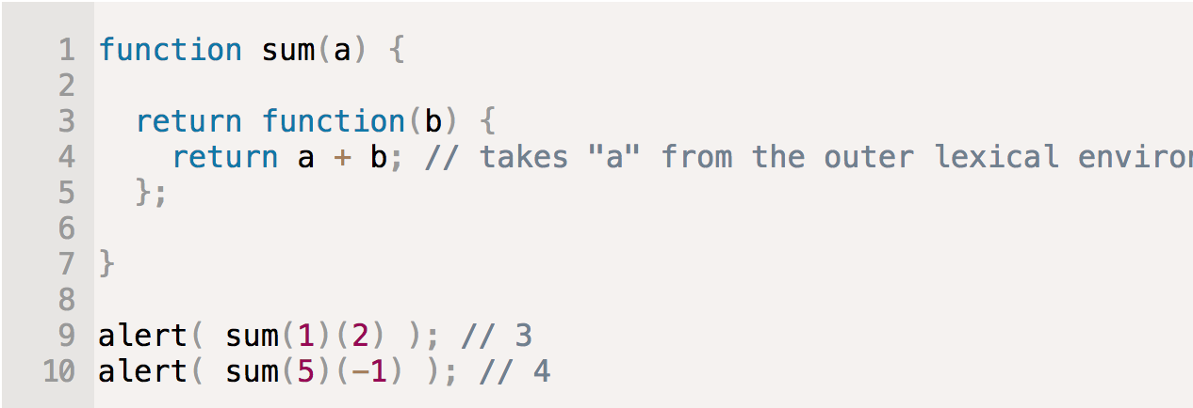

var pierces through if, for or other code blocks.
var variables are defined from the beginning of the function, no matter where the definition is.
all var are "hoisted" (raised) to the top of the function, even if in a if loop.
declarations are hoisted, but assignments are not.
when a function is created by new Function(). Its [[Environment]] references not the current Lexical Environment, but instead the global one.
let func = new Function(arg1, arg2, arg3, …, body);

when we want to read a property from object, and it's missing, JS automatically takes it from the prototype.
child.__proto__ = parent cannot go in circles. The value of __proto__ canbe either an object or null. An object may not inherit from two others.
in a method call, this is always the object before the dot.
seeting rabbit.prototype = animal literally states the following: when a new rabbit is created, assign its [[prototype]] to animal.

document.getElementsByTagName returns a live collection.
document.querySelectorAll returns a static collection.

the first argument of callback is reserved for an error if it occurs. The ..args are for the successful result.
let promise = new Promise(function(resolve, reject) {executor});
resolve and reject are 2 functions generated by JS engine. We don't need to create them. Resolve(value) and reject(error)
properties state and result of a promise object are internal. We cannot directly access them from our code, but we can use methods .then/catch for that.
promise.then( function(result), function(error));
the call .catch(f) is a complete analog of .then(null, f).
a call to promise.then returns a promise, so that we can call the next .then on it.
for a promise chaining, when a promise rejects, the control jumps to the closest rejection handler down the chain.

