Worksheet QT3 - graphs
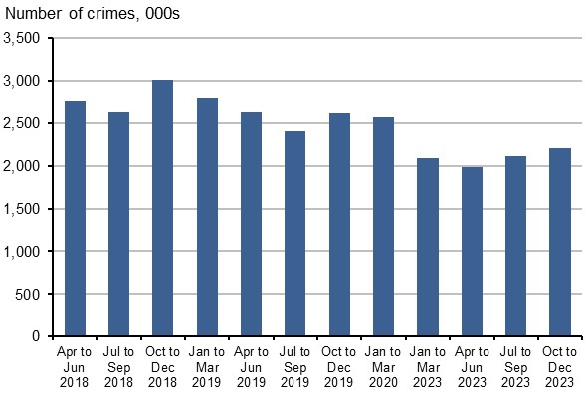
Worksheet QT3: Numbers of CSEW crimes, year ending March 2019 to year ending December 2023, by quarter of interview [note 1][note 3][note 4]
England and Wales, year ending March 2019 to Year ending December 2023

 | Figure 1: Violence | Figure 7: Other household theft

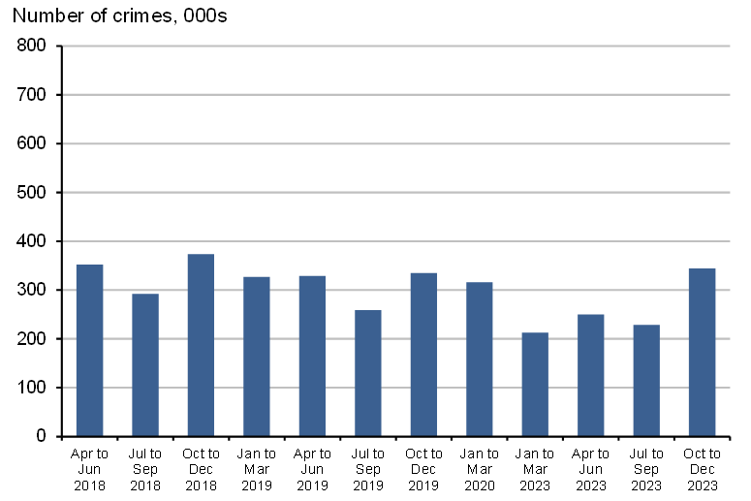
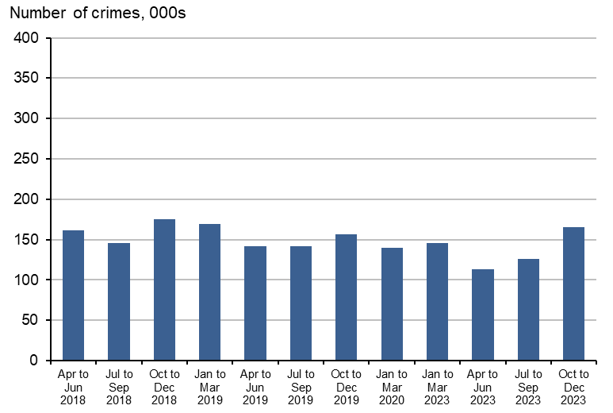

 | Figure 2: Robbery | Figure 8: Vehicle-related theft

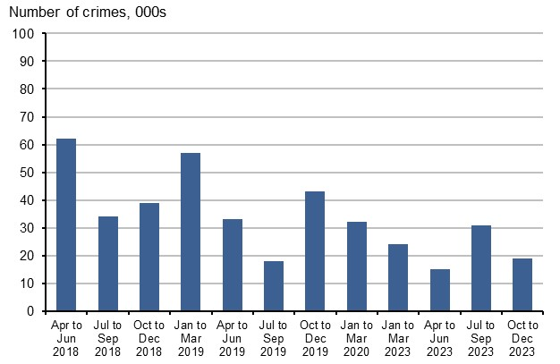
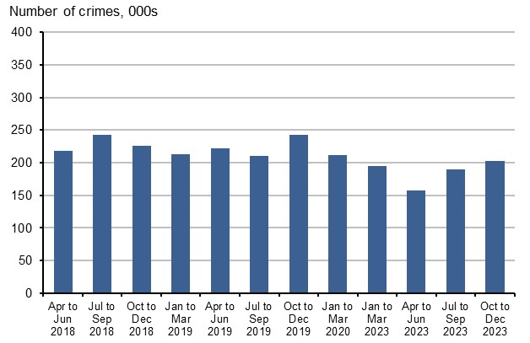

 | Figure 3: Theft offences | Figure 9: Bicycle theft

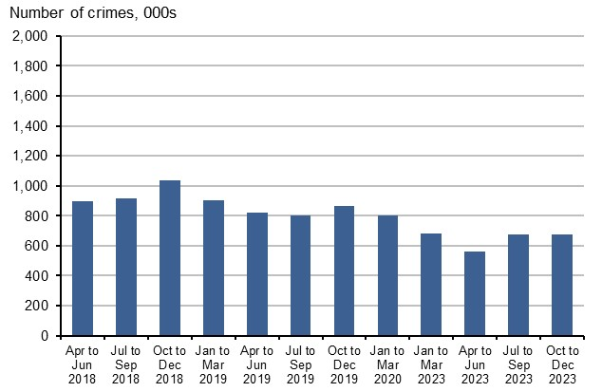
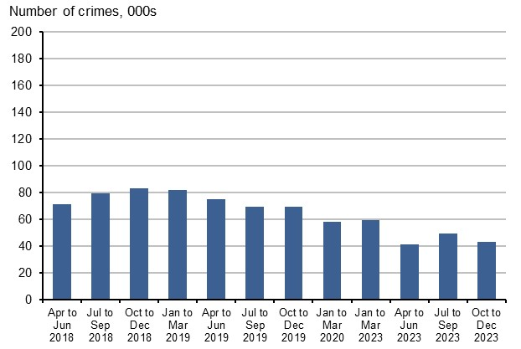

 | Figure 4: Theft from the person | Figure 10: Criminal damage and arson

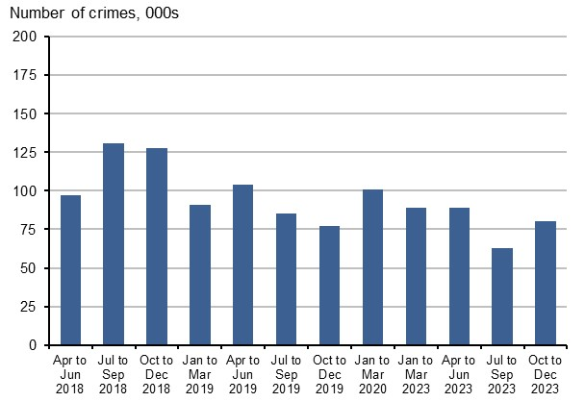
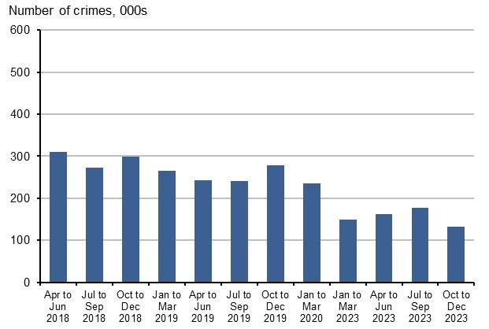

 | Figure 5: Other theft of personal property | Figure 11: All CSEW crime excluding fraud and computer misuse
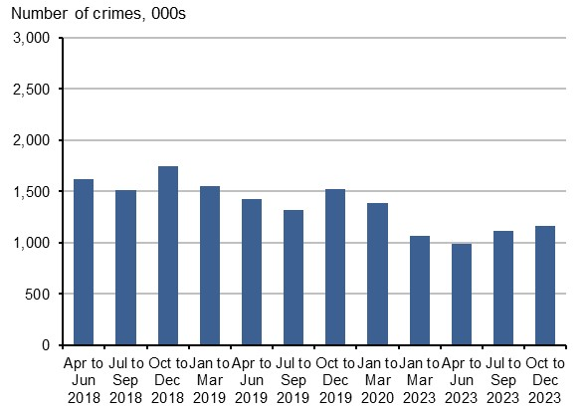
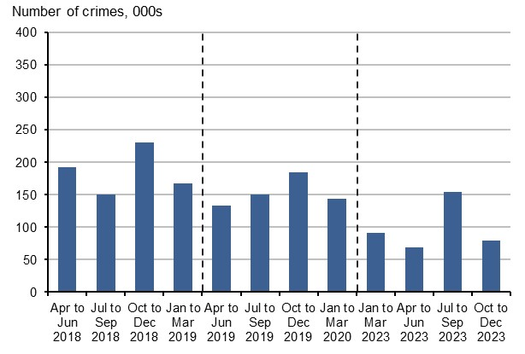

 | Figure 6: All burglary | Figure 12: Fraud and computer misuse
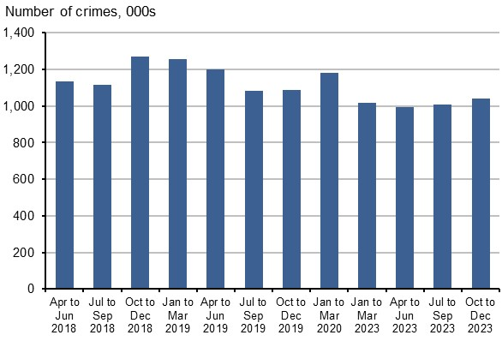

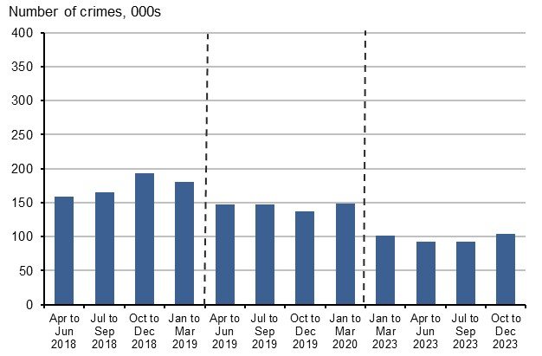

 | Figure 13: Fraud | Figure 14: Computer misuse

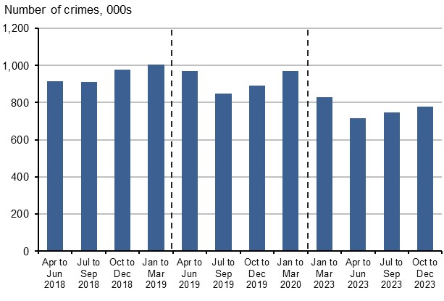
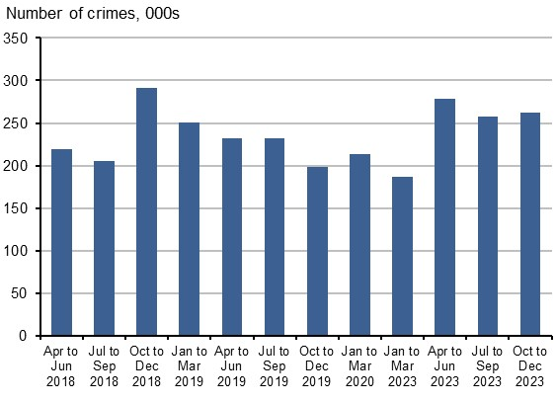

 | Figure 15: All CSEW crime including fraud and computer misuse

